ZMYM1 _multivariate
Reported by Tex Li-Hsing Chi. tex@gate.sinica.edu.tw 2019-08-14

Table 2. The clinicopathological features of HNSCC cohort and ZMYM1 expression. (Chi square test)
Cutoff at 0.023 (49.8%)
 |  | ZMYM1 expression |  | ZMYM1 expression |  | (Optimised)
 | Features | Low | (%) | High | (%) | Case no | P-value | Remark | Matthews
Gender | Female | 150 | 36.1 | 156 | 37.6 | 415 | 0.6344 | 0 | 0
2 | Male | 57 | 13.7 | 52 | 12.5
Age at diagnosis | <=65y | 140 | 33.7 | 134 | 32.3 | 415 | 0.5574 | 0 | 0
4 | >65y | 67 | 16.1 | 74 | 17.8
Clinical T Status | T1+T2 | 75 | 18.1 | 74 | 17.8 | 415 | 0.9707 | 0 | 0
6 | T3+T4 | 132 | 31.8 | 134 | 32.3
Clinical N Status | N0 | 112 | 27 | 104 | 25.1 | 415 | 0.4599 | 0 | 0
8 | N1-3 | 95 | 22.9 | 104 | 25.1
Clinical M Status | M0 | 206 | 49.6 | 206 | 49.6 | 415 | 1 | 0 | 0
10 | M1 | 1 | 0.2 | 2 | 0.5
Clinical Stage | Stage I+II | 51 | 12.3 | 51 | 12.3 | 415 | 1 | 0 | 0
12 | Stage III+IV | 156 | 37.6 | 157 | 37.8
Surgical Margin status | Negative | 158 | 38.1 | 160 | 38.6 | 415 | 0.9081 | 0 | 0
14 | Positive | 49 | 11.8 | 48 | 11.6
Tobacco Exposure | Low | 76 | 18.3 | 85 | 20.5 | 415 | 0.4207 | 0 | 0
16 | High | 131 | 31.6 | 123 | 29.6

Table 3. Univariate/Multivariate Cox's proportional hazards regression analyses on OS time of ZMYM1 gene expression in HNSCC

 |  | Univariate |  |  |  | Multivariate
 | Features | HR | CI95%(L) | CI95%(H) | P-value | HR | CI95%(L) | CI95%(H) | P-value
1 | Female | 1 |  |  |  | 1
Gender | Male | 1.157 | 0.843 | 1.587 | 0.367 | 1.198 | 0.857 | 1.674 | 0.29
11 | <=65y | 1 |  |  |  | 1
Age at diagnosis | >65y | 1.329 | 0.99 | 1.784 | 0.058 | 1.399 | 1.029 | 1.903 | 0.032
12 | T1+T2 | 1 |  |  |  | 1
Clinical T Status | T3+T4 | 1.409 | 1.028 | 1.931 | 0.033 | 2.204 | 1.166 | 4.166 | 0.015
13 | N0 | 1 |  |  |  | 1
Clinical N Status | N1-3 | 1.185 | 0.89 | 1.577 | 0.246 | 1.242 | 0.871 | 1.772 | 0.232
14 | M0 | 1 |  |  |  | 1
Clinical M Status | M1 | 4.097 | 1.009 | 16.644 | 0.049 | 9.453 | 2.062 | 43.33 | 0.004
15 | Stage I+II | 1 |  |  |  | 1
Clinical Stage | Stage III+IV | 1.245 | 0.882 | 1.759 | 0.213 | 0.504 | 0.235 | 1.081 | 0.078
16 | Negative | 1 |  |  |  | 1
Surgical Margin status | Positive | 1.591 | 1.155 | 2.191 | 0.004 | 1.665 | 1.204 | 2.301 | 0.002
17 | Low | 1 |  |  |  | 1
Tobacco Exposure | High | 1.364 | 1.008 | 1.844 | 0.044 | 1.442 | 1.046 | 1.99 | 0.026
18 | Low | 1 |  |  |  | 1
RNAseq(z-score) | High | 0.9 | 0.676 | 1.2 | 0.473 | 0.923 | 0.69 | 1.234 | 0.59

Table 4. Univariate/Multivariate Cox's proportional hazards regression analyses on RFS time of ZMYM1 gene expression in HNSCC

 |  | Univariate |  |  |  | Multivariate
 | Features | HR | CI95%(L) | CI95%(H) | P-value | HR | CI95%(L) | CI95%(H) | P-value
1 | Female | 1 |  |  |  | 1
Gender | Male | 1.157 | 0.843 | 1.587 | 0.367 | 1.198 | 0.857 | 1.674 | 0.29
11 | <=65y | 1 |  |  |  | 1
Age at diagnosis | >65y | 1.329 | 0.99 | 1.784 | 0.058 | 1.399 | 1.029 | 1.903 | 0.032
12 | T1+T2 | 1 |  |  |  | 1
Clinical T Status | T3+T4 | 1.409 | 1.028 | 1.931 | 0.033 | 2.204 | 1.166 | 4.166 | 0.015
13 | N0 | 1 |  |  |  | 1
Clinical N Status | N1-3 | 1.185 | 0.89 | 1.577 | 0.246 | 1.242 | 0.871 | 1.772 | 0.232
14 | M0 | 1 |  |  |  | 1
Clinical M Status | M1 | 4.097 | 1.009 | 16.644 | 0.049 | 9.453 | 2.062 | 43.33 | 0.004
15 | Stage I+II | 1 |  |  |  | 1
Clinical Stage | Stage III+IV | 1.245 | 0.882 | 1.759 | 0.213 | 0.504 | 0.235 | 1.081 | 0.078
16 | Negative | 1 |  |  |  | 1
Surgical Margin status | Positive | 1.591 | 1.155 | 2.191 | 0.004 | 1.665 | 1.204 | 2.301 | 0.002
17 | Low | 1 |  |  |  | 1
Tobacco Exposure | High | 1.364 | 1.008 | 1.844 | 0.044 | 1.442 | 1.046 | 1.99 | 0.026
18 | Low | 1 |  |  |  | 1
RNAseq(z-score) | High | 0.9 | 0.676 | 1.2 | 0.473 | 0.923 | 0.69 | 1.234 | 0.59

Kaplan-Meier survival estimate: Cutoff at 0.023 (49.8%)



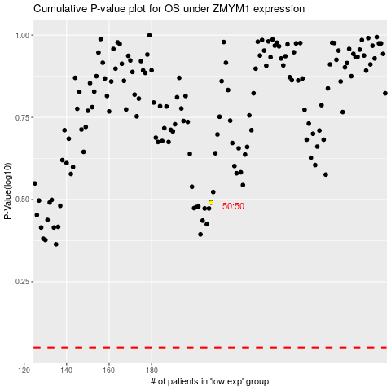

 |  |  |  |  |  | cases_OS | p_OS | rank | exp
 |  |  |  |  |  |  | cases_RFS | p_RFS | rank | exp

