ZMYM2 _multivariate
Reported by Tex Li-Hsing Chi. tex@gate.sinica.edu.tw 2019-08-14

Table 2. The clinicopathological features of HNSCC cohort and ZMYM2 expression. (Chi square test)
Cutoff at -0.167 (49.8%)
 |  | ZMYM2 expression |  | ZMYM2 expression |  | (Optimised)
 | Features | Low | (%) | High | (%) | Case no | P-value | Remark | Matthews
Gender | Female | 142 | 34.2 | 164 | 39.5 | 415 | 0.0238 | 1 | 0
2 | Male | 65 | 15.7 | 44 | 10.6
Age at diagnosis | <=65y | 137 | 33 | 137 | 33 | 415 | 1 | 0 | 0
4 | >65y | 70 | 16.9 | 71 | 17.1
Clinical T Status | T1+T2 | 74 | 17.8 | 75 | 18.1 | 415 | 1 | 0 | 0
6 | T3+T4 | 133 | 32 | 133 | 32
Clinical N Status | N0 | 108 | 26 | 108 | 26 | 415 | 1 | 0 | 0
8 | N1-3 | 99 | 23.9 | 100 | 24.1
Clinical M Status | M0 | 205 | 49.4 | 207 | 49.9 | 415 | 0.6232 | 0 | 0
10 | M1 | 2 | 0.5 | 1 | 0.2
Clinical Stage | Stage I+II | 48 | 11.6 | 54 | 13 | 415 | 0.5878 | 0 | 0
12 | Stage III+IV | 159 | 38.3 | 154 | 37.1
Surgical Margin status | Negative | 164 | 39.5 | 154 | 37.1 | 415 | 0.2462 | 0 | 0
14 | Positive | 43 | 10.4 | 54 | 13
Tobacco Exposure | Low | 93 | 22.4 | 68 | 16.4 | 415 | 0.0118 | 1 | 0
16 | High | 114 | 27.5 | 140 | 33.7

Table 3. Univariate/Multivariate Cox's proportional hazards regression analyses on OS time of ZMYM2 gene expression in HNSCC

 |  | Univariate |  |  |  | Multivariate
 | Features | HR | CI95%(L) | CI95%(H) | P-value | HR | CI95%(L) | CI95%(H) | P-value
1 | Female | 1 |  |  |  | 1
Gender | Male | 1.157 | 0.843 | 1.587 | 0.367 | 1.22 | 0.872 | 1.707 | 0.247
11 | <=65y | 1 |  |  |  | 1
Age at diagnosis | >65y | 1.329 | 0.99 | 1.784 | 0.058 | 1.378 | 1.013 | 1.875 | 0.041
12 | T1+T2 | 1 |  |  |  | 1
Clinical T Status | T3+T4 | 1.409 | 1.028 | 1.931 | 0.033 | 2.194 | 1.16 | 4.151 | 0.016
13 | N0 | 1 |  |  |  | 1
Clinical N Status | N1-3 | 1.185 | 0.89 | 1.577 | 0.246 | 1.243 | 0.871 | 1.774 | 0.23
14 | M0 | 1 |  |  |  | 1
Clinical M Status | M1 | 4.097 | 1.009 | 16.644 | 0.049 | 9.8 | 2.132 | 45.047 | 0.003
15 | Stage I+II | 1 |  |  |  | 1
Clinical Stage | Stage III+IV | 1.245 | 0.882 | 1.759 | 0.213 | 0.507 | 0.236 | 1.088 | 0.081
16 | Negative | 1 |  |  |  | 1
Surgical Margin status | Positive | 1.591 | 1.155 | 2.191 | 0.004 | 1.687 | 1.22 | 2.333 | 0.002
17 | Low | 1 |  |  |  | 1
Tobacco Exposure | High | 1.364 | 1.008 | 1.844 | 0.044 | 1.442 | 1.046 | 1.987 | 0.025
18 | Low | 1 |  |  |  | 1
RNAseq(z-score) | High | 1.122 | 0.841 | 1.496 | 0.434 | 1.144 | 0.854 | 1.533 | 0.368

Table 4. Univariate/Multivariate Cox's proportional hazards regression analyses on RFS time of ZMYM2 gene expression in HNSCC

 |  | Univariate |  |  |  | Multivariate
 | Features | HR | CI95%(L) | CI95%(H) | P-value | HR | CI95%(L) | CI95%(H) | P-value
1 | Female | 1 |  |  |  | 1
Gender | Male | 1.157 | 0.843 | 1.587 | 0.367 | 1.22 | 0.872 | 1.707 | 0.247
11 | <=65y | 1 |  |  |  | 1
Age at diagnosis | >65y | 1.329 | 0.99 | 1.784 | 0.058 | 1.378 | 1.013 | 1.875 | 0.041
12 | T1+T2 | 1 |  |  |  | 1
Clinical T Status | T3+T4 | 1.409 | 1.028 | 1.931 | 0.033 | 2.194 | 1.16 | 4.151 | 0.016
13 | N0 | 1 |  |  |  | 1
Clinical N Status | N1-3 | 1.185 | 0.89 | 1.577 | 0.246 | 1.243 | 0.871 | 1.774 | 0.23
14 | M0 | 1 |  |  |  | 1
Clinical M Status | M1 | 4.097 | 1.009 | 16.644 | 0.049 | 9.8 | 2.132 | 45.047 | 0.003
15 | Stage I+II | 1 |  |  |  | 1
Clinical Stage | Stage III+IV | 1.245 | 0.882 | 1.759 | 0.213 | 0.507 | 0.236 | 1.088 | 0.081
16 | Negative | 1 |  |  |  | 1
Surgical Margin status | Positive | 1.591 | 1.155 | 2.191 | 0.004 | 1.687 | 1.22 | 2.333 | 0.002
17 | Low | 1 |  |  |  | 1
Tobacco Exposure | High | 1.364 | 1.008 | 1.844 | 0.044 | 1.442 | 1.046 | 1.987 | 0.025
18 | Low | 1 |  |  |  | 1
RNAseq(z-score) | High | 1.122 | 0.841 | 1.496 | 0.434 | 1.144 | 0.854 | 1.533 | 0.368

Kaplan-Meier survival estimate: Cutoff at -0.167 (49.8%)



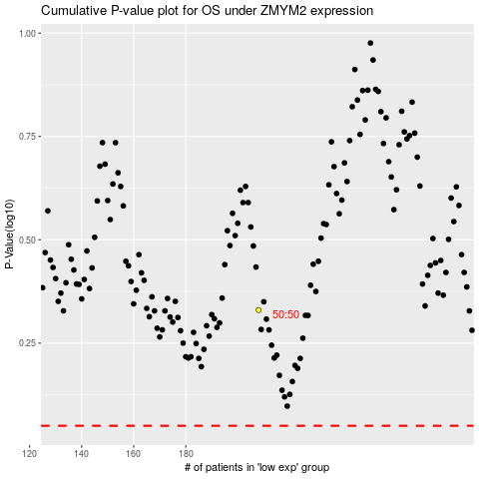

 |  |  |  |  |  | cases_OS | p_OS | rank | exp
 |  |  |  |  |  |  | cases_RFS | p_RFS | rank | exp

