ZMYM3 _multivariate
Reported by Tex Li-Hsing Chi. tex@gate.sinica.edu.tw 2019-08-14

Table 2. The clinicopathological features of HNSCC cohort and ZMYM3 expression. (Chi square test)
Cutoff at -0.175 (49.8%)
 |  | ZMYM3 expression |  | ZMYM3 expression |  | (Optimised)
 | Features | Low | (%) | High | (%) | Case no | P-value | Remark | Matthews
Gender | Female | 145 | 34.9 | 161 | 38.8 | 415 | 0.1116 | 0 | 0
2 | Male | 62 | 14.9 | 47 | 11.3
Age at diagnosis | <=65y | 131 | 31.6 | 143 | 34.5 | 415 | 0.2839 | 0 | 0
4 | >65y | 76 | 18.3 | 65 | 15.7
Clinical T Status | T1+T2 | 63 | 15.2 | 86 | 20.7 | 415 | 0.0268 | 1 | 0
6 | T3+T4 | 144 | 34.7 | 122 | 29.4
Clinical N Status | N0 | 109 | 26.3 | 107 | 25.8 | 415 | 0.8812 | 0 | 0
8 | N1-3 | 98 | 23.6 | 101 | 24.3
Clinical M Status | M0 | 205 | 49.4 | 207 | 49.9 | 415 | 0.6232 | 0 | 0
10 | M1 | 2 | 0.5 | 1 | 0.2
Clinical Stage | Stage I+II | 46 | 11.1 | 56 | 13.5 | 415 | 0.3182 | 0 | 0
12 | Stage III+IV | 161 | 38.8 | 152 | 36.6
Surgical Margin status | Negative | 161 | 38.8 | 157 | 37.8 | 415 | 0.6429 | 0 | 0
14 | Positive | 46 | 11.1 | 51 | 12.3
Tobacco Exposure | Low | 75 | 18.1 | 86 | 20.7 | 415 | 0.3141 | 0 | 0
16 | High | 132 | 31.8 | 122 | 29.4

Table 3. Univariate/Multivariate Cox's proportional hazards regression analyses on OS time of ZMYM3 gene expression in HNSCC

 |  | Univariate |  |  |  | Multivariate
 | Features | HR | CI95%(L) | CI95%(H) | P-value | HR | CI95%(L) | CI95%(H) | P-value
1 | Female | 1 |  |  |  | 1
Gender | Male | 1.157 | 0.843 | 1.587 | 0.367 | 1.224 | 0.876 | 1.712 | 0.237
11 | <=65y | 1 |  |  |  | 1
Age at diagnosis | >65y | 1.329 | 0.99 | 1.784 | 0.058 | 1.419 | 1.042 | 1.931 | 0.026
12 | T1+T2 | 1 |  |  |  | 1
Clinical T Status | T3+T4 | 1.409 | 1.028 | 1.931 | 0.033 | 2.328 | 1.226 | 4.422 | 0.01
13 | N0 | 1 |  |  |  | 1
Clinical N Status | N1-3 | 1.185 | 0.89 | 1.577 | 0.246 | 1.254 | 0.878 | 1.79 | 0.213
14 | M0 | 1 |  |  |  | 1
Clinical M Status | M1 | 4.097 | 1.009 | 16.644 | 0.049 | 10.069 | 2.19 | 46.297 | 0.003
15 | Stage I+II | 1 |  |  |  | 1
Clinical Stage | Stage III+IV | 1.245 | 0.882 | 1.759 | 0.213 | 0.482 | 0.224 | 1.038 | 0.062
16 | Negative | 1 |  |  |  | 1
Surgical Margin status | Positive | 1.591 | 1.155 | 2.191 | 0.004 | 1.665 | 1.205 | 2.301 | 0.002
17 | Low | 1 |  |  |  | 1
Tobacco Exposure | High | 1.364 | 1.008 | 1.844 | 0.044 | 1.474 | 1.069 | 2.031 | 0.018
18 | Low | 1 |  |  |  | 1
RNAseq(z-score) | High | 1.139 | 0.855 | 1.518 | 0.374 | 1.257 | 0.939 | 1.683 | 0.125

Table 4. Univariate/Multivariate Cox's proportional hazards regression analyses on RFS time of ZMYM3 gene expression in HNSCC

 |  | Univariate |  |  |  | Multivariate
 | Features | HR | CI95%(L) | CI95%(H) | P-value | HR | CI95%(L) | CI95%(H) | P-value
1 | Female | 1 |  |  |  | 1
Gender | Male | 1.157 | 0.843 | 1.587 | 0.367 | 1.224 | 0.876 | 1.712 | 0.237
11 | <=65y | 1 |  |  |  | 1
Age at diagnosis | >65y | 1.329 | 0.99 | 1.784 | 0.058 | 1.419 | 1.042 | 1.931 | 0.026
12 | T1+T2 | 1 |  |  |  | 1
Clinical T Status | T3+T4 | 1.409 | 1.028 | 1.931 | 0.033 | 2.328 | 1.226 | 4.422 | 0.01
13 | N0 | 1 |  |  |  | 1
Clinical N Status | N1-3 | 1.185 | 0.89 | 1.577 | 0.246 | 1.254 | 0.878 | 1.79 | 0.213
14 | M0 | 1 |  |  |  | 1
Clinical M Status | M1 | 4.097 | 1.009 | 16.644 | 0.049 | 10.069 | 2.19 | 46.297 | 0.003
15 | Stage I+II | 1 |  |  |  | 1
Clinical Stage | Stage III+IV | 1.245 | 0.882 | 1.759 | 0.213 | 0.482 | 0.224 | 1.038 | 0.062
16 | Negative | 1 |  |  |  | 1
Surgical Margin status | Positive | 1.591 | 1.155 | 2.191 | 0.004 | 1.665 | 1.205 | 2.301 | 0.002
17 | Low | 1 |  |  |  | 1
Tobacco Exposure | High | 1.364 | 1.008 | 1.844 | 0.044 | 1.474 | 1.069 | 2.031 | 0.018
18 | Low | 1 |  |  |  | 1
RNAseq(z-score) | High | 1.139 | 0.855 | 1.518 | 0.374 | 1.257 | 0.939 | 1.683 | 0.125

Kaplan-Meier survival estimate: Cutoff at -0.175 (49.8%)

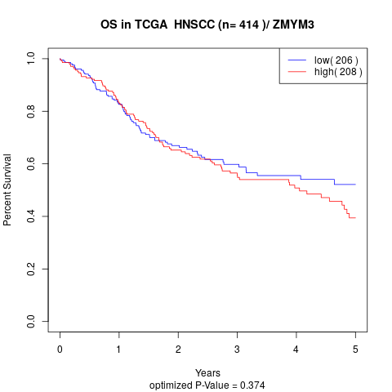

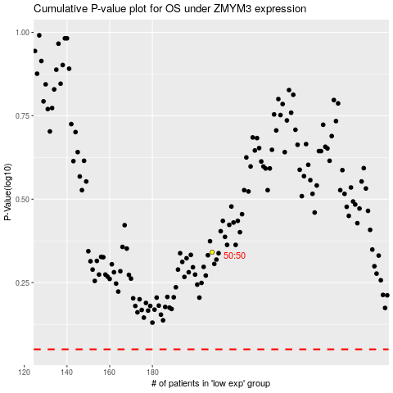

 |  |  |  |  |  | cases_OS | p_OS | rank | exp
 |  |  |  |  |  |  | cases_RFS | p_RFS | rank | exp

