ZMYM5 _multivariate
Reported by Tex Li-Hsing Chi. tex@gate.sinica.edu.tw 2019-08-14

Table 2. The clinicopathological features of HNSCC cohort and ZMYM5 expression. (Chi square test)
Cutoff at -0.188 (49.8%)
 |  | ZMYM5 expression |  | ZMYM5 expression |  | (Optimised)
 | Features | Low | (%) | High | (%) | Case no | P-value | Remark | Matthews
Gender | Female | 149 | 35.9 | 157 | 37.8 | 415 | 0.4848 | 0 | 0
2 | Male | 58 | 14 | 51 | 12.3
Age at diagnosis | <=65y | 140 | 33.7 | 134 | 32.3 | 415 | 0.5574 | 0 | 0
4 | >65y | 67 | 16.1 | 74 | 17.8
Clinical T Status | T1+T2 | 71 | 17.1 | 78 | 18.8 | 415 | 0.5638 | 0 | 0
6 | T3+T4 | 136 | 32.8 | 130 | 31.3
Clinical N Status | N0 | 101 | 24.3 | 115 | 27.7 | 415 | 0.2201 | 0 | 0
8 | N1-3 | 106 | 25.5 | 93 | 22.4
Clinical M Status | M0 | 206 | 49.6 | 206 | 49.6 | 415 | 1 | 0 | 0
10 | M1 | 1 | 0.2 | 2 | 0.5
Clinical Stage | Stage I+II | 47 | 11.3 | 55 | 13.3 | 415 | 0.4413 | 0 | 0
12 | Stage III+IV | 160 | 38.6 | 153 | 36.9
Surgical Margin status | Negative | 165 | 39.8 | 153 | 36.9 | 415 | 0.1639 | 0 | 0
14 | Positive | 42 | 10.1 | 55 | 13.3
Tobacco Exposure | Low | 81 | 19.5 | 80 | 19.3 | 415 | 0.9199 | 0 | 0
16 | High | 126 | 30.4 | 128 | 30.8

Table 3. Univariate/Multivariate Cox's proportional hazards regression analyses on OS time of ZMYM5 gene expression in HNSCC

 |  | Univariate |  |  |  | Multivariate
 | Features | HR | CI95%(L) | CI95%(H) | P-value | HR | CI95%(L) | CI95%(H) | P-value
1 | Female | 1 |  |  |  | 1
Gender | Male | 1.157 | 0.843 | 1.587 | 0.367 | 1.207 | 0.861 | 1.691 | 0.274
11 | <=65y | 1 |  |  |  | 1
Age at diagnosis | >65y | 1.329 | 0.99 | 1.784 | 0.058 | 1.389 | 1.021 | 1.889 | 0.036
12 | T1+T2 | 1 |  |  |  | 1
Clinical T Status | T3+T4 | 1.409 | 1.028 | 1.931 | 0.033 | 2.197 | 1.162 | 4.157 | 0.016
13 | N0 | 1 |  |  |  | 1
Clinical N Status | N1-3 | 1.185 | 0.89 | 1.577 | 0.246 | 1.242 | 0.871 | 1.773 | 0.232
14 | M0 | 1 |  |  |  | 1
Clinical M Status | M1 | 4.097 | 1.009 | 16.644 | 0.049 | 9.373 | 2.044 | 42.982 | 0.004
15 | Stage I+II | 1 |  |  |  | 1
Clinical Stage | Stage III+IV | 1.245 | 0.882 | 1.759 | 0.213 | 0.505 | 0.235 | 1.083 | 0.079
16 | Negative | 1 |  |  |  | 1
Surgical Margin status | Positive | 1.591 | 1.155 | 2.191 | 0.004 | 1.667 | 1.205 | 2.306 | 0.002
17 | Low | 1 |  |  |  | 1
Tobacco Exposure | High | 1.364 | 1.008 | 1.844 | 0.044 | 1.455 | 1.056 | 2.006 | 0.022
18 | Low | 1 |  |  |  | 1
RNAseq(z-score) | High | 1.04 | 0.78 | 1.388 | 0.788 | 1.029 | 0.767 | 1.379 | 0.85

Table 4. Univariate/Multivariate Cox's proportional hazards regression analyses on RFS time of ZMYM5 gene expression in HNSCC

 |  | Univariate |  |  |  | Multivariate
 | Features | HR | CI95%(L) | CI95%(H) | P-value | HR | CI95%(L) | CI95%(H) | P-value
1 | Female | 1 |  |  |  | 1
Gender | Male | 1.157 | 0.843 | 1.587 | 0.367 | 1.207 | 0.861 | 1.691 | 0.274
11 | <=65y | 1 |  |  |  | 1
Age at diagnosis | >65y | 1.329 | 0.99 | 1.784 | 0.058 | 1.389 | 1.021 | 1.889 | 0.036
12 | T1+T2 | 1 |  |  |  | 1
Clinical T Status | T3+T4 | 1.409 | 1.028 | 1.931 | 0.033 | 2.197 | 1.162 | 4.157 | 0.016
13 | N0 | 1 |  |  |  | 1
Clinical N Status | N1-3 | 1.185 | 0.89 | 1.577 | 0.246 | 1.242 | 0.871 | 1.773 | 0.232
14 | M0 | 1 |  |  |  | 1
Clinical M Status | M1 | 4.097 | 1.009 | 16.644 | 0.049 | 9.373 | 2.044 | 42.982 | 0.004
15 | Stage I+II | 1 |  |  |  | 1
Clinical Stage | Stage III+IV | 1.245 | 0.882 | 1.759 | 0.213 | 0.505 | 0.235 | 1.083 | 0.079
16 | Negative | 1 |  |  |  | 1
Surgical Margin status | Positive | 1.591 | 1.155 | 2.191 | 0.004 | 1.667 | 1.205 | 2.306 | 0.002
17 | Low | 1 |  |  |  | 1
Tobacco Exposure | High | 1.364 | 1.008 | 1.844 | 0.044 | 1.455 | 1.056 | 2.006 | 0.022
18 | Low | 1 |  |  |  | 1
RNAseq(z-score) | High | 1.04 | 0.78 | 1.388 | 0.788 | 1.029 | 0.767 | 1.379 | 0.85

Kaplan-Meier survival estimate: Cutoff at -0.188 (49.8%)



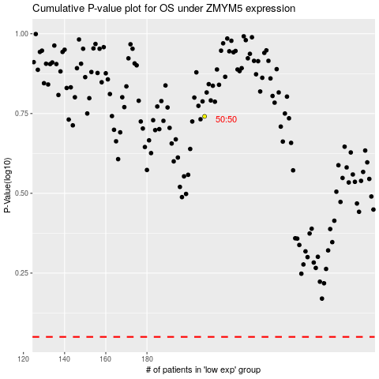

 |  |  |  |  |  | cases_OS | p_OS | rank | exp
 |  |  |  |  |  |  | cases_RFS | p_RFS | rank | exp

