ZMYND15 _multivariate
Reported by Tex Li-Hsing Chi. tex@gate.sinica.edu.tw 2019-08-14

Table 2. The clinicopathological features of HNSCC cohort and ZMYND15 expression. (Chi square test)
Cutoff at -0.355 (49.8%)
 |  | ZMYND15 expression |  | ZMYND15 expression |  | (Optimised)
 | Features | Low | (%) | High | (%) | Case no | P-value | Remark | Matthews
Gender | Female | 157 | 37.8 | 149 | 35.9 | 415 | 0.3881 | 0 | 0
2 | Male | 50 | 12 | 59 | 14.2
Age at diagnosis | <=65y | 146 | 35.2 | 128 | 30.8 | 415 | 0.0672 | 0 | 0
4 | >65y | 61 | 14.7 | 80 | 19.3
Clinical T Status | T1+T2 | 80 | 19.3 | 69 | 16.6 | 415 | 0.2891 | 0 | 0
6 | T3+T4 | 127 | 30.6 | 139 | 33.5
Clinical N Status | N0 | 115 | 27.7 | 101 | 24.3 | 415 | 0.184 | 1 | 0
8 | N1-3 | 92 | 22.2 | 107 | 25.8
Clinical M Status | M0 | 206 | 49.6 | 206 | 49.6 | 415 | 1 | 0 | 0
10 | M1 | 1 | 0.2 | 2 | 0.5
Clinical Stage | Stage I+II | 61 | 14.7 | 41 | 9.9 | 415 | 0.0282 | 1 | 0
12 | Stage III+IV | 146 | 35.2 | 167 | 40.2
Surgical Margin status | Negative | 162 | 39 | 156 | 37.6 | 415 | 0.4867 | 0 | 0
14 | Positive | 45 | 10.8 | 52 | 12.5
Tobacco Exposure | Low | 73 | 17.6 | 88 | 21.2 | 415 | 0.1587 | 0 | 0
16 | High | 134 | 32.3 | 120 | 28.9

Table 3. Univariate/Multivariate Cox's proportional hazards regression analyses on OS time of ZMYND15 gene expression in HNSCC

 |  | Univariate |  |  |  | Multivariate
 | Features | HR | CI95%(L) | CI95%(H) | P-value | HR | CI95%(L) | CI95%(H) | P-value
1 | Female | 1 |  |  |  | 1
Gender | Male | 1.157 | 0.843 | 1.587 | 0.367 | 1.203 | 0.861 | 1.68 | 0.28
11 | <=65y | 1 |  |  |  | 1
Age at diagnosis | >65y | 1.329 | 0.99 | 1.784 | 0.058 | 1.388 | 1.02 | 1.889 | 0.037
12 | T1+T2 | 1 |  |  |  | 1
Clinical T Status | T3+T4 | 1.409 | 1.028 | 1.931 | 0.033 | 2.209 | 1.168 | 4.178 | 0.015
13 | N0 | 1 |  |  |  | 1
Clinical N Status | N1-3 | 1.185 | 0.89 | 1.577 | 0.246 | 1.24 | 0.869 | 1.769 | 0.235
14 | M0 | 1 |  |  |  | 1
Clinical M Status | M1 | 4.097 | 1.009 | 16.644 | 0.049 | 9.343 | 2.036 | 42.877 | 0.004
15 | Stage I+II | 1 |  |  |  | 1
Clinical Stage | Stage III+IV | 1.245 | 0.882 | 1.759 | 0.213 | 0.502 | 0.234 | 1.079 | 0.078
16 | Negative | 1 |  |  |  | 1
Surgical Margin status | Positive | 1.591 | 1.155 | 2.191 | 0.004 | 1.666 | 1.204 | 2.305 | 0.002
17 | Low | 1 |  |  |  | 1
Tobacco Exposure | High | 1.364 | 1.008 | 1.844 | 0.044 | 1.456 | 1.056 | 2.007 | 0.022
18 | Low | 1 |  |  |  | 1
RNAseq(z-score) | High | 1.084 | 0.814 | 1.444 | 0.581 | 1.034 | 0.773 | 1.383 | 0.821

Table 4. Univariate/Multivariate Cox's proportional hazards regression analyses on RFS time of ZMYND15 gene expression in HNSCC

 |  | Univariate |  |  |  | Multivariate
 | Features | HR | CI95%(L) | CI95%(H) | P-value | HR | CI95%(L) | CI95%(H) | P-value
1 | Female | 1 |  |  |  | 1
Gender | Male | 1.157 | 0.843 | 1.587 | 0.367 | 1.203 | 0.861 | 1.68 | 0.28
11 | <=65y | 1 |  |  |  | 1
Age at diagnosis | >65y | 1.329 | 0.99 | 1.784 | 0.058 | 1.388 | 1.02 | 1.889 | 0.037
12 | T1+T2 | 1 |  |  |  | 1
Clinical T Status | T3+T4 | 1.409 | 1.028 | 1.931 | 0.033 | 2.209 | 1.168 | 4.178 | 0.015
13 | N0 | 1 |  |  |  | 1
Clinical N Status | N1-3 | 1.185 | 0.89 | 1.577 | 0.246 | 1.24 | 0.869 | 1.769 | 0.235
14 | M0 | 1 |  |  |  | 1
Clinical M Status | M1 | 4.097 | 1.009 | 16.644 | 0.049 | 9.343 | 2.036 | 42.877 | 0.004
15 | Stage I+II | 1 |  |  |  | 1
Clinical Stage | Stage III+IV | 1.245 | 0.882 | 1.759 | 0.213 | 0.502 | 0.234 | 1.079 | 0.078
16 | Negative | 1 |  |  |  | 1
Surgical Margin status | Positive | 1.591 | 1.155 | 2.191 | 0.004 | 1.666 | 1.204 | 2.305 | 0.002
17 | Low | 1 |  |  |  | 1
Tobacco Exposure | High | 1.364 | 1.008 | 1.844 | 0.044 | 1.456 | 1.056 | 2.007 | 0.022
18 | Low | 1 |  |  |  | 1
RNAseq(z-score) | High | 1.084 | 0.814 | 1.444 | 0.581 | 1.034 | 0.773 | 1.383 | 0.821

Kaplan-Meier survival estimate: Cutoff at -0.355 (49.8%)



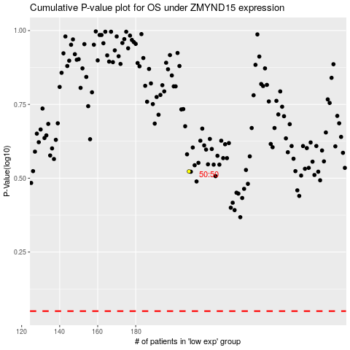

 |  |  |  |  |  | cases_OS | p_OS | rank | exp
 |  |  |  |  |  |  | cases_RFS | p_RFS | rank | exp

