ZMYND8 _multivariate
Reported by Tex Li-Hsing Chi. tex@gate.sinica.edu.tw 2019-08-14

Table 2. The clinicopathological features of HNSCC cohort and ZMYND8 expression. (Chi square test)
Cutoff at -0.235 (49.8%)
 |  | ZMYND8 expression |  | ZMYND8 expression |  | (Optimised)
 | Features | Low | (%) | High | (%) | Case no | P-value | Remark | Matthews
Gender | Female | 148 | 35.7 | 158 | 38.1 | 415 | 0.3567 | 0 | 0
2 | Male | 59 | 14.2 | 50 | 12
Age at diagnosis | <=65y | 131 | 31.6 | 143 | 34.5 | 415 | 0.2839 | 0 | 0
4 | >65y | 76 | 18.3 | 65 | 15.7
Clinical T Status | T1+T2 | 85 | 20.5 | 64 | 15.4 | 415 | 0.0372 | 1 | 0
6 | T3+T4 | 122 | 29.4 | 144 | 34.7
Clinical N Status | N0 | 105 | 25.3 | 111 | 26.7 | 415 | 0.6598 | 0 | 0
8 | N1-3 | 102 | 24.6 | 97 | 23.4
Clinical M Status | M0 | 205 | 49.4 | 207 | 49.9 | 415 | 0.6232 | 0 | 0
10 | M1 | 2 | 0.5 | 1 | 0.2
Clinical Stage | Stage I+II | 58 | 14 | 44 | 10.6 | 415 | 0.131 | 0 | 0
12 | Stage III+IV | 149 | 35.9 | 164 | 39.5
Surgical Margin status | Negative | 155 | 37.3 | 163 | 39.3 | 415 | 0.4187 | 0 | 0
14 | Positive | 52 | 12.5 | 45 | 10.8
Tobacco Exposure | Low | 96 | 23.1 | 65 | 15.7 | 415 | 0.0018 | 1 | 0
16 | High | 111 | 26.7 | 143 | 34.5

Table 3. Univariate/Multivariate Cox's proportional hazards regression analyses on OS time of ZMYND8 gene expression in HNSCC

 |  | Univariate |  |  |  | Multivariate
 | Features | HR | CI95%(L) | CI95%(H) | P-value | HR | CI95%(L) | CI95%(H) | P-value
1 | Female | 1 |  |  |  | 1
Gender | Male | 1.157 | 0.843 | 1.587 | 0.367 | 1.199 | 0.858 | 1.676 | 0.287
11 | <=65y | 1 |  |  |  | 1
Age at diagnosis | >65y | 1.329 | 0.99 | 1.784 | 0.058 | 1.397 | 1.027 | 1.901 | 0.033
12 | T1+T2 | 1 |  |  |  | 1
Clinical T Status | T3+T4 | 1.409 | 1.028 | 1.931 | 0.033 | 2.206 | 1.167 | 4.171 | 0.015
13 | N0 | 1 |  |  |  | 1
Clinical N Status | N1-3 | 1.185 | 0.89 | 1.577 | 0.246 | 1.246 | 0.873 | 1.78 | 0.226
14 | M0 | 1 |  |  |  | 1
Clinical M Status | M1 | 4.097 | 1.009 | 16.644 | 0.049 | 9.573 | 2.081 | 44.035 | 0.004
15 | Stage I+II | 1 |  |  |  | 1
Clinical Stage | Stage III+IV | 1.245 | 0.882 | 1.759 | 0.213 | 0.498 | 0.231 | 1.073 | 0.075
16 | Negative | 1 |  |  |  | 1
Surgical Margin status | Positive | 1.591 | 1.155 | 2.191 | 0.004 | 1.679 | 1.214 | 2.323 | 0.002
17 | Low | 1 |  |  |  | 1
Tobacco Exposure | High | 1.364 | 1.008 | 1.844 | 0.044 | 1.442 | 1.043 | 1.993 | 0.027
18 | Low | 1 |  |  |  | 1
RNAseq(z-score) | High | 1.033 | 0.774 | 1.378 | 0.825 | 1.053 | 0.782 | 1.419 | 0.734

Table 4. Univariate/Multivariate Cox's proportional hazards regression analyses on RFS time of ZMYND8 gene expression in HNSCC

 |  | Univariate |  |  |  | Multivariate
 | Features | HR | CI95%(L) | CI95%(H) | P-value | HR | CI95%(L) | CI95%(H) | P-value
1 | Female | 1 |  |  |  | 1
Gender | Male | 1.157 | 0.843 | 1.587 | 0.367 | 1.199 | 0.858 | 1.676 | 0.287
11 | <=65y | 1 |  |  |  | 1
Age at diagnosis | >65y | 1.329 | 0.99 | 1.784 | 0.058 | 1.397 | 1.027 | 1.901 | 0.033
12 | T1+T2 | 1 |  |  |  | 1
Clinical T Status | T3+T4 | 1.409 | 1.028 | 1.931 | 0.033 | 2.206 | 1.167 | 4.171 | 0.015
13 | N0 | 1 |  |  |  | 1
Clinical N Status | N1-3 | 1.185 | 0.89 | 1.577 | 0.246 | 1.246 | 0.873 | 1.78 | 0.226
14 | M0 | 1 |  |  |  | 1
Clinical M Status | M1 | 4.097 | 1.009 | 16.644 | 0.049 | 9.573 | 2.081 | 44.035 | 0.004
15 | Stage I+II | 1 |  |  |  | 1
Clinical Stage | Stage III+IV | 1.245 | 0.882 | 1.759 | 0.213 | 0.498 | 0.231 | 1.073 | 0.075
16 | Negative | 1 |  |  |  | 1
Surgical Margin status | Positive | 1.591 | 1.155 | 2.191 | 0.004 | 1.679 | 1.214 | 2.323 | 0.002
17 | Low | 1 |  |  |  | 1
Tobacco Exposure | High | 1.364 | 1.008 | 1.844 | 0.044 | 1.442 | 1.043 | 1.993 | 0.027
18 | Low | 1 |  |  |  | 1
RNAseq(z-score) | High | 1.033 | 0.774 | 1.378 | 0.825 | 1.053 | 0.782 | 1.419 | 0.734

Kaplan-Meier survival estimate: Cutoff at -0.235 (49.8%)



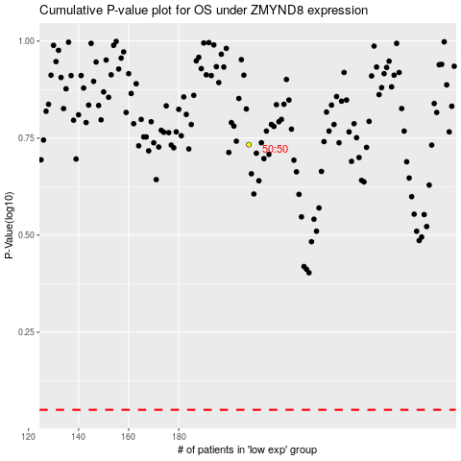

 |  |  |  |  |  | cases_OS | p_OS | rank | exp
 |  |  |  |  |  |  | cases_RFS | p_RFS | rank | exp

