ZNF12 _multivariate
Reported by Tex Li-Hsing Chi. tex@gate.sinica.edu.tw 2019-08-14

Table 2. The clinicopathological features of HNSCC cohort and ZNF12 expression. (Chi square test)
Cutoff at -0.151 (49.8%)
 |  | ZNF12 expression |  | ZNF12 expression |  | (Optimised)
 | Features | Low | (%) | High | (%) | Case no | P-value | Remark | Matthews
Gender | Female | 140 | 33.7 | 166 | 40 | 415 | 0.0068 | 1 | 0
2 | Male | 67 | 16.1 | 42 | 10.1
Age at diagnosis | <=65y | 133 | 32 | 141 | 34 | 415 | 0.5111 | 0 | 0
4 | >65y | 74 | 17.8 | 67 | 16.1
Clinical T Status | T1+T2 | 76 | 18.3 | 73 | 17.6 | 415 | 0.8092 | 0 | 0
6 | T3+T4 | 131 | 31.6 | 135 | 32.5
Clinical N Status | N0 | 110 | 26.5 | 106 | 25.5 | 415 | 0.7294 | 0 | 0
8 | N1-3 | 97 | 23.4 | 102 | 24.6
Clinical M Status | M0 | 207 | 49.9 | 205 | 49.4 | 415 | 0.2482 | 0 | 0
10 | M1 | 0 | 0 | 3 | 0.7
Clinical Stage | Stage I+II | 49 | 11.8 | 53 | 12.8 | 415 | 0.7535 | 0 | 0
12 | Stage III+IV | 158 | 38.1 | 155 | 37.3
Surgical Margin status | Negative | 157 | 37.8 | 161 | 38.8 | 415 | 0.729 | 0 | 0
14 | Positive | 50 | 12 | 47 | 11.3
Tobacco Exposure | Low | 95 | 22.9 | 66 | 15.9 | 415 | 0.0035 | 1 | 0
16 | High | 112 | 27 | 142 | 34.2

Table 3. Univariate/Multivariate Cox's proportional hazards regression analyses on OS time of ZNF12 gene expression in HNSCC

 |  | Univariate |  |  |  | Multivariate
 | Features | HR | CI95%(L) | CI95%(H) | P-value | HR | CI95%(L) | CI95%(H) | P-value
1 | Female | 1 |  |  |  | 1
Gender | Male | 1.157 | 0.843 | 1.587 | 0.367 | 1.215 | 0.867 | 1.704 | 0.258
11 | <=65y | 1 |  |  |  | 1
Age at diagnosis | >65y | 1.329 | 0.99 | 1.784 | 0.058 | 1.392 | 1.024 | 1.892 | 0.035
12 | T1+T2 | 1 |  |  |  | 1
Clinical T Status | T3+T4 | 1.409 | 1.028 | 1.931 | 0.033 | 2.184 | 1.153 | 4.134 | 0.016
13 | N0 | 1 |  |  |  | 1
Clinical N Status | N1-3 | 1.185 | 0.89 | 1.577 | 0.246 | 1.232 | 0.862 | 1.76 | 0.252
14 | M0 | 1 |  |  |  | 1
Clinical M Status | M1 | 4.097 | 1.009 | 16.644 | 0.049 | 9.087 | 1.968 | 41.967 | 0.005
15 | Stage I+II | 1 |  |  |  | 1
Clinical Stage | Stage III+IV | 1.245 | 0.882 | 1.759 | 0.213 | 0.511 | 0.238 | 1.1 | 0.086
16 | Negative | 1 |  |  |  | 1
Surgical Margin status | Positive | 1.591 | 1.155 | 2.191 | 0.004 | 1.673 | 1.211 | 2.312 | 0.002
17 | Low | 1 |  |  |  | 1
Tobacco Exposure | High | 1.364 | 1.008 | 1.844 | 0.044 | 1.447 | 1.05 | 1.995 | 0.024
18 | Low | 1 |  |  |  | 1
RNAseq(z-score) | High | 1.106 | 0.83 | 1.474 | 0.492 | 1.069 | 0.795 | 1.438 | 0.658

Table 4. Univariate/Multivariate Cox's proportional hazards regression analyses on RFS time of ZNF12 gene expression in HNSCC

 |  | Univariate |  |  |  | Multivariate
 | Features | HR | CI95%(L) | CI95%(H) | P-value | HR | CI95%(L) | CI95%(H) | P-value
1 | Female | 1 |  |  |  | 1
Gender | Male | 1.157 | 0.843 | 1.587 | 0.367 | 1.215 | 0.867 | 1.704 | 0.258
11 | <=65y | 1 |  |  |  | 1
Age at diagnosis | >65y | 1.329 | 0.99 | 1.784 | 0.058 | 1.392 | 1.024 | 1.892 | 0.035
12 | T1+T2 | 1 |  |  |  | 1
Clinical T Status | T3+T4 | 1.409 | 1.028 | 1.931 | 0.033 | 2.184 | 1.153 | 4.134 | 0.016
13 | N0 | 1 |  |  |  | 1
Clinical N Status | N1-3 | 1.185 | 0.89 | 1.577 | 0.246 | 1.232 | 0.862 | 1.76 | 0.252
14 | M0 | 1 |  |  |  | 1
Clinical M Status | M1 | 4.097 | 1.009 | 16.644 | 0.049 | 9.087 | 1.968 | 41.967 | 0.005
15 | Stage I+II | 1 |  |  |  | 1
Clinical Stage | Stage III+IV | 1.245 | 0.882 | 1.759 | 0.213 | 0.511 | 0.238 | 1.1 | 0.086
16 | Negative | 1 |  |  |  | 1
Surgical Margin status | Positive | 1.591 | 1.155 | 2.191 | 0.004 | 1.673 | 1.211 | 2.312 | 0.002
17 | Low | 1 |  |  |  | 1
Tobacco Exposure | High | 1.364 | 1.008 | 1.844 | 0.044 | 1.447 | 1.05 | 1.995 | 0.024
18 | Low | 1 |  |  |  | 1
RNAseq(z-score) | High | 1.106 | 0.83 | 1.474 | 0.492 | 1.069 | 0.795 | 1.438 | 0.658

Kaplan-Meier survival estimate: Cutoff at -0.151 (49.8%)



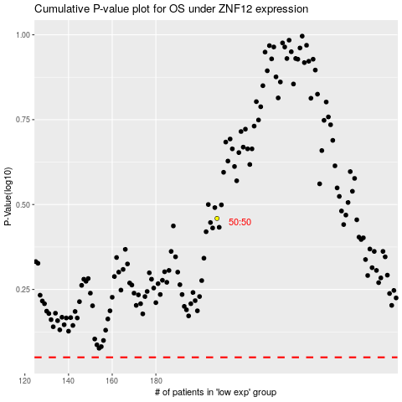

 |  |  |  |  |  | cases_OS | p_OS | rank | exp
 |  |  |  |  |  |  | cases_RFS | p_RFS | rank | exp

