ZNF121 _multivariate
Reported by Tex Li-Hsing Chi. tex@gate.sinica.edu.tw 2019-08-14

Table 2. The clinicopathological features of HNSCC cohort and ZNF121 expression. (Chi square test)
Cutoff at 0.329 (69.6%)
 |  | ZNF121 expression |  | ZNF121 expression |  | (Optimised)
 | Features | Low | (%) | High | (%) | Case no | P-value | Remark | Matthews
Gender | Female | 211 | 50.8 | 95 | 22.9 | 415 | 0.699 | 0 | 0
2 | Male | 78 | 18.8 | 31 | 7.5
Age at diagnosis | <=65y | 189 | 45.5 | 85 | 20.5 | 415 | 0.7678 | 0 | 0
4 | >65y | 100 | 24.1 | 41 | 9.9
Clinical T Status | T1+T2 | 109 | 26.3 | 40 | 9.6 | 415 | 0.2917 | 0 | 0
6 | T3+T4 | 180 | 43.4 | 86 | 20.7
Clinical N Status | N0 | 155 | 37.3 | 61 | 14.7 | 415 | 0.3832 | 0 | 0
8 | N1-3 | 134 | 32.3 | 65 | 15.7
Clinical M Status | M0 | 286 | 68.9 | 126 | 30.4 | 415 | 0.5566 | 0 | 0
10 | M1 | 3 | 0.7 | 0 | 0
Clinical Stage | Stage I+II | 77 | 18.6 | 25 | 6 | 415 | 0.1751 | 0 | 0
12 | Stage III+IV | 212 | 51.1 | 101 | 24.3
Surgical Margin status | Negative | 225 | 54.2 | 93 | 22.4 | 415 | 0.3793 | 0 | 0
14 | Positive | 64 | 15.4 | 33 | 8
Tobacco Exposure | Low | 123 | 29.6 | 38 | 9.2 | 415 | 0.0212 | 1 | 0
16 | High | 166 | 40 | 88 | 21.2

Table 3. Univariate/Multivariate Cox's proportional hazards regression analyses on OS time of ZNF121 gene expression in HNSCC

 |  | Univariate |  |  |  | Multivariate
 | Features | HR | CI95%(L) | CI95%(H) | P-value | HR | CI95%(L) | CI95%(H) | P-value
1 | Female | 1 |  |  |  | 1
Gender | Male | 1.157 | 0.843 | 1.587 | 0.367 | 1.167 | 0.835 | 1.629 | 0.366
11 | <=65y | 1 |  |  |  | 1
Age at diagnosis | >65y | 1.329 | 0.99 | 1.784 | 0.058 | 1.431 | 1.052 | 1.947 | 0.022
12 | T1+T2 | 1 |  |  |  | 1
Clinical T Status | T3+T4 | 1.409 | 1.028 | 1.931 | 0.033 | 2.273 | 1.2 | 4.306 | 0.012
13 | N0 | 1 |  |  |  | 1
Clinical N Status | N1-3 | 1.185 | 0.89 | 1.577 | 0.246 | 1.265 | 0.887 | 1.804 | 0.194
14 | M0 | 1 |  |  |  | 1
Clinical M Status | M1 | 4.097 | 1.009 | 16.644 | 0.049 | 8.318 | 1.811 | 38.218 | 0.006
15 | Stage I+II | 1 |  |  |  | 1
Clinical Stage | Stage III+IV | 1.245 | 0.882 | 1.759 | 0.213 | 0.507 | 0.236 | 1.088 | 0.081
16 | Negative | 1 |  |  |  | 1
Surgical Margin status | Positive | 1.591 | 1.155 | 2.191 | 0.004 | 1.721 | 1.244 | 2.38 | 0.001
17 | Low | 1 |  |  |  | 1
Tobacco Exposure | High | 1.364 | 1.008 | 1.844 | 0.044 | 1.47 | 1.067 | 2.025 | 0.019
18 | Low | 1 |  |  |  | 1
RNAseq(z-score) | High | 0.665 | 0.474 | 0.933 | 0.018 | 0.622 | 0.441 | 0.877 | 0.007

Table 4. Univariate/Multivariate Cox's proportional hazards regression analyses on RFS time of ZNF121 gene expression in HNSCC

 |  | Univariate |  |  |  | Multivariate
 | Features | HR | CI95%(L) | CI95%(H) | P-value | HR | CI95%(L) | CI95%(H) | P-value
1 | Female | 1 |  |  |  | 1
Gender | Male | 1.157 | 0.843 | 1.587 | 0.367 | 1.167 | 0.835 | 1.629 | 0.366
11 | <=65y | 1 |  |  |  | 1
Age at diagnosis | >65y | 1.329 | 0.99 | 1.784 | 0.058 | 1.431 | 1.052 | 1.947 | 0.022
12 | T1+T2 | 1 |  |  |  | 1
Clinical T Status | T3+T4 | 1.409 | 1.028 | 1.931 | 0.033 | 2.273 | 1.2 | 4.306 | 0.012
13 | N0 | 1 |  |  |  | 1
Clinical N Status | N1-3 | 1.185 | 0.89 | 1.577 | 0.246 | 1.265 | 0.887 | 1.804 | 0.194
14 | M0 | 1 |  |  |  | 1
Clinical M Status | M1 | 4.097 | 1.009 | 16.644 | 0.049 | 8.318 | 1.811 | 38.218 | 0.006
15 | Stage I+II | 1 |  |  |  | 1
Clinical Stage | Stage III+IV | 1.245 | 0.882 | 1.759 | 0.213 | 0.507 | 0.236 | 1.088 | 0.081
16 | Negative | 1 |  |  |  | 1
Surgical Margin status | Positive | 1.591 | 1.155 | 2.191 | 0.004 | 1.721 | 1.244 | 2.38 | 0.001
17 | Low | 1 |  |  |  | 1
Tobacco Exposure | High | 1.364 | 1.008 | 1.844 | 0.044 | 1.47 | 1.067 | 2.025 | 0.019
18 | Low | 1 |  |  |  | 1
RNAseq(z-score) | High | 0.665 | 0.474 | 0.933 | 0.018 | 0.622 | 0.441 | 0.877 | 0.007

Kaplan-Meier survival estimate: Cutoff at 0.329 (69.6%)

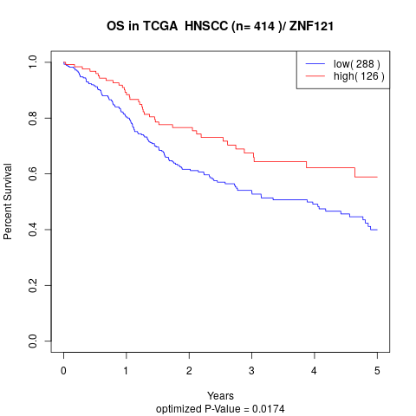

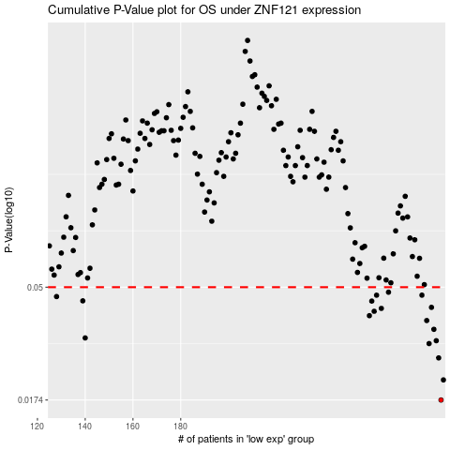

 |  |  |  |  |  | cases_OS | p_OS | rank | exp
 |  |  |  |  |  | 289 | 0.0174 | 134 | 0.3289014792
 |  |  |  |  |  | 290 | 0.021 | 385 | 0.32967478681
 |  |  |  |  |  | 288 | 0.0258 | 115 | 0.30946472905
 |  |  |  |  |  | 284 | 0.0295 | 110 | 0.25357438053
 |  |  |  |  |  | 287 | 0.0303 | 366 | 0.2896035779
 |  |  |  |  |  | 140 | 0.0311 | 205 | -0.45654440917
 |  |  |  |  |  | 286 | 0.0337 | 243 | 0.28599208852
 |  |  |  |  |  | 283 | 0.0366 | 215 | 0.25336218002
 |  |  |  |  |  | 259 | 0.0383 | 269 | 0.1132506751
 |  |  |  |  |  | 261 | 0.0399 | 37 | 0.1238178522
 |  |  |  |  |  | 264 | 0.041 | 219 | 0.14174879491
 |  |  |  |  |  | 285 | 0.0414 | 267 | 0.26161147468
 |  |  |  |  |  | 260 | 0.0439 | 72 | 0.1195126304
 |  |  |  |  |  | 139 | 0.044 | 283 | -0.45951113547
 |  |  |  |  |  | 128 | 0.0458 | 109 | -0.51539944361
 |  |  |  |  |  | 281 | 0.0464 | 147 | 0.24399067116
 |  |  |  |  |  | 262 | 0.0464 | 167 | 0.13173864414
 |  |  |  |  |  | 267 | 0.0477 | 22 | 0.15621515629
 |  |  |  |  |  |  | cases_RFS | p_RFS | rank | exp
 |  |  |  |  |  |  | 288 | 0.0174 | 115 | 0.30946472905
 |  |  |  |  |  |  | 289 | 0.021 | 134 | 0.3289014792
 |  |  |  |  |  |  | 287 | 0.0258 | 366 | 0.2896035779
 |  |  |  |  |  |  | 283 | 0.0295 | 215 | 0.25336218002
 |  |  |  |  |  |  | 286 | 0.0303 | 243 | 0.28599208852
 |  |  |  |  |  |  | 139 | 0.0311 | 283 | -0.45951113547
 |  |  |  |  |  |  | 285 | 0.0337 | 267 | 0.26161147468
 |  |  |  |  |  |  | 282 | 0.0366 | 261 | 0.24523938952
 |  |  |  |  |  |  | 258 | 0.0383 | 247 | 0.11256918502
 |  |  |  |  |  |  | 260 | 0.0399 | 72 | 0.1195126304
 |  |  |  |  |  |  | 263 | 0.041 | 138 | 0.14166105816
 |  |  |  |  |  |  | 284 | 0.0414 | 110 | 0.25357438053
 |  |  |  |  |  |  | 259 | 0.0439 | 269 | 0.1132506751
 |  |  |  |  |  |  | 138 | 0.044 | 208 | -0.4605517341
 |  |  |  |  |  |  | 127 | 0.0458 | 90 | -0.51778669929
 |  |  |  |  |  |  | 261 | 0.0464 | 37 | 0.1238178522
 |  |  |  |  |  |  | 280 | 0.0464 | 155 | 0.24013229466
 |  |  |  |  |  |  | 266 | 0.0477 | 211 | 0.14346272207

