ZNF124 _multivariate
Reported by Tex Li-Hsing Chi. tex@gate.sinica.edu.tw 2019-08-14

Table 2. The clinicopathological features of HNSCC cohort and ZNF124 expression. (Chi square test)
Cutoff at -0.533 (31.4%)
 |  | ZNF124 expression |  | ZNF124 expression |  | (Optimised)
 | Features | Low | (%) | High | (%) | Case no | P-value | Remark | Matthews
Gender | Female | 95 | 22.9 | 211 | 50.8 | 415 | 0.7931 | 0 | 0
2 | Male | 36 | 8.7 | 73 | 17.6
Age at diagnosis | <=65y | 85 | 20.5 | 189 | 45.5 | 415 | 0.825 | 0 | 0
4 | >65y | 46 | 11.1 | 95 | 22.9
Clinical T Status | T1+T2 | 53 | 12.8 | 96 | 23.1 | 415 | 0.2288 | 0 | 0
6 | T3+T4 | 78 | 18.8 | 188 | 45.3
Clinical N Status | N0 | 65 | 15.7 | 151 | 36.4 | 415 | 0.5706 | 0 | 0
8 | N1-3 | 66 | 15.9 | 133 | 32
Clinical M Status | M0 | 129 | 31.1 | 283 | 68.2 | 415 | 0.2354 | 0 | 0
10 | M1 | 2 | 0.5 | 1 | 0.2
Clinical Stage | Stage I+II | 32 | 7.7 | 70 | 16.9 | 415 | 1 | 0 | 0
12 | Stage III+IV | 99 | 23.9 | 214 | 51.6
Surgical Margin status | Negative | 99 | 23.9 | 219 | 52.8 | 415 | 0.803 | 0 | 0
14 | Positive | 32 | 7.7 | 65 | 15.7
Tobacco Exposure | Low | 66 | 15.9 | 95 | 22.9 | 415 | 0.0012 | 1 | 0
16 | High | 65 | 15.7 | 189 | 45.5

Table 3. Univariate/Multivariate Cox's proportional hazards regression analyses on OS time of ZNF124 gene expression in HNSCC

 |  | Univariate |  |  |  | Multivariate
 | Features | HR | CI95%(L) | CI95%(H) | P-value | HR | CI95%(L) | CI95%(H) | P-value
1 | Female | 1 |  |  |  | 1
Gender | Male | 1.157 | 0.843 | 1.587 | 0.367 | 1.199 | 0.857 | 1.677 | 0.29
11 | <=65y | 1 |  |  |  | 1
Age at diagnosis | >65y | 1.329 | 0.99 | 1.784 | 0.058 | 1.366 | 1.005 | 1.856 | 0.046
12 | T1+T2 | 1 |  |  |  | 1
Clinical T Status | T3+T4 | 1.409 | 1.028 | 1.931 | 0.033 | 2.237 | 1.184 | 4.227 | 0.013
13 | N0 | 1 |  |  |  | 1
Clinical N Status | N1-3 | 1.185 | 0.89 | 1.577 | 0.246 | 1.225 | 0.859 | 1.748 | 0.262
14 | M0 | 1 |  |  |  | 1
Clinical M Status | M1 | 4.097 | 1.009 | 16.644 | 0.049 | 8.126 | 1.763 | 37.464 | 0.007
15 | Stage I+II | 1 |  |  |  | 1
Clinical Stage | Stage III+IV | 1.245 | 0.882 | 1.759 | 0.213 | 0.493 | 0.23 | 1.058 | 0.07
16 | Negative | 1 |  |  |  | 1
Surgical Margin status | Positive | 1.591 | 1.155 | 2.191 | 0.004 | 1.64 | 1.186 | 2.268 | 0.003
17 | Low | 1 |  |  |  | 1
Tobacco Exposure | High | 1.364 | 1.008 | 1.844 | 0.044 | 1.526 | 1.103 | 2.111 | 0.011
18 | Low | 1 |  |  |  | 1
RNAseq(z-score) | High | 0.721 | 0.535 | 0.972 | 0.032 | 0.713 | 0.525 | 0.968 | 0.03

Table 4. Univariate/Multivariate Cox's proportional hazards regression analyses on RFS time of ZNF124 gene expression in HNSCC

 |  | Univariate |  |  |  | Multivariate
 | Features | HR | CI95%(L) | CI95%(H) | P-value | HR | CI95%(L) | CI95%(H) | P-value
1 | Female | 1 |  |  |  | 1
Gender | Male | 1.157 | 0.843 | 1.587 | 0.367 | 1.199 | 0.857 | 1.677 | 0.29
11 | <=65y | 1 |  |  |  | 1
Age at diagnosis | >65y | 1.329 | 0.99 | 1.784 | 0.058 | 1.366 | 1.005 | 1.856 | 0.046
12 | T1+T2 | 1 |  |  |  | 1
Clinical T Status | T3+T4 | 1.409 | 1.028 | 1.931 | 0.033 | 2.237 | 1.184 | 4.227 | 0.013
13 | N0 | 1 |  |  |  | 1
Clinical N Status | N1-3 | 1.185 | 0.89 | 1.577 | 0.246 | 1.225 | 0.859 | 1.748 | 0.262
14 | M0 | 1 |  |  |  | 1
Clinical M Status | M1 | 4.097 | 1.009 | 16.644 | 0.049 | 8.126 | 1.763 | 37.464 | 0.007
15 | Stage I+II | 1 |  |  |  | 1
Clinical Stage | Stage III+IV | 1.245 | 0.882 | 1.759 | 0.213 | 0.493 | 0.23 | 1.058 | 0.07
16 | Negative | 1 |  |  |  | 1
Surgical Margin status | Positive | 1.591 | 1.155 | 2.191 | 0.004 | 1.64 | 1.186 | 2.268 | 0.003
17 | Low | 1 |  |  |  | 1
Tobacco Exposure | High | 1.364 | 1.008 | 1.844 | 0.044 | 1.526 | 1.103 | 2.111 | 0.011
18 | Low | 1 |  |  |  | 1
RNAseq(z-score) | High | 0.721 | 0.535 | 0.972 | 0.032 | 0.713 | 0.525 | 0.968 | 0.03

Kaplan-Meier survival estimate: Cutoff at -0.533 (31.4%)



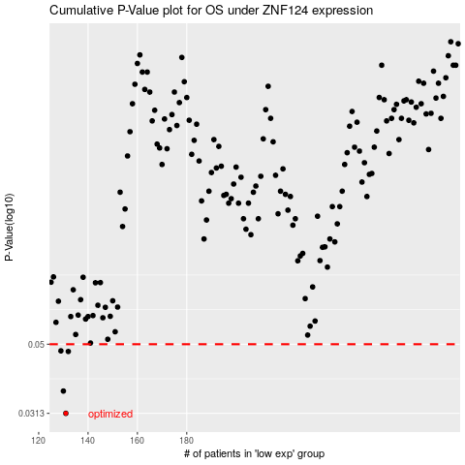

 |  |  |  |  |  | cases_OS | p_OS | rank | exp
 |  |  |  |  |  | 131 | 0.0313 | 231 | -0.53323569827
 |  |  |  |  |  | 130 | 0.0364 | 322 | -0.5351166136
 |  |  |  |  |  | 132 | 0.0476 | 116 | -0.53209917346
 |  |  |  |  |  | 129 | 0.0478 | 117 | -0.53673499835
 |  |  |  |  |  |  | cases_RFS | p_RFS | rank | exp
 |  |  |  |  |  |  | 130 | 0.0313 | 322 | -0.5351166136
 |  |  |  |  |  |  | 129 | 0.0364 | 117 | -0.53673499835
 |  |  |  |  |  |  | 131 | 0.0476 | 231 | -0.53323569827
 |  |  |  |  |  |  | 128 | 0.0478 | 389 | -0.53906121873

