ZNF133 _multivariate
Reported by Tex Li-Hsing Chi. tex@gate.sinica.edu.tw 2019-08-14

Table 2. The clinicopathological features of HNSCC cohort and ZNF133 expression. (Chi square test)
Cutoff at -0.433 (37.7%)
 |  | ZNF133 expression |  | ZNF133 expression |  | (Optimised)
 | Features | Low | (%) | High | (%) | Case no | P-value | Remark | Matthews
Gender | Female | 110 | 26.5 | 196 | 47.2 | 415 | 0.2972 | 0 | 0
2 | Male | 46 | 11.1 | 63 | 15.2
Age at diagnosis | <=65y | 100 | 24.1 | 174 | 41.9 | 415 | 0.593 | 0 | 0
4 | >65y | 56 | 13.5 | 85 | 20.5
Clinical T Status | T1+T2 | 52 | 12.5 | 97 | 23.4 | 415 | 0.4584 | 0 | 0
6 | T3+T4 | 104 | 25.1 | 162 | 39
Clinical N Status | N0 | 83 | 20 | 133 | 32 | 415 | 0.7912 | 0 | 0
8 | N1-3 | 73 | 17.6 | 126 | 30.4
Clinical M Status | M0 | 156 | 37.6 | 256 | 61.7 | 415 | 0.2945 | 0 | 0
10 | M1 | 0 | 0 | 3 | 0.7
Clinical Stage | Stage I+II | 37 | 8.9 | 65 | 15.7 | 415 | 0.8429 | 0 | 0
12 | Stage III+IV | 119 | 28.7 | 194 | 46.7
Surgical Margin status | Negative | 117 | 28.2 | 201 | 48.4 | 415 | 0.5514 | 0 | 0
14 | Positive | 39 | 9.4 | 58 | 14
Tobacco Exposure | Low | 59 | 14.2 | 102 | 24.6 | 415 | 0.8353 | 0 | 0
16 | High | 97 | 23.4 | 157 | 37.8

Table 3. Univariate/Multivariate Cox's proportional hazards regression analyses on OS time of ZNF133 gene expression in HNSCC

 |  | Univariate |  |  |  | Multivariate
 | Features | HR | CI95%(L) | CI95%(H) | P-value | HR | CI95%(L) | CI95%(H) | P-value
1 | Female | 1 |  |  |  | 1
Gender | Male | 1.157 | 0.843 | 1.587 | 0.367 | 1.188 | 0.852 | 1.657 | 0.309
11 | <=65y | 1 |  |  |  | 1
Age at diagnosis | >65y | 1.329 | 0.99 | 1.784 | 0.058 | 1.43 | 1.05 | 1.947 | 0.023
12 | T1+T2 | 1 |  |  |  | 1
Clinical T Status | T3+T4 | 1.409 | 1.028 | 1.931 | 0.033 | 2.119 | 1.12 | 4.012 | 0.021
13 | N0 | 1 |  |  |  | 1
Clinical N Status | N1-3 | 1.185 | 0.89 | 1.577 | 0.246 | 1.262 | 0.884 | 1.801 | 0.2
14 | M0 | 1 |  |  |  | 1
Clinical M Status | M1 | 4.097 | 1.009 | 16.644 | 0.049 | 10.205 | 2.221 | 46.881 | 0.003
15 | Stage I+II | 1 |  |  |  | 1
Clinical Stage | Stage III+IV | 1.245 | 0.882 | 1.759 | 0.213 | 0.515 | 0.24 | 1.105 | 0.088
16 | Negative | 1 |  |  |  | 1
Surgical Margin status | Positive | 1.591 | 1.155 | 2.191 | 0.004 | 1.642 | 1.188 | 2.27 | 0.003
17 | Low | 1 |  |  |  | 1
Tobacco Exposure | High | 1.364 | 1.008 | 1.844 | 0.044 | 1.46 | 1.06 | 2.012 | 0.021
18 | Low | 1 |  |  |  | 1
RNAseq(z-score) | High | 0.75 | 0.562 | 1.001 | 0.05 | 0.747 | 0.557 | 1 | 0.05

Table 4. Univariate/Multivariate Cox's proportional hazards regression analyses on RFS time of ZNF133 gene expression in HNSCC

 |  | Univariate |  |  |  | Multivariate
 | Features | HR | CI95%(L) | CI95%(H) | P-value | HR | CI95%(L) | CI95%(H) | P-value
1 | Female | 1 |  |  |  | 1
Gender | Male | 1.157 | 0.843 | 1.587 | 0.367 | 1.188 | 0.852 | 1.657 | 0.309
11 | <=65y | 1 |  |  |  | 1
Age at diagnosis | >65y | 1.329 | 0.99 | 1.784 | 0.058 | 1.43 | 1.05 | 1.947 | 0.023
12 | T1+T2 | 1 |  |  |  | 1
Clinical T Status | T3+T4 | 1.409 | 1.028 | 1.931 | 0.033 | 2.119 | 1.12 | 4.012 | 0.021
13 | N0 | 1 |  |  |  | 1
Clinical N Status | N1-3 | 1.185 | 0.89 | 1.577 | 0.246 | 1.262 | 0.884 | 1.801 | 0.2
14 | M0 | 1 |  |  |  | 1
Clinical M Status | M1 | 4.097 | 1.009 | 16.644 | 0.049 | 10.205 | 2.221 | 46.881 | 0.003
15 | Stage I+II | 1 |  |  |  | 1
Clinical Stage | Stage III+IV | 1.245 | 0.882 | 1.759 | 0.213 | 0.515 | 0.24 | 1.105 | 0.088
16 | Negative | 1 |  |  |  | 1
Surgical Margin status | Positive | 1.591 | 1.155 | 2.191 | 0.004 | 1.642 | 1.188 | 2.27 | 0.003
17 | Low | 1 |  |  |  | 1
Tobacco Exposure | High | 1.364 | 1.008 | 1.844 | 0.044 | 1.46 | 1.06 | 2.012 | 0.021
18 | Low | 1 |  |  |  | 1
RNAseq(z-score) | High | 0.75 | 0.562 | 1.001 | 0.05 | 0.747 | 0.557 | 1 | 0.05

Kaplan-Meier survival estimate: Cutoff at -0.433 (37.7%)



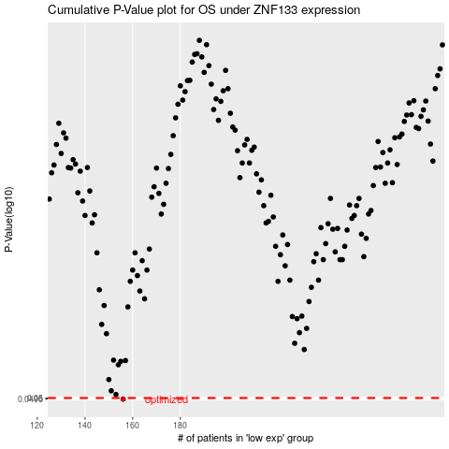

 |  |  |  |  |  | cases_OS | p_OS | rank | exp
 |  |  |  |  |  | 156 | 0.0496 | 255 | -0.43250424699
 |  |  |  |  |  |  | cases_RFS | p_RFS | rank | exp
 |  |  |  |  |  |  | 155 | 0.0496 | 97 | -0.43429754841

