ZNF142 _multivariate
Reported by Tex Li-Hsing Chi. tex@gate.sinica.edu.tw 2019-08-14

Table 2. The clinicopathological features of HNSCC cohort and ZNF142 expression. (Chi square test)
Cutoff at -0.057 (51.9%)
 |  | ZNF142 expression |  | ZNF142 expression |  | (Optimised)
 | Features | Low | (%) | High | (%) | Case no | P-value | Remark | Matthews
Gender | Female | 157 | 37.8 | 149 | 35.9 | 415 | 0.6931 | 0 | 0
2 | Male | 59 | 14.2 | 50 | 12
Age at diagnosis | <=65y | 146 | 35.2 | 128 | 30.8 | 415 | 0.5491 | 0 | 0
4 | >65y | 70 | 16.9 | 71 | 17.1
Clinical T Status | T1+T2 | 70 | 16.9 | 79 | 19 | 415 | 0.1486 | 0 | 0
6 | T3+T4 | 146 | 35.2 | 120 | 28.9
Clinical N Status | N0 | 114 | 27.5 | 102 | 24.6 | 415 | 0.8324 | 0 | 0
8 | N1-3 | 102 | 24.6 | 97 | 23.4
Clinical M Status | M0 | 214 | 51.6 | 198 | 47.7 | 415 | 1 | 0 | 0
10 | M1 | 2 | 0.5 | 1 | 0.2
Clinical Stage | Stage I+II | 50 | 12 | 52 | 12.5 | 415 | 0.5546 | 0 | 0
12 | Stage III+IV | 166 | 40 | 147 | 35.4
Surgical Margin status | Negative | 160 | 38.6 | 158 | 38.1 | 415 | 0.2044 | 0 | 0
14 | Positive | 56 | 13.5 | 41 | 9.9
Tobacco Exposure | Low | 84 | 20.2 | 77 | 18.6 | 415 | 1 | 0 | 0
16 | High | 132 | 31.8 | 122 | 29.4

Table 3. Univariate/Multivariate Cox's proportional hazards regression analyses on OS time of ZNF142 gene expression in HNSCC

 |  | Univariate |  |  |  | Multivariate
 | Features | HR | CI95%(L) | CI95%(H) | P-value | HR | CI95%(L) | CI95%(H) | P-value
1 | Female | 1 |  |  |  | 1
Gender | Male | 1.157 | 0.843 | 1.587 | 0.367 | 1.185 | 0.848 | 1.657 | 0.32
11 | <=65y | 1 |  |  |  | 1
Age at diagnosis | >65y | 1.329 | 0.99 | 1.784 | 0.058 | 1.411 | 1.039 | 1.918 | 0.028
12 | T1+T2 | 1 |  |  |  | 1
Clinical T Status | T3+T4 | 1.409 | 1.028 | 1.931 | 0.033 | 2.123 | 1.121 | 4.023 | 0.021
13 | N0 | 1 |  |  |  | 1
Clinical N Status | N1-3 | 1.185 | 0.89 | 1.577 | 0.246 | 1.25 | 0.877 | 1.781 | 0.218
14 | M0 | 1 |  |  |  | 1
Clinical M Status | M1 | 4.097 | 1.009 | 16.644 | 0.049 | 8.816 | 1.919 | 40.49 | 0.005
15 | Stage I+II | 1 |  |  |  | 1
Clinical Stage | Stage III+IV | 1.245 | 0.882 | 1.759 | 0.213 | 0.521 | 0.243 | 1.118 | 0.094
16 | Negative | 1 |  |  |  | 1
Surgical Margin status | Positive | 1.591 | 1.155 | 2.191 | 0.004 | 1.645 | 1.189 | 2.275 | 0.003
17 | Low | 1 |  |  |  | 1
Tobacco Exposure | High | 1.364 | 1.008 | 1.844 | 0.044 | 1.428 | 1.035 | 1.97 | 0.03
18 | Low | 1 |  |  |  | 1
RNAseq(z-score) | High | 0.74 | 0.554 | 0.988 | 0.041 | 0.786 | 0.587 | 1.053 | 0.107

Table 4. Univariate/Multivariate Cox's proportional hazards regression analyses on RFS time of ZNF142 gene expression in HNSCC

 |  | Univariate |  |  |  | Multivariate
 | Features | HR | CI95%(L) | CI95%(H) | P-value | HR | CI95%(L) | CI95%(H) | P-value
1 | Female | 1 |  |  |  | 1
Gender | Male | 1.157 | 0.843 | 1.587 | 0.367 | 1.185 | 0.848 | 1.657 | 0.32
11 | <=65y | 1 |  |  |  | 1
Age at diagnosis | >65y | 1.329 | 0.99 | 1.784 | 0.058 | 1.411 | 1.039 | 1.918 | 0.028
12 | T1+T2 | 1 |  |  |  | 1
Clinical T Status | T3+T4 | 1.409 | 1.028 | 1.931 | 0.033 | 2.123 | 1.121 | 4.023 | 0.021
13 | N0 | 1 |  |  |  | 1
Clinical N Status | N1-3 | 1.185 | 0.89 | 1.577 | 0.246 | 1.25 | 0.877 | 1.781 | 0.218
14 | M0 | 1 |  |  |  | 1
Clinical M Status | M1 | 4.097 | 1.009 | 16.644 | 0.049 | 8.816 | 1.919 | 40.49 | 0.005
15 | Stage I+II | 1 |  |  |  | 1
Clinical Stage | Stage III+IV | 1.245 | 0.882 | 1.759 | 0.213 | 0.521 | 0.243 | 1.118 | 0.094
16 | Negative | 1 |  |  |  | 1
Surgical Margin status | Positive | 1.591 | 1.155 | 2.191 | 0.004 | 1.645 | 1.189 | 2.275 | 0.003
17 | Low | 1 |  |  |  | 1
Tobacco Exposure | High | 1.364 | 1.008 | 1.844 | 0.044 | 1.428 | 1.035 | 1.97 | 0.03
18 | Low | 1 |  |  |  | 1
RNAseq(z-score) | High | 0.74 | 0.554 | 0.988 | 0.041 | 0.786 | 0.587 | 1.053 | 0.107

Kaplan-Meier survival estimate: Cutoff at -0.057 (51.9%)



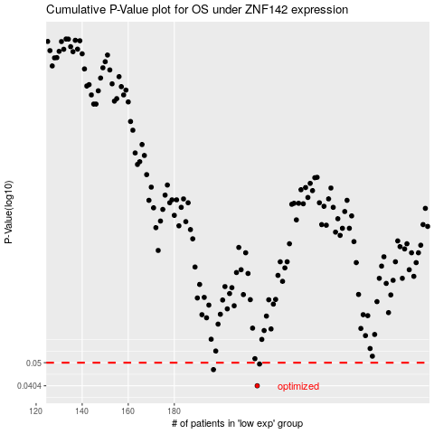

 |  |  |  |  |  | cases_OS | p_OS | rank | exp
 |  |  |  |  |  | 216 | 0.0404 | 30 | -0.056819126503
 |  |  |  |  |  | 197 | 0.0469 | 170 | -0.17463979576
 |  |  |  |  |  | 217 | 0.0494 | 399 | -0.053901355104
 |  |  |  |  |  |  | cases_RFS | p_RFS | rank | exp
 |  |  |  |  |  |  | 215 | 0.0404 | 284 | -0.059488768907
 |  |  |  |  |  |  | 196 | 0.0469 | 308 | -0.17656279547
 |  |  |  |  |  |  | 216 | 0.0494 | 30 | -0.056819126503

