ZNF143 _multivariate
Reported by Tex Li-Hsing Chi. tex@gate.sinica.edu.tw 2019-08-14

Table 2. The clinicopathological features of HNSCC cohort and ZNF143 expression. (Chi square test)
Cutoff at 0.104 (57.0%)
 |  | ZNF143 expression |  | ZNF143 expression |  | (Optimised)
 | Features | Low | (%) | High | (%) | Case no | P-value | Remark | Matthews
Gender | Female | 173 | 41.7 | 133 | 32 | 415 | 0.9078 | 0 | 0
2 | Male | 63 | 15.2 | 46 | 11.1
Age at diagnosis | <=65y | 149 | 35.9 | 125 | 30.1 | 415 | 0.1862 | 0 | 0
4 | >65y | 87 | 21 | 54 | 13
Clinical T Status | T1+T2 | 93 | 22.4 | 56 | 13.5 | 415 | 0.1085 | 0 | 0
6 | T3+T4 | 143 | 34.5 | 123 | 29.6
Clinical N Status | N0 | 134 | 32.3 | 82 | 19.8 | 415 | 0.0343 | 1 | 0
8 | N1-3 | 102 | 24.6 | 97 | 23.4
Clinical M Status | M0 | 234 | 56.4 | 178 | 42.9 | 415 | 1 | 0 | 0
10 | M1 | 2 | 0.5 | 1 | 0.2
Clinical Stage | Stage I+II | 66 | 15.9 | 36 | 8.7 | 415 | 0.0844 | 0 | 0
12 | Stage III+IV | 170 | 41 | 143 | 34.5
Surgical Margin status | Negative | 183 | 44.1 | 135 | 32.5 | 415 | 0.6405 | 0 | 0
14 | Positive | 53 | 12.8 | 44 | 10.6
Tobacco Exposure | Low | 102 | 24.6 | 59 | 14.2 | 415 | 0.0418 | 1 | 0
16 | High | 134 | 32.3 | 120 | 28.9

Table 3. Univariate/Multivariate Cox's proportional hazards regression analyses on OS time of ZNF143 gene expression in HNSCC

 |  | Univariate |  |  |  | Multivariate
 | Features | HR | CI95%(L) | CI95%(H) | P-value | HR | CI95%(L) | CI95%(H) | P-value
1 | Female | 1 |  |  |  | 1
Gender | Male | 1.157 | 0.843 | 1.587 | 0.367 | 1.2 | 0.86 | 1.673 | 0.284
11 | <=65y | 1 |  |  |  | 1
Age at diagnosis | >65y | 1.329 | 0.99 | 1.784 | 0.058 | 1.426 | 1.049 | 1.938 | 0.024
12 | T1+T2 | 1 |  |  |  | 1
Clinical T Status | T3+T4 | 1.409 | 1.028 | 1.931 | 0.033 | 2.235 | 1.182 | 4.226 | 0.013
13 | N0 | 1 |  |  |  | 1
Clinical N Status | N1-3 | 1.185 | 0.89 | 1.577 | 0.246 | 1.247 | 0.874 | 1.778 | 0.223
14 | M0 | 1 |  |  |  | 1
Clinical M Status | M1 | 4.097 | 1.009 | 16.644 | 0.049 | 9.683 | 2.111 | 44.404 | 0.003
15 | Stage I+II | 1 |  |  |  | 1
Clinical Stage | Stage III+IV | 1.245 | 0.882 | 1.759 | 0.213 | 0.5 | 0.233 | 1.073 | 0.075
16 | Negative | 1 |  |  |  | 1
Surgical Margin status | Positive | 1.591 | 1.155 | 2.191 | 0.004 | 1.652 | 1.196 | 2.283 | 0.002
17 | Low | 1 |  |  |  | 1
Tobacco Exposure | High | 1.364 | 1.008 | 1.844 | 0.044 | 1.422 | 1.033 | 1.958 | 0.031
18 | Low | 1 |  |  |  | 1
RNAseq(z-score) | High | 1.343 | 1.008 | 1.787 | 0.044 | 1.348 | 1.01 | 1.799 | 0.043

Table 4. Univariate/Multivariate Cox's proportional hazards regression analyses on RFS time of ZNF143 gene expression in HNSCC

 |  | Univariate |  |  |  | Multivariate
 | Features | HR | CI95%(L) | CI95%(H) | P-value | HR | CI95%(L) | CI95%(H) | P-value
1 | Female | 1 |  |  |  | 1
Gender | Male | 1.157 | 0.843 | 1.587 | 0.367 | 1.2 | 0.86 | 1.673 | 0.284
11 | <=65y | 1 |  |  |  | 1
Age at diagnosis | >65y | 1.329 | 0.99 | 1.784 | 0.058 | 1.426 | 1.049 | 1.938 | 0.024
12 | T1+T2 | 1 |  |  |  | 1
Clinical T Status | T3+T4 | 1.409 | 1.028 | 1.931 | 0.033 | 2.235 | 1.182 | 4.226 | 0.013
13 | N0 | 1 |  |  |  | 1
Clinical N Status | N1-3 | 1.185 | 0.89 | 1.577 | 0.246 | 1.247 | 0.874 | 1.778 | 0.223
14 | M0 | 1 |  |  |  | 1
Clinical M Status | M1 | 4.097 | 1.009 | 16.644 | 0.049 | 9.683 | 2.111 | 44.404 | 0.003
15 | Stage I+II | 1 |  |  |  | 1
Clinical Stage | Stage III+IV | 1.245 | 0.882 | 1.759 | 0.213 | 0.5 | 0.233 | 1.073 | 0.075
16 | Negative | 1 |  |  |  | 1
Surgical Margin status | Positive | 1.591 | 1.155 | 2.191 | 0.004 | 1.652 | 1.196 | 2.283 | 0.002
17 | Low | 1 |  |  |  | 1
Tobacco Exposure | High | 1.364 | 1.008 | 1.844 | 0.044 | 1.422 | 1.033 | 1.958 | 0.031
18 | Low | 1 |  |  |  | 1
RNAseq(z-score) | High | 1.343 | 1.008 | 1.787 | 0.044 | 1.348 | 1.01 | 1.799 | 0.043

Kaplan-Meier survival estimate: Cutoff at 0.104 (57.0%)



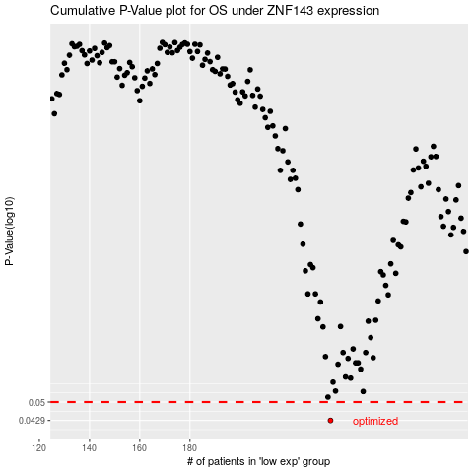

 |  |  |  |  |  | cases_OS | p_OS | rank | exp
 |  |  |  |  |  | 236 | 0.0429 | 210 | 0.10395916866
 |  |  |  |  |  |  | cases_RFS | p_RFS | rank | exp
 |  |  |  |  |  |  | 235 | 0.0429 | 89 | 0.095000937618

