ZNF148 _multivariate
Reported by Tex Li-Hsing Chi. tex@gate.sinica.edu.tw 2019-08-14

Table 2. The clinicopathological features of HNSCC cohort and ZNF148 expression. (Chi square test)
Cutoff at -0.133 (49.8%)
 |  | ZNF148 expression |  | ZNF148 expression |  | (Optimised)
 | Features | Low | (%) | High | (%) | Case no | P-value | Remark | Matthews
Gender | Female | 145 | 34.9 | 161 | 38.8 | 415 | 0.1116 | 0 | 0
2 | Male | 62 | 14.9 | 47 | 11.3
Age at diagnosis | <=65y | 132 | 31.8 | 142 | 34.2 | 415 | 0.3874 | 0 | 0
4 | >65y | 75 | 18.1 | 66 | 15.9
Clinical T Status | T1+T2 | 76 | 18.3 | 73 | 17.6 | 415 | 0.8092 | 0 | 0
6 | T3+T4 | 131 | 31.6 | 135 | 32.5
Clinical N Status | N0 | 114 | 27.5 | 102 | 24.6 | 415 | 0.2576 | 1 | 0
8 | N1-3 | 93 | 22.4 | 106 | 25.5
Clinical M Status | M0 | 204 | 49.2 | 208 | 50.1 | 415 | 0.1232 | 0 | 0
10 | M1 | 3 | 0.7 | 0 | 0
Clinical Stage | Stage I+II | 54 | 13 | 48 | 11.6 | 415 | 0.5498 | 0 | 0
12 | Stage III+IV | 153 | 36.9 | 160 | 38.6
Surgical Margin status | Negative | 158 | 38.1 | 160 | 38.6 | 415 | 0.9081 | 0 | 0
14 | Positive | 49 | 11.8 | 48 | 11.6
Tobacco Exposure | Low | 95 | 22.9 | 66 | 15.9 | 415 | 0.0035 | 1 | 0
16 | High | 112 | 27 | 142 | 34.2

Table 3. Univariate/Multivariate Cox's proportional hazards regression analyses on OS time of ZNF148 gene expression in HNSCC

 |  | Univariate |  |  |  | Multivariate
 | Features | HR | CI95%(L) | CI95%(H) | P-value | HR | CI95%(L) | CI95%(H) | P-value
1 | Female | 1 |  |  |  | 1
Gender | Male | 1.157 | 0.843 | 1.587 | 0.367 | 1.197 | 0.855 | 1.676 | 0.294
11 | <=65y | 1 |  |  |  | 1
Age at diagnosis | >65y | 1.329 | 0.99 | 1.784 | 0.058 | 1.393 | 1.025 | 1.895 | 0.034
12 | T1+T2 | 1 |  |  |  | 1
Clinical T Status | T3+T4 | 1.409 | 1.028 | 1.931 | 0.033 | 2.189 | 1.155 | 4.151 | 0.016
13 | N0 | 1 |  |  |  | 1
Clinical N Status | N1-3 | 1.185 | 0.89 | 1.577 | 0.246 | 1.241 | 0.87 | 1.771 | 0.234
14 | M0 | 1 |  |  |  | 1
Clinical M Status | M1 | 4.097 | 1.009 | 16.644 | 0.049 | 9.206 | 1.979 | 42.822 | 0.005
15 | Stage I+II | 1 |  |  |  | 1
Clinical Stage | Stage III+IV | 1.245 | 0.882 | 1.759 | 0.213 | 0.507 | 0.236 | 1.091 | 0.082
16 | Negative | 1 |  |  |  | 1
Surgical Margin status | Positive | 1.591 | 1.155 | 2.191 | 0.004 | 1.666 | 1.204 | 2.306 | 0.002
17 | Low | 1 |  |  |  | 1
Tobacco Exposure | High | 1.364 | 1.008 | 1.844 | 0.044 | 1.46 | 1.056 | 2.02 | 0.022
18 | Low | 1 |  |  |  | 1
RNAseq(z-score) | High | 0.921 | 0.691 | 1.227 | 0.573 | 0.97 | 0.72 | 1.307 | 0.843

Table 4. Univariate/Multivariate Cox's proportional hazards regression analyses on RFS time of ZNF148 gene expression in HNSCC

 |  | Univariate |  |  |  | Multivariate
 | Features | HR | CI95%(L) | CI95%(H) | P-value | HR | CI95%(L) | CI95%(H) | P-value
1 | Female | 1 |  |  |  | 1
Gender | Male | 1.157 | 0.843 | 1.587 | 0.367 | 1.197 | 0.855 | 1.676 | 0.294
11 | <=65y | 1 |  |  |  | 1
Age at diagnosis | >65y | 1.329 | 0.99 | 1.784 | 0.058 | 1.393 | 1.025 | 1.895 | 0.034
12 | T1+T2 | 1 |  |  |  | 1
Clinical T Status | T3+T4 | 1.409 | 1.028 | 1.931 | 0.033 | 2.189 | 1.155 | 4.151 | 0.016
13 | N0 | 1 |  |  |  | 1
Clinical N Status | N1-3 | 1.185 | 0.89 | 1.577 | 0.246 | 1.241 | 0.87 | 1.771 | 0.234
14 | M0 | 1 |  |  |  | 1
Clinical M Status | M1 | 4.097 | 1.009 | 16.644 | 0.049 | 9.206 | 1.979 | 42.822 | 0.005
15 | Stage I+II | 1 |  |  |  | 1
Clinical Stage | Stage III+IV | 1.245 | 0.882 | 1.759 | 0.213 | 0.507 | 0.236 | 1.091 | 0.082
16 | Negative | 1 |  |  |  | 1
Surgical Margin status | Positive | 1.591 | 1.155 | 2.191 | 0.004 | 1.666 | 1.204 | 2.306 | 0.002
17 | Low | 1 |  |  |  | 1
Tobacco Exposure | High | 1.364 | 1.008 | 1.844 | 0.044 | 1.46 | 1.056 | 2.02 | 0.022
18 | Low | 1 |  |  |  | 1
RNAseq(z-score) | High | 0.921 | 0.691 | 1.227 | 0.573 | 0.97 | 0.72 | 1.307 | 0.843

Kaplan-Meier survival estimate: Cutoff at -0.133 (49.8%)



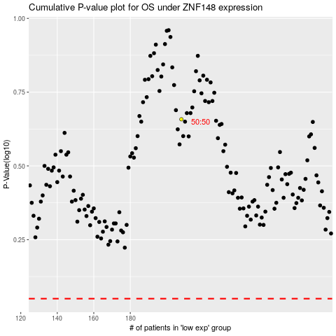

 |  |  |  |  |  | cases_OS | p_OS | rank | exp
 |  |  |  |  |  |  | cases_RFS | p_RFS | rank | exp

