ZNF155 _multivariate
Reported by Tex Li-Hsing Chi. tex@gate.sinica.edu.tw 2019-08-14

Table 2. The clinicopathological features of HNSCC cohort and ZNF155 expression. (Chi square test)
Cutoff at -0.164 (50.0%)
 |  | ZNF155 expression |  | ZNF155 expression |  | (Optimised)
 | Features | Low | (%) | High | (%) | Case no | P-value | Remark | Matthews
Gender | Female | 148 | 35.7 | 158 | 38.1 | 415 | 0.3567 | 0 | 0
2 | Male | 59 | 14.2 | 50 | 12
Age at diagnosis | <=65y | 129 | 31.1 | 145 | 34.9 | 415 | 0.1372 | 0 | 0
4 | >65y | 78 | 18.8 | 63 | 15.2
Clinical T Status | T1+T2 | 73 | 17.6 | 76 | 18.3 | 415 | 0.8666 | 0 | 0
6 | T3+T4 | 134 | 32.3 | 132 | 31.8
Clinical N Status | N0 | 111 | 26.7 | 105 | 25.3 | 415 | 0.5875 | 0 | 0
8 | N1-3 | 96 | 23.1 | 103 | 24.8
Clinical M Status | M0 | 207 | 49.9 | 205 | 49.4 | 415 | 0.2482 | 0 | 0
10 | M1 | 0 | 0 | 3 | 0.7
Clinical Stage | Stage I+II | 50 | 12 | 52 | 12.5 | 415 | 0.9315 | 0 | 0
12 | Stage III+IV | 157 | 37.8 | 156 | 37.6
Surgical Margin status | Negative | 160 | 38.6 | 158 | 38.1 | 415 | 0.8167 | 0 | 0
14 | Positive | 47 | 11.3 | 50 | 12
Tobacco Exposure | Low | 91 | 21.9 | 70 | 16.9 | 415 | 0.0346 | 1 | 0
16 | High | 116 | 28 | 138 | 33.3

Table 3. Univariate/Multivariate Cox's proportional hazards regression analyses on OS time of ZNF155 gene expression in HNSCC

 |  | Univariate |  |  |  | Multivariate
 | Features | HR | CI95%(L) | CI95%(H) | P-value | HR | CI95%(L) | CI95%(H) | P-value
1 | Female | 1 |  |  |  | 1
Gender | Male | 1.157 | 0.843 | 1.587 | 0.367 | 1.207 | 0.864 | 1.686 | 0.271
11 | <=65y | 1 |  |  |  | 1
Age at diagnosis | >65y | 1.329 | 0.99 | 1.784 | 0.058 | 1.376 | 1.011 | 1.873 | 0.042
12 | T1+T2 | 1 |  |  |  | 1
Clinical T Status | T3+T4 | 1.409 | 1.028 | 1.931 | 0.033 | 2.191 | 1.16 | 4.141 | 0.016
13 | N0 | 1 |  |  |  | 1
Clinical N Status | N1-3 | 1.185 | 0.89 | 1.577 | 0.246 | 1.25 | 0.876 | 1.784 | 0.219
14 | M0 | 1 |  |  |  | 1
Clinical M Status | M1 | 4.097 | 1.009 | 16.644 | 0.049 | 9.956 | 2.156 | 45.971 | 0.003
15 | Stage I+II | 1 |  |  |  | 1
Clinical Stage | Stage III+IV | 1.245 | 0.882 | 1.759 | 0.213 | 0.502 | 0.234 | 1.076 | 0.077
16 | Negative | 1 |  |  |  | 1
Surgical Margin status | Positive | 1.591 | 1.155 | 2.191 | 0.004 | 1.662 | 1.203 | 2.297 | 0.002
17 | Low | 1 |  |  |  | 1
Tobacco Exposure | High | 1.364 | 1.008 | 1.844 | 0.044 | 1.495 | 1.076 | 2.078 | 0.017
18 | Low | 1 |  |  |  | 1
RNAseq(z-score) | High | 0.939 | 0.705 | 1.25 | 0.665 | 0.889 | 0.659 | 1.2 | 0.443

Table 4. Univariate/Multivariate Cox's proportional hazards regression analyses on RFS time of ZNF155 gene expression in HNSCC

 |  | Univariate |  |  |  | Multivariate
 | Features | HR | CI95%(L) | CI95%(H) | P-value | HR | CI95%(L) | CI95%(H) | P-value
1 | Female | 1 |  |  |  | 1
Gender | Male | 1.157 | 0.843 | 1.587 | 0.367 | 1.207 | 0.864 | 1.686 | 0.271
11 | <=65y | 1 |  |  |  | 1
Age at diagnosis | >65y | 1.329 | 0.99 | 1.784 | 0.058 | 1.376 | 1.011 | 1.873 | 0.042
12 | T1+T2 | 1 |  |  |  | 1
Clinical T Status | T3+T4 | 1.409 | 1.028 | 1.931 | 0.033 | 2.191 | 1.16 | 4.141 | 0.016
13 | N0 | 1 |  |  |  | 1
Clinical N Status | N1-3 | 1.185 | 0.89 | 1.577 | 0.246 | 1.25 | 0.876 | 1.784 | 0.219
14 | M0 | 1 |  |  |  | 1
Clinical M Status | M1 | 4.097 | 1.009 | 16.644 | 0.049 | 9.956 | 2.156 | 45.971 | 0.003
15 | Stage I+II | 1 |  |  |  | 1
Clinical Stage | Stage III+IV | 1.245 | 0.882 | 1.759 | 0.213 | 0.502 | 0.234 | 1.076 | 0.077
16 | Negative | 1 |  |  |  | 1
Surgical Margin status | Positive | 1.591 | 1.155 | 2.191 | 0.004 | 1.662 | 1.203 | 2.297 | 0.002
17 | Low | 1 |  |  |  | 1
Tobacco Exposure | High | 1.364 | 1.008 | 1.844 | 0.044 | 1.495 | 1.076 | 2.078 | 0.017
18 | Low | 1 |  |  |  | 1
RNAseq(z-score) | High | 0.939 | 0.705 | 1.25 | 0.665 | 0.889 | 0.659 | 1.2 | 0.443

Kaplan-Meier survival estimate: Cutoff at -0.164 (50.0%)



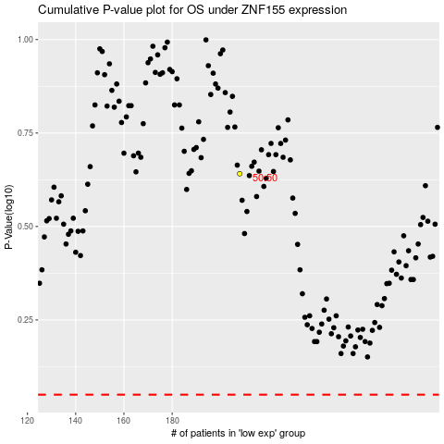

 |  |  |  |  |  | cases_OS | p_OS | rank | exp
 |  |  |  |  |  |  | cases_RFS | p_RFS | rank | exp

