ZNF165 _multivariate
Reported by Tex Li-Hsing Chi. tex@gate.sinica.edu.tw 2019-08-14

Table 2. The clinicopathological features of HNSCC cohort and ZNF165 expression. (Chi square test)
Cutoff at -0.209 (50.0%)
 |  | ZNF165 expression |  | ZNF165 expression |  | (Optimised)
 | Features | Low | (%) | High | (%) | Case no | P-value | Remark | Matthews
Gender | Female | 150 | 36.1 | 156 | 37.6 | 415 | 0.6344 | 0 | 0
2 | Male | 57 | 13.7 | 52 | 12.5
Age at diagnosis | <=65y | 133 | 32 | 141 | 34 | 415 | 0.5111 | 0 | 0
4 | >65y | 74 | 17.8 | 67 | 16.1
Clinical T Status | T1+T2 | 84 | 20.2 | 65 | 15.7 | 415 | 0.0603 | 0 | 0
6 | T3+T4 | 123 | 29.6 | 143 | 34.5
Clinical N Status | N0 | 108 | 26 | 108 | 26 | 415 | 1 | 0 | 0
8 | N1-3 | 99 | 23.9 | 100 | 24.1
Clinical M Status | M0 | 207 | 49.9 | 205 | 49.4 | 415 | 0.2482 | 0 | 0
10 | M1 | 0 | 0 | 3 | 0.7
Clinical Stage | Stage I+II | 58 | 14 | 44 | 10.6 | 415 | 0.131 | 0 | 0
12 | Stage III+IV | 149 | 35.9 | 164 | 39.5
Surgical Margin status | Negative | 165 | 39.8 | 153 | 36.9 | 415 | 0.1639 | 0 | 0
14 | Positive | 42 | 10.1 | 55 | 13.3
Tobacco Exposure | Low | 89 | 21.4 | 72 | 17.3 | 415 | 0.0872 | 0 | 0
16 | High | 118 | 28.4 | 136 | 32.8

Table 3. Univariate/Multivariate Cox's proportional hazards regression analyses on OS time of ZNF165 gene expression in HNSCC

 |  | Univariate |  |  |  | Multivariate
 | Features | HR | CI95%(L) | CI95%(H) | P-value | HR | CI95%(L) | CI95%(H) | P-value
1 | Female | 1 |  |  |  | 1
Gender | Male | 1.157 | 0.843 | 1.587 | 0.367 | 1.196 | 0.854 | 1.674 | 0.297
11 | <=65y | 1 |  |  |  | 1
Age at diagnosis | >65y | 1.329 | 0.99 | 1.784 | 0.058 | 1.392 | 1.024 | 1.892 | 0.035
12 | T1+T2 | 1 |  |  |  | 1
Clinical T Status | T3+T4 | 1.409 | 1.028 | 1.931 | 0.033 | 2.197 | 1.162 | 4.154 | 0.015
13 | N0 | 1 |  |  |  | 1
Clinical N Status | N1-3 | 1.185 | 0.89 | 1.577 | 0.246 | 1.244 | 0.871 | 1.776 | 0.229
14 | M0 | 1 |  |  |  | 1
Clinical M Status | M1 | 4.097 | 1.009 | 16.644 | 0.049 | 9.181 | 1.983 | 42.496 | 0.005
15 | Stage I+II | 1 |  |  |  | 1
Clinical Stage | Stage III+IV | 1.245 | 0.882 | 1.759 | 0.213 | 0.504 | 0.235 | 1.083 | 0.079
16 | Negative | 1 |  |  |  | 1
Surgical Margin status | Positive | 1.591 | 1.155 | 2.191 | 0.004 | 1.665 | 1.204 | 2.303 | 0.002
17 | Low | 1 |  |  |  | 1
Tobacco Exposure | High | 1.364 | 1.008 | 1.844 | 0.044 | 1.449 | 1.05 | 1.998 | 0.024
18 | Low | 1 |  |  |  | 1
RNAseq(z-score) | High | 1.142 | 0.857 | 1.522 | 0.363 | 1.042 | 0.778 | 1.395 | 0.785

Table 4. Univariate/Multivariate Cox's proportional hazards regression analyses on RFS time of ZNF165 gene expression in HNSCC

 |  | Univariate |  |  |  | Multivariate
 | Features | HR | CI95%(L) | CI95%(H) | P-value | HR | CI95%(L) | CI95%(H) | P-value
1 | Female | 1 |  |  |  | 1
Gender | Male | 1.157 | 0.843 | 1.587 | 0.367 | 1.196 | 0.854 | 1.674 | 0.297
11 | <=65y | 1 |  |  |  | 1
Age at diagnosis | >65y | 1.329 | 0.99 | 1.784 | 0.058 | 1.392 | 1.024 | 1.892 | 0.035
12 | T1+T2 | 1 |  |  |  | 1
Clinical T Status | T3+T4 | 1.409 | 1.028 | 1.931 | 0.033 | 2.197 | 1.162 | 4.154 | 0.015
13 | N0 | 1 |  |  |  | 1
Clinical N Status | N1-3 | 1.185 | 0.89 | 1.577 | 0.246 | 1.244 | 0.871 | 1.776 | 0.229
14 | M0 | 1 |  |  |  | 1
Clinical M Status | M1 | 4.097 | 1.009 | 16.644 | 0.049 | 9.181 | 1.983 | 42.496 | 0.005
15 | Stage I+II | 1 |  |  |  | 1
Clinical Stage | Stage III+IV | 1.245 | 0.882 | 1.759 | 0.213 | 0.504 | 0.235 | 1.083 | 0.079
16 | Negative | 1 |  |  |  | 1
Surgical Margin status | Positive | 1.591 | 1.155 | 2.191 | 0.004 | 1.665 | 1.204 | 2.303 | 0.002
17 | Low | 1 |  |  |  | 1
Tobacco Exposure | High | 1.364 | 1.008 | 1.844 | 0.044 | 1.449 | 1.05 | 1.998 | 0.024
18 | Low | 1 |  |  |  | 1
RNAseq(z-score) | High | 1.142 | 0.857 | 1.522 | 0.363 | 1.042 | 0.778 | 1.395 | 0.785

Kaplan-Meier survival estimate: Cutoff at -0.209 (50.0%)



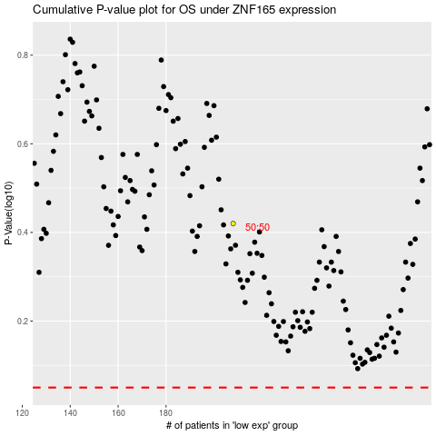

 |  |  |  |  |  | cases_OS | p_OS | rank | exp
 |  |  |  |  |  |  | cases_RFS | p_RFS | rank | exp

