ZNF169 _multivariate
Reported by Tex Li-Hsing Chi. tex@gate.sinica.edu.tw 2019-08-14

Table 2. The clinicopathological features of HNSCC cohort and ZNF169 expression. (Chi square test)
Cutoff at -0.176 (49.8%)
 |  | ZNF169 expression |  | ZNF169 expression |  | (Optimised)
 | Features | Low | (%) | High | (%) | Case no | P-value | Remark | Matthews
Gender | Female | 149 | 35.9 | 157 | 37.8 | 415 | 0.4848 | 0 | 0
2 | Male | 58 | 14 | 51 | 12.3
Age at diagnosis | <=65y | 132 | 31.8 | 142 | 34.2 | 415 | 0.3874 | 0 | 0
4 | >65y | 75 | 18.1 | 66 | 15.9
Clinical T Status | T1+T2 | 66 | 15.9 | 83 | 20 | 415 | 0.1095 | 0 | 0
6 | T3+T4 | 141 | 34 | 125 | 30.1
Clinical N Status | N0 | 101 | 24.3 | 115 | 27.7 | 415 | 0.2201 | 0 | 0
8 | N1-3 | 106 | 25.5 | 93 | 22.4
Clinical M Status | M0 | 205 | 49.4 | 207 | 49.9 | 415 | 0.6232 | 0 | 0
10 | M1 | 2 | 0.5 | 1 | 0.2
Clinical Stage | Stage I+II | 42 | 10.1 | 60 | 14.5 | 415 | 0.0561 | 0 | 0
12 | Stage III+IV | 165 | 39.8 | 148 | 35.7
Surgical Margin status | Negative | 155 | 37.3 | 163 | 39.3 | 415 | 0.4187 | 0 | 0
14 | Positive | 52 | 12.5 | 45 | 10.8
Tobacco Exposure | Low | 89 | 21.4 | 72 | 17.3 | 415 | 0.0872 | 0 | 0
16 | High | 118 | 28.4 | 136 | 32.8

Table 3. Univariate/Multivariate Cox's proportional hazards regression analyses on OS time of ZNF169 gene expression in HNSCC

 |  | Univariate |  |  |  | Multivariate
 | Features | HR | CI95%(L) | CI95%(H) | P-value | HR | CI95%(L) | CI95%(H) | P-value
1 | Female | 1 |  |  |  | 1
Gender | Male | 1.157 | 0.843 | 1.587 | 0.367 | 1.19 | 0.852 | 1.663 | 0.307
11 | <=65y | 1 |  |  |  | 1
Age at diagnosis | >65y | 1.329 | 0.99 | 1.784 | 0.058 | 1.401 | 1.031 | 1.904 | 0.031
12 | T1+T2 | 1 |  |  |  | 1
Clinical T Status | T3+T4 | 1.409 | 1.028 | 1.931 | 0.033 | 2.165 | 1.144 | 4.096 | 0.018
13 | N0 | 1 |  |  |  | 1
Clinical N Status | N1-3 | 1.185 | 0.89 | 1.577 | 0.246 | 1.235 | 0.866 | 1.762 | 0.244
14 | M0 | 1 |  |  |  | 1
Clinical M Status | M1 | 4.097 | 1.009 | 16.644 | 0.049 | 8.898 | 1.933 | 40.962 | 0.005
15 | Stage I+II | 1 |  |  |  | 1
Clinical Stage | Stage III+IV | 1.245 | 0.882 | 1.759 | 0.213 | 0.509 | 0.237 | 1.093 | 0.083
16 | Negative | 1 |  |  |  | 1
Surgical Margin status | Positive | 1.591 | 1.155 | 2.191 | 0.004 | 1.644 | 1.188 | 2.276 | 0.003
17 | Low | 1 |  |  |  | 1
Tobacco Exposure | High | 1.364 | 1.008 | 1.844 | 0.044 | 1.464 | 1.063 | 2.017 | 0.02
18 | Low | 1 |  |  |  | 1
RNAseq(z-score) | High | 0.816 | 0.613 | 1.088 | 0.166 | 0.872 | 0.651 | 1.168 | 0.358

Table 4. Univariate/Multivariate Cox's proportional hazards regression analyses on RFS time of ZNF169 gene expression in HNSCC

 |  | Univariate |  |  |  | Multivariate
 | Features | HR | CI95%(L) | CI95%(H) | P-value | HR | CI95%(L) | CI95%(H) | P-value
1 | Female | 1 |  |  |  | 1
Gender | Male | 1.157 | 0.843 | 1.587 | 0.367 | 1.19 | 0.852 | 1.663 | 0.307
11 | <=65y | 1 |  |  |  | 1
Age at diagnosis | >65y | 1.329 | 0.99 | 1.784 | 0.058 | 1.401 | 1.031 | 1.904 | 0.031
12 | T1+T2 | 1 |  |  |  | 1
Clinical T Status | T3+T4 | 1.409 | 1.028 | 1.931 | 0.033 | 2.165 | 1.144 | 4.096 | 0.018
13 | N0 | 1 |  |  |  | 1
Clinical N Status | N1-3 | 1.185 | 0.89 | 1.577 | 0.246 | 1.235 | 0.866 | 1.762 | 0.244
14 | M0 | 1 |  |  |  | 1
Clinical M Status | M1 | 4.097 | 1.009 | 16.644 | 0.049 | 8.898 | 1.933 | 40.962 | 0.005
15 | Stage I+II | 1 |  |  |  | 1
Clinical Stage | Stage III+IV | 1.245 | 0.882 | 1.759 | 0.213 | 0.509 | 0.237 | 1.093 | 0.083
16 | Negative | 1 |  |  |  | 1
Surgical Margin status | Positive | 1.591 | 1.155 | 2.191 | 0.004 | 1.644 | 1.188 | 2.276 | 0.003
17 | Low | 1 |  |  |  | 1
Tobacco Exposure | High | 1.364 | 1.008 | 1.844 | 0.044 | 1.464 | 1.063 | 2.017 | 0.02
18 | Low | 1 |  |  |  | 1
RNAseq(z-score) | High | 0.816 | 0.613 | 1.088 | 0.166 | 0.872 | 0.651 | 1.168 | 0.358

Kaplan-Meier survival estimate: Cutoff at -0.176 (49.8%)



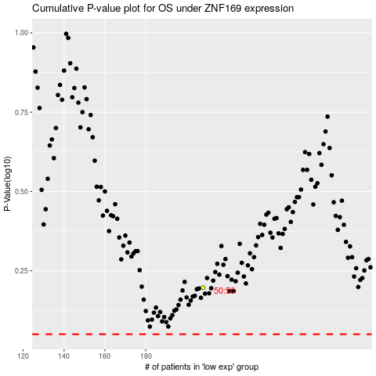

 |  |  |  |  |  | cases_OS | p_OS | rank | exp
 |  |  |  |  |  |  | cases_RFS | p_RFS | rank | exp

