ZNF17 _multivariate
Reported by Tex Li-Hsing Chi. tex@gate.sinica.edu.tw 2019-08-14

Table 2. The clinicopathological features of HNSCC cohort and ZNF17 expression. (Chi square test)
Cutoff at -0.19 (50.0%)
 |  | ZNF17 expression |  | ZNF17 expression |  | (Optimised)
 | Features | Low | (%) | High | (%) | Case no | P-value | Remark | Matthews
Gender | Female | 150 | 36.1 | 156 | 37.6 | 415 | 0.6344 | 0 | 0
2 | Male | 57 | 13.7 | 52 | 12.5
Age at diagnosis | <=65y | 133 | 32 | 141 | 34 | 415 | 0.5111 | 0 | 0
4 | >65y | 74 | 17.8 | 67 | 16.1
Clinical T Status | T1+T2 | 64 | 15.4 | 85 | 20.5 | 415 | 0.0445 | 1 | 0
6 | T3+T4 | 143 | 34.5 | 123 | 29.6
Clinical N Status | N0 | 109 | 26.3 | 107 | 25.8 | 415 | 0.8812 | 0 | 0
8 | N1-3 | 98 | 23.6 | 101 | 24.3
Clinical M Status | M0 | 206 | 49.6 | 206 | 49.6 | 415 | 1 | 0 | 0
10 | M1 | 1 | 0.2 | 2 | 0.5
Clinical Stage | Stage I+II | 46 | 11.1 | 56 | 13.5 | 415 | 0.3182 | 0 | 0
12 | Stage III+IV | 161 | 38.8 | 152 | 36.6
Surgical Margin status | Negative | 154 | 37.1 | 164 | 39.5 | 415 | 0.2984 | 0 | 0
14 | Positive | 53 | 12.8 | 44 | 10.6
Tobacco Exposure | Low | 83 | 20 | 78 | 18.8 | 415 | 0.6152 | 0 | 0
16 | High | 124 | 29.9 | 130 | 31.3

Table 3. Univariate/Multivariate Cox's proportional hazards regression analyses on OS time of ZNF17 gene expression in HNSCC

 |  | Univariate |  |  |  | Multivariate
 | Features | HR | CI95%(L) | CI95%(H) | P-value | HR | CI95%(L) | CI95%(H) | P-value
1 | Female | 1 |  |  |  | 1
Gender | Male | 1.157 | 0.843 | 1.587 | 0.367 | 1.213 | 0.869 | 1.694 | 0.257
11 | <=65y | 1 |  |  |  | 1
Age at diagnosis | >65y | 1.329 | 0.99 | 1.784 | 0.058 | 1.38 | 1.015 | 1.877 | 0.04
12 | T1+T2 | 1 |  |  |  | 1
Clinical T Status | T3+T4 | 1.409 | 1.028 | 1.931 | 0.033 | 2.118 | 1.118 | 4.011 | 0.021
13 | N0 | 1 |  |  |  | 1
Clinical N Status | N1-3 | 1.185 | 0.89 | 1.577 | 0.246 | 1.252 | 0.877 | 1.786 | 0.216
14 | M0 | 1 |  |  |  | 1
Clinical M Status | M1 | 4.097 | 1.009 | 16.644 | 0.049 | 9.741 | 2.124 | 44.678 | 0.003
15 | Stage I+II | 1 |  |  |  | 1
Clinical Stage | Stage III+IV | 1.245 | 0.882 | 1.759 | 0.213 | 0.513 | 0.239 | 1.1 | 0.086
16 | Negative | 1 |  |  |  | 1
Surgical Margin status | Positive | 1.591 | 1.155 | 2.191 | 0.004 | 1.647 | 1.191 | 2.277 | 0.003
17 | Low | 1 |  |  |  | 1
Tobacco Exposure | High | 1.364 | 1.008 | 1.844 | 0.044 | 1.464 | 1.062 | 2.019 | 0.02
18 | Low | 1 |  |  |  | 1
RNAseq(z-score) | High | 0.775 | 0.581 | 1.035 | 0.084 | 0.8 | 0.597 | 1.07 | 0.133

Table 4. Univariate/Multivariate Cox's proportional hazards regression analyses on RFS time of ZNF17 gene expression in HNSCC

 |  | Univariate |  |  |  | Multivariate
 | Features | HR | CI95%(L) | CI95%(H) | P-value | HR | CI95%(L) | CI95%(H) | P-value
1 | Female | 1 |  |  |  | 1
Gender | Male | 1.157 | 0.843 | 1.587 | 0.367 | 1.213 | 0.869 | 1.694 | 0.257
11 | <=65y | 1 |  |  |  | 1
Age at diagnosis | >65y | 1.329 | 0.99 | 1.784 | 0.058 | 1.38 | 1.015 | 1.877 | 0.04
12 | T1+T2 | 1 |  |  |  | 1
Clinical T Status | T3+T4 | 1.409 | 1.028 | 1.931 | 0.033 | 2.118 | 1.118 | 4.011 | 0.021
13 | N0 | 1 |  |  |  | 1
Clinical N Status | N1-3 | 1.185 | 0.89 | 1.577 | 0.246 | 1.252 | 0.877 | 1.786 | 0.216
14 | M0 | 1 |  |  |  | 1
Clinical M Status | M1 | 4.097 | 1.009 | 16.644 | 0.049 | 9.741 | 2.124 | 44.678 | 0.003
15 | Stage I+II | 1 |  |  |  | 1
Clinical Stage | Stage III+IV | 1.245 | 0.882 | 1.759 | 0.213 | 0.513 | 0.239 | 1.1 | 0.086
16 | Negative | 1 |  |  |  | 1
Surgical Margin status | Positive | 1.591 | 1.155 | 2.191 | 0.004 | 1.647 | 1.191 | 2.277 | 0.003
17 | Low | 1 |  |  |  | 1
Tobacco Exposure | High | 1.364 | 1.008 | 1.844 | 0.044 | 1.464 | 1.062 | 2.019 | 0.02
18 | Low | 1 |  |  |  | 1
RNAseq(z-score) | High | 0.775 | 0.581 | 1.035 | 0.084 | 0.8 | 0.597 | 1.07 | 0.133

Kaplan-Meier survival estimate: Cutoff at -0.19 (50.0%)



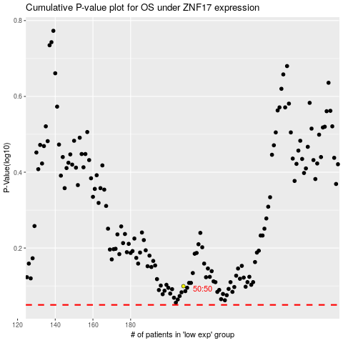

 |  |  |  |  |  | cases_OS | p_OS | rank | exp
 |  |  |  |  |  |  | cases_RFS | p_RFS | rank | exp

