ZNF175 _multivariate
Reported by Tex Li-Hsing Chi. tex@gate.sinica.edu.tw 2019-08-14

Table 2. The clinicopathological features of HNSCC cohort and ZNF175 expression. (Chi square test)
Cutoff at -0.126 (49.8%)
 |  | ZNF175 expression |  | ZNF175 expression |  | (Optimised)
 | Features | Low | (%) | High | (%) | Case no | P-value | Remark | Matthews
Gender | Female | 154 | 37.1 | 152 | 36.6 | 415 | 0.8463 | 0 | 0
2 | Male | 53 | 12.8 | 56 | 13.5
Age at diagnosis | <=65y | 132 | 31.8 | 142 | 34.2 | 415 | 0.3874 | 0 | 0
4 | >65y | 75 | 18.1 | 66 | 15.9
Clinical T Status | T1+T2 | 68 | 16.4 | 81 | 19.5 | 415 | 0.2336 | 0 | 0
6 | T3+T4 | 139 | 33.5 | 127 | 30.6
Clinical N Status | N0 | 106 | 25.5 | 110 | 26.5 | 415 | 0.8075 | 0 | 0
8 | N1-3 | 101 | 24.3 | 98 | 23.6
Clinical M Status | M0 | 204 | 49.2 | 208 | 50.1 | 415 | 0.1232 | 0 | 0
10 | M1 | 3 | 0.7 | 0 | 0
Clinical Stage | Stage I+II | 44 | 10.6 | 58 | 14 | 415 | 0.1459 | 0 | 0
12 | Stage III+IV | 163 | 39.3 | 150 | 36.1
Surgical Margin status | Negative | 155 | 37.3 | 163 | 39.3 | 415 | 0.4187 | 0 | 0
14 | Positive | 52 | 12.5 | 45 | 10.8
Tobacco Exposure | Low | 87 | 21 | 74 | 17.8 | 415 | 0.1911 | 0 | 0
16 | High | 120 | 28.9 | 134 | 32.3

Table 3. Univariate/Multivariate Cox's proportional hazards regression analyses on OS time of ZNF175 gene expression in HNSCC

 |  | Univariate |  |  |  | Multivariate
 | Features | HR | CI95%(L) | CI95%(H) | P-value | HR | CI95%(L) | CI95%(H) | P-value
1 | Female | 1 |  |  |  | 1
Gender | Male | 1.157 | 0.843 | 1.587 | 0.367 | 1.202 | 0.86 | 1.679 | 0.282
11 | <=65y | 1 |  |  |  | 1
Age at diagnosis | >65y | 1.329 | 0.99 | 1.784 | 0.058 | 1.372 | 1.009 | 1.866 | 0.044
12 | T1+T2 | 1 |  |  |  | 1
Clinical T Status | T3+T4 | 1.409 | 1.028 | 1.931 | 0.033 | 2.165 | 1.145 | 4.093 | 0.018
13 | N0 | 1 |  |  |  | 1
Clinical N Status | N1-3 | 1.185 | 0.89 | 1.577 | 0.246 | 1.245 | 0.873 | 1.776 | 0.227
14 | M0 | 1 |  |  |  | 1
Clinical M Status | M1 | 4.097 | 1.009 | 16.644 | 0.049 | 8.535 | 1.848 | 39.421 | 0.006
15 | Stage I+II | 1 |  |  |  | 1
Clinical Stage | Stage III+IV | 1.245 | 0.882 | 1.759 | 0.213 | 0.497 | 0.232 | 1.067 | 0.073
16 | Negative | 1 |  |  |  | 1
Surgical Margin status | Positive | 1.591 | 1.155 | 2.191 | 0.004 | 1.645 | 1.189 | 2.275 | 0.003
17 | Low | 1 |  |  |  | 1
Tobacco Exposure | High | 1.364 | 1.008 | 1.844 | 0.044 | 1.49 | 1.078 | 2.061 | 0.016
18 | Low | 1 |  |  |  | 1
RNAseq(z-score) | High | 0.79 | 0.593 | 1.053 | 0.109 | 0.836 | 0.622 | 1.125 | 0.238

Table 4. Univariate/Multivariate Cox's proportional hazards regression analyses on RFS time of ZNF175 gene expression in HNSCC

 |  | Univariate |  |  |  | Multivariate
 | Features | HR | CI95%(L) | CI95%(H) | P-value | HR | CI95%(L) | CI95%(H) | P-value
1 | Female | 1 |  |  |  | 1
Gender | Male | 1.157 | 0.843 | 1.587 | 0.367 | 1.202 | 0.86 | 1.679 | 0.282
11 | <=65y | 1 |  |  |  | 1
Age at diagnosis | >65y | 1.329 | 0.99 | 1.784 | 0.058 | 1.372 | 1.009 | 1.866 | 0.044
12 | T1+T2 | 1 |  |  |  | 1
Clinical T Status | T3+T4 | 1.409 | 1.028 | 1.931 | 0.033 | 2.165 | 1.145 | 4.093 | 0.018
13 | N0 | 1 |  |  |  | 1
Clinical N Status | N1-3 | 1.185 | 0.89 | 1.577 | 0.246 | 1.245 | 0.873 | 1.776 | 0.227
14 | M0 | 1 |  |  |  | 1
Clinical M Status | M1 | 4.097 | 1.009 | 16.644 | 0.049 | 8.535 | 1.848 | 39.421 | 0.006
15 | Stage I+II | 1 |  |  |  | 1
Clinical Stage | Stage III+IV | 1.245 | 0.882 | 1.759 | 0.213 | 0.497 | 0.232 | 1.067 | 0.073
16 | Negative | 1 |  |  |  | 1
Surgical Margin status | Positive | 1.591 | 1.155 | 2.191 | 0.004 | 1.645 | 1.189 | 2.275 | 0.003
17 | Low | 1 |  |  |  | 1
Tobacco Exposure | High | 1.364 | 1.008 | 1.844 | 0.044 | 1.49 | 1.078 | 2.061 | 0.016
18 | Low | 1 |  |  |  | 1
RNAseq(z-score) | High | 0.79 | 0.593 | 1.053 | 0.109 | 0.836 | 0.622 | 1.125 | 0.238

Kaplan-Meier survival estimate: Cutoff at -0.126 (49.8%)



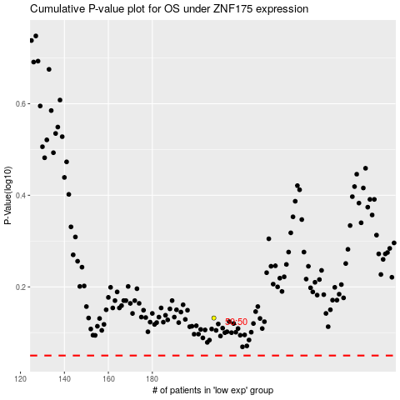

 |  |  |  |  |  | cases_OS | p_OS | rank | exp
 |  |  |  |  |  |  | cases_RFS | p_RFS | rank | exp

