ZNF177 _multivariate
Reported by Tex Li-Hsing Chi. tex@gate.sinica.edu.tw 2019-08-14

Table 2. The clinicopathological features of HNSCC cohort and ZNF177 expression. (Chi square test)
Cutoff at -0.58 (33.1%)
 |  | ZNF177 expression |  | ZNF177 expression |  | (Optimised)
 | Features | Low | (%) | High | (%) | Case no | P-value | Remark | Matthews
Gender | Female | 98 | 23.6 | 208 | 50.1 | 415 | 0.441 | 0 | 0
2 | Male | 40 | 9.6 | 69 | 16.6
Age at diagnosis | <=65y | 80 | 19.3 | 194 | 46.7 | 415 | 0.0196 | 1 | 0
4 | >65y | 58 | 14 | 83 | 20
Clinical T Status | T1+T2 | 42 | 10.1 | 107 | 25.8 | 415 | 0.1259 | 0 | 0
6 | T3+T4 | 96 | 23.1 | 170 | 41
Clinical N Status | N0 | 69 | 16.6 | 147 | 35.4 | 415 | 0.6275 | 0 | 0
8 | N1-3 | 69 | 16.6 | 130 | 31.3
Clinical M Status | M0 | 138 | 33.3 | 274 | 66 | 415 | 0.5539 | 0 | 0
10 | M1 | 0 | 0 | 3 | 0.7
Clinical Stage | Stage I+II | 32 | 7.7 | 70 | 16.9 | 415 | 0.7315 | 0 | 0
12 | Stage III+IV | 106 | 25.5 | 207 | 49.9
Surgical Margin status | Negative | 113 | 27.2 | 205 | 49.4 | 415 | 0.0849 | 0 | 0
14 | Positive | 25 | 6 | 72 | 17.3
Tobacco Exposure | Low | 52 | 12.5 | 109 | 26.3 | 415 | 0.7499 | 0 | 0
16 | High | 86 | 20.7 | 168 | 40.5

Table 3. Univariate/Multivariate Cox's proportional hazards regression analyses on OS time of ZNF177 gene expression in HNSCC

 |  | Univariate |  |  |  | Multivariate
 | Features | HR | CI95%(L) | CI95%(H) | P-value | HR | CI95%(L) | CI95%(H) | P-value
1 | Female | 1 |  |  |  | 1
Gender | Male | 1.157 | 0.843 | 1.587 | 0.367 | 1.184 | 0.848 | 1.655 | 0.322
11 | <=65y | 1 |  |  |  | 1
Age at diagnosis | >65y | 1.329 | 0.99 | 1.784 | 0.058 | 1.378 | 1.014 | 1.872 | 0.041
12 | T1+T2 | 1 |  |  |  | 1
Clinical T Status | T3+T4 | 1.409 | 1.028 | 1.931 | 0.033 | 2.107 | 1.111 | 3.993 | 0.022
13 | N0 | 1 |  |  |  | 1
Clinical N Status | N1-3 | 1.185 | 0.89 | 1.577 | 0.246 | 1.203 | 0.841 | 1.72 | 0.311
14 | M0 | 1 |  |  |  | 1
Clinical M Status | M1 | 4.097 | 1.009 | 16.644 | 0.049 | 10.22 | 2.222 | 46.995 | 0.003
15 | Stage I+II | 1 |  |  |  | 1
Clinical Stage | Stage III+IV | 1.245 | 0.882 | 1.759 | 0.213 | 0.519 | 0.241 | 1.114 | 0.092
16 | Negative | 1 |  |  |  | 1
Surgical Margin status | Positive | 1.591 | 1.155 | 2.191 | 0.004 | 1.723 | 1.244 | 2.384 | 0.001
17 | Low | 1 |  |  |  | 1
Tobacco Exposure | High | 1.364 | 1.008 | 1.844 | 0.044 | 1.462 | 1.061 | 2.012 | 0.02
18 | Low | 1 |  |  |  | 1
RNAseq(z-score) | High | 0.741 | 0.553 | 0.993 | 0.045 | 0.747 | 0.554 | 1.008 | 0.057

Table 4. Univariate/Multivariate Cox's proportional hazards regression analyses on RFS time of ZNF177 gene expression in HNSCC

 |  | Univariate |  |  |  | Multivariate
 | Features | HR | CI95%(L) | CI95%(H) | P-value | HR | CI95%(L) | CI95%(H) | P-value
1 | Female | 1 |  |  |  | 1
Gender | Male | 1.157 | 0.843 | 1.587 | 0.367 | 1.184 | 0.848 | 1.655 | 0.322
11 | <=65y | 1 |  |  |  | 1
Age at diagnosis | >65y | 1.329 | 0.99 | 1.784 | 0.058 | 1.378 | 1.014 | 1.872 | 0.041
12 | T1+T2 | 1 |  |  |  | 1
Clinical T Status | T3+T4 | 1.409 | 1.028 | 1.931 | 0.033 | 2.107 | 1.111 | 3.993 | 0.022
13 | N0 | 1 |  |  |  | 1
Clinical N Status | N1-3 | 1.185 | 0.89 | 1.577 | 0.246 | 1.203 | 0.841 | 1.72 | 0.311
14 | M0 | 1 |  |  |  | 1
Clinical M Status | M1 | 4.097 | 1.009 | 16.644 | 0.049 | 10.22 | 2.222 | 46.995 | 0.003
15 | Stage I+II | 1 |  |  |  | 1
Clinical Stage | Stage III+IV | 1.245 | 0.882 | 1.759 | 0.213 | 0.519 | 0.241 | 1.114 | 0.092
16 | Negative | 1 |  |  |  | 1
Surgical Margin status | Positive | 1.591 | 1.155 | 2.191 | 0.004 | 1.723 | 1.244 | 2.384 | 0.001
17 | Low | 1 |  |  |  | 1
Tobacco Exposure | High | 1.364 | 1.008 | 1.844 | 0.044 | 1.462 | 1.061 | 2.012 | 0.02
18 | Low | 1 |  |  |  | 1
RNAseq(z-score) | High | 0.741 | 0.553 | 0.993 | 0.045 | 0.747 | 0.554 | 1.008 | 0.057

Kaplan-Meier survival estimate: Cutoff at -0.58 (33.1%)



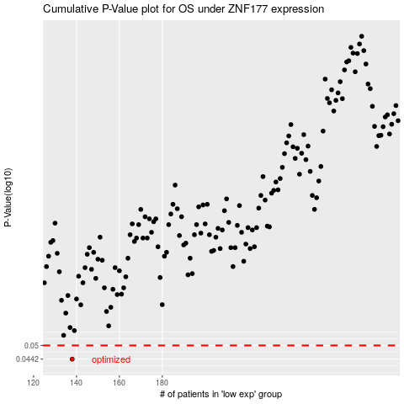

 |  |  |  |  |  | cases_OS | p_OS | rank | exp
 |  |  |  |  |  | 138 | 0.0442 | 44 | -0.57993155787
 |  |  |  |  |  |  | cases_RFS | p_RFS | rank | exp
 |  |  |  |  |  |  | 137 | 0.0442 | 69 | -0.58062190087

