ZNF185 _multivariate
Reported by Tex Li-Hsing Chi. tex@gate.sinica.edu.tw 2019-08-14

Table 2. The clinicopathological features of HNSCC cohort and ZNF185 expression. (Chi square test)
Cutoff at -0.339 (50.0%)
 |  | ZNF185 expression |  | ZNF185 expression |  | (Optimised)
 | Features | Low | (%) | High | (%) | Case no | P-value | Remark | Matthews
Gender | Female | 161 | 38.8 | 145 | 34.9 | 415 | 0.0792 | 0 | 0
2 | Male | 46 | 11.1 | 63 | 15.2
Age at diagnosis | <=65y | 133 | 32 | 141 | 34 | 415 | 0.5111 | 0 | 0
4 | >65y | 74 | 17.8 | 67 | 16.1
Clinical T Status | T1+T2 | 74 | 17.8 | 75 | 18.1 | 415 | 1 | 0 | 0
6 | T3+T4 | 133 | 32 | 133 | 32
Clinical N Status | N0 | 99 | 23.9 | 117 | 28.2 | 415 | 0.1054 | 0 | 0
8 | N1-3 | 108 | 26 | 91 | 21.9
Clinical M Status | M0 | 206 | 49.6 | 206 | 49.6 | 415 | 1 | 0 | 0
10 | M1 | 1 | 0.2 | 2 | 0.5
Clinical Stage | Stage I+II | 49 | 11.8 | 53 | 12.8 | 415 | 0.7535 | 0 | 0
12 | Stage III+IV | 158 | 38.1 | 155 | 37.3
Surgical Margin status | Negative | 154 | 37.1 | 164 | 39.5 | 415 | 0.2984 | 0 | 0
14 | Positive | 53 | 12.8 | 44 | 10.6
Tobacco Exposure | Low | 67 | 16.1 | 94 | 22.7 | 415 | 0.0088 | 1 | 0
16 | High | 140 | 33.7 | 114 | 27.5

Table 3. Univariate/Multivariate Cox's proportional hazards regression analyses on OS time of ZNF185 gene expression in HNSCC

 |  | Univariate |  |  |  | Multivariate
 | Features | HR | CI95%(L) | CI95%(H) | P-value | HR | CI95%(L) | CI95%(H) | P-value
1 | Female | 1 |  |  |  | 1
Gender | Male | 1.157 | 0.843 | 1.587 | 0.367 | 1.177 | 0.841 | 1.646 | 0.342
11 | <=65y | 1 |  |  |  | 1
Age at diagnosis | >65y | 1.329 | 0.99 | 1.784 | 0.058 | 1.412 | 1.038 | 1.922 | 0.028
12 | T1+T2 | 1 |  |  |  | 1
Clinical T Status | T3+T4 | 1.409 | 1.028 | 1.931 | 0.033 | 2.274 | 1.199 | 4.313 | 0.012
13 | N0 | 1 |  |  |  | 1
Clinical N Status | N1-3 | 1.185 | 0.89 | 1.577 | 0.246 | 1.289 | 0.898 | 1.85 | 0.168
14 | M0 | 1 |  |  |  | 1
Clinical M Status | M1 | 4.097 | 1.009 | 16.644 | 0.049 | 9.049 | 1.97 | 41.557 | 0.005
15 | Stage I+II | 1 |  |  |  | 1
Clinical Stage | Stage III+IV | 1.245 | 0.882 | 1.759 | 0.213 | 0.482 | 0.223 | 1.039 | 0.062
16 | Negative | 1 |  |  |  | 1
Surgical Margin status | Positive | 1.591 | 1.155 | 2.191 | 0.004 | 1.69 | 1.222 | 2.337 | 0.002
17 | Low | 1 |  |  |  | 1
Tobacco Exposure | High | 1.364 | 1.008 | 1.844 | 0.044 | 1.482 | 1.074 | 2.045 | 0.017
18 | Low | 1 |  |  |  | 1
RNAseq(z-score) | High | 1.07 | 0.801 | 1.429 | 0.648 | 1.19 | 0.881 | 1.606 | 0.257

Table 4. Univariate/Multivariate Cox's proportional hazards regression analyses on RFS time of ZNF185 gene expression in HNSCC

 |  | Univariate |  |  |  | Multivariate
 | Features | HR | CI95%(L) | CI95%(H) | P-value | HR | CI95%(L) | CI95%(H) | P-value
1 | Female | 1 |  |  |  | 1
Gender | Male | 1.157 | 0.843 | 1.587 | 0.367 | 1.177 | 0.841 | 1.646 | 0.342
11 | <=65y | 1 |  |  |  | 1
Age at diagnosis | >65y | 1.329 | 0.99 | 1.784 | 0.058 | 1.412 | 1.038 | 1.922 | 0.028
12 | T1+T2 | 1 |  |  |  | 1
Clinical T Status | T3+T4 | 1.409 | 1.028 | 1.931 | 0.033 | 2.274 | 1.199 | 4.313 | 0.012
13 | N0 | 1 |  |  |  | 1
Clinical N Status | N1-3 | 1.185 | 0.89 | 1.577 | 0.246 | 1.289 | 0.898 | 1.85 | 0.168
14 | M0 | 1 |  |  |  | 1
Clinical M Status | M1 | 4.097 | 1.009 | 16.644 | 0.049 | 9.049 | 1.97 | 41.557 | 0.005
15 | Stage I+II | 1 |  |  |  | 1
Clinical Stage | Stage III+IV | 1.245 | 0.882 | 1.759 | 0.213 | 0.482 | 0.223 | 1.039 | 0.062
16 | Negative | 1 |  |  |  | 1
Surgical Margin status | Positive | 1.591 | 1.155 | 2.191 | 0.004 | 1.69 | 1.222 | 2.337 | 0.002
17 | Low | 1 |  |  |  | 1
Tobacco Exposure | High | 1.364 | 1.008 | 1.844 | 0.044 | 1.482 | 1.074 | 2.045 | 0.017
18 | Low | 1 |  |  |  | 1
RNAseq(z-score) | High | 1.07 | 0.801 | 1.429 | 0.648 | 1.19 | 0.881 | 1.606 | 0.257

Kaplan-Meier survival estimate: Cutoff at -0.339 (50.0%)



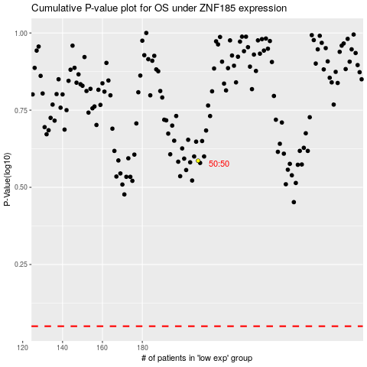

 |  |  |  |  |  | cases_OS | p_OS | rank | exp
 |  |  |  |  |  |  | cases_RFS | p_RFS | rank | exp

