ZNF19 _multivariate
Reported by Tex Li-Hsing Chi. tex@gate.sinica.edu.tw 2019-08-14

Table 2. The clinicopathological features of HNSCC cohort and ZNF19 expression. (Chi square test)
Cutoff at -0.189 (49.8%)
 |  | ZNF19 expression |  | ZNF19 expression |  | (Optimised)
 | Features | Low | (%) | High | (%) | Case no | P-value | Remark | Matthews
Gender | Female | 152 | 36.6 | 154 | 37.1 | 415 | 0.9766 | 0 | 0
2 | Male | 55 | 13.3 | 54 | 13
Age at diagnosis | <=65y | 133 | 32 | 141 | 34 | 415 | 0.5111 | 0 | 0
4 | >65y | 74 | 17.8 | 67 | 16.1
Clinical T Status | T1+T2 | 62 | 14.9 | 87 | 21 | 415 | 0.0156 | 1 | 0
6 | T3+T4 | 145 | 34.9 | 121 | 29.2
Clinical N Status | N0 | 104 | 25.1 | 112 | 27 | 415 | 0.5243 | 0 | 0
8 | N1-3 | 103 | 24.8 | 96 | 23.1
Clinical M Status | M0 | 207 | 49.9 | 205 | 49.4 | 415 | 0.2482 | 0 | 0
10 | M1 | 0 | 0 | 3 | 0.7
Clinical Stage | Stage I+II | 42 | 10.1 | 60 | 14.5 | 415 | 0.0561 | 0 | 0
12 | Stage III+IV | 165 | 39.8 | 148 | 35.7
Surgical Margin status | Negative | 159 | 38.3 | 159 | 38.3 | 415 | 1 | 0 | 0
14 | Positive | 48 | 11.6 | 49 | 11.8
Tobacco Exposure | Low | 73 | 17.6 | 88 | 21.2 | 415 | 0.1587 | 0 | 0
16 | High | 134 | 32.3 | 120 | 28.9

Table 3. Univariate/Multivariate Cox's proportional hazards regression analyses on OS time of ZNF19 gene expression in HNSCC

 |  | Univariate |  |  |  | Multivariate
 | Features | HR | CI95%(L) | CI95%(H) | P-value | HR | CI95%(L) | CI95%(H) | P-value
1 | Female | 1 |  |  |  | 1
Gender | Male | 1.157 | 0.843 | 1.587 | 0.367 | 1.201 | 0.86 | 1.678 | 0.283
11 | <=65y | 1 |  |  |  | 1
Age at diagnosis | >65y | 1.329 | 0.99 | 1.784 | 0.058 | 1.399 | 1.028 | 1.904 | 0.033
12 | T1+T2 | 1 |  |  |  | 1
Clinical T Status | T3+T4 | 1.409 | 1.028 | 1.931 | 0.033 | 2.209 | 1.168 | 4.177 | 0.015
13 | N0 | 1 |  |  |  | 1
Clinical N Status | N1-3 | 1.185 | 0.89 | 1.577 | 0.246 | 1.24 | 0.869 | 1.769 | 0.236
14 | M0 | 1 |  |  |  | 1
Clinical M Status | M1 | 4.097 | 1.009 | 16.644 | 0.049 | 9.154 | 1.984 | 42.226 | 0.005
15 | Stage I+II | 1 |  |  |  | 1
Clinical Stage | Stage III+IV | 1.245 | 0.882 | 1.759 | 0.213 | 0.508 | 0.237 | 1.092 | 0.083
16 | Negative | 1 |  |  |  | 1
Surgical Margin status | Positive | 1.591 | 1.155 | 2.191 | 0.004 | 1.669 | 1.207 | 2.306 | 0.002
17 | Low | 1 |  |  |  | 1
Tobacco Exposure | High | 1.364 | 1.008 | 1.844 | 0.044 | 1.452 | 1.054 | 2.001 | 0.023
18 | Low | 1 |  |  |  | 1
RNAseq(z-score) | High | 1.015 | 0.762 | 1.352 | 0.921 | 1.058 | 0.789 | 1.417 | 0.707

Table 4. Univariate/Multivariate Cox's proportional hazards regression analyses on RFS time of ZNF19 gene expression in HNSCC

 |  | Univariate |  |  |  | Multivariate
 | Features | HR | CI95%(L) | CI95%(H) | P-value | HR | CI95%(L) | CI95%(H) | P-value
1 | Female | 1 |  |  |  | 1
Gender | Male | 1.157 | 0.843 | 1.587 | 0.367 | 1.201 | 0.86 | 1.678 | 0.283
11 | <=65y | 1 |  |  |  | 1
Age at diagnosis | >65y | 1.329 | 0.99 | 1.784 | 0.058 | 1.399 | 1.028 | 1.904 | 0.033
12 | T1+T2 | 1 |  |  |  | 1
Clinical T Status | T3+T4 | 1.409 | 1.028 | 1.931 | 0.033 | 2.209 | 1.168 | 4.177 | 0.015
13 | N0 | 1 |  |  |  | 1
Clinical N Status | N1-3 | 1.185 | 0.89 | 1.577 | 0.246 | 1.24 | 0.869 | 1.769 | 0.236
14 | M0 | 1 |  |  |  | 1
Clinical M Status | M1 | 4.097 | 1.009 | 16.644 | 0.049 | 9.154 | 1.984 | 42.226 | 0.005
15 | Stage I+II | 1 |  |  |  | 1
Clinical Stage | Stage III+IV | 1.245 | 0.882 | 1.759 | 0.213 | 0.508 | 0.237 | 1.092 | 0.083
16 | Negative | 1 |  |  |  | 1
Surgical Margin status | Positive | 1.591 | 1.155 | 2.191 | 0.004 | 1.669 | 1.207 | 2.306 | 0.002
17 | Low | 1 |  |  |  | 1
Tobacco Exposure | High | 1.364 | 1.008 | 1.844 | 0.044 | 1.452 | 1.054 | 2.001 | 0.023
18 | Low | 1 |  |  |  | 1
RNAseq(z-score) | High | 1.015 | 0.762 | 1.352 | 0.921 | 1.058 | 0.789 | 1.417 | 0.707

Kaplan-Meier survival estimate: Cutoff at -0.189 (49.8%)



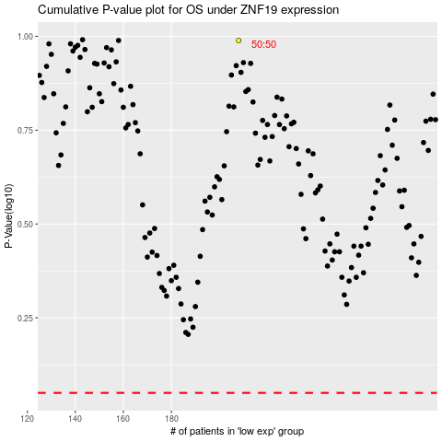

 |  |  |  |  |  | cases_OS | p_OS | rank | exp
 |  |  |  |  |  |  | cases_RFS | p_RFS | rank | exp

