ZNF192 _multivariate
Reported by Tex Li-Hsing Chi. tex@gate.sinica.edu.tw 2019-08-14

Table 2. The clinicopathological features of HNSCC cohort and ZNF192 expression. (Chi square test)
Cutoff at -0.115 (49.8%)
 |  | ZNF192 expression |  | ZNF192 expression |  | (Optimised)
 | Features | Low | (%) | High | (%) | Case no | P-value | Remark | Matthews
Gender | Female | 152 | 36.6 | 154 | 37.1 | 415 | 0.9766 | 0 | 0
2 | Male | 55 | 13.3 | 54 | 13
Age at diagnosis | <=65y | 138 | 33.3 | 136 | 32.8 | 415 | 0.8634 | 0 | 0
4 | >65y | 69 | 16.6 | 72 | 17.3
Clinical T Status | T1+T2 | 71 | 17.1 | 78 | 18.8 | 415 | 0.5638 | 0 | 0
6 | T3+T4 | 136 | 32.8 | 130 | 31.3
Clinical N Status | N0 | 109 | 26.3 | 107 | 25.8 | 415 | 0.8812 | 0 | 0
8 | N1-3 | 98 | 23.6 | 101 | 24.3
Clinical M Status | M0 | 204 | 49.2 | 208 | 50.1 | 415 | 0.1232 | 0 | 0
10 | M1 | 3 | 0.7 | 0 | 0
Clinical Stage | Stage I+II | 49 | 11.8 | 53 | 12.8 | 415 | 0.7535 | 0 | 0
12 | Stage III+IV | 158 | 38.1 | 155 | 37.3
Surgical Margin status | Negative | 152 | 36.6 | 166 | 40 | 415 | 0.1329 | 0 | 0
14 | Positive | 55 | 13.3 | 42 | 10.1
Tobacco Exposure | Low | 85 | 20.5 | 76 | 18.3 | 415 | 0.3655 | 0 | 0
16 | High | 122 | 29.4 | 132 | 31.8

Table 3. Univariate/Multivariate Cox's proportional hazards regression analyses on OS time of ZNF192 gene expression in HNSCC

 |  | Univariate |  |  |  | Multivariate
 | Features | HR | CI95%(L) | CI95%(H) | P-value | HR | CI95%(L) | CI95%(H) | P-value
1 | Female | 1 |  |  |  | 1
Gender | Male | 1.157 | 0.843 | 1.587 | 0.367 | 1.197 | 0.857 | 1.673 | 0.292
11 | <=65y | 1 |  |  |  | 1
Age at diagnosis | >65y | 1.329 | 0.99 | 1.784 | 0.058 | 1.394 | 1.025 | 1.895 | 0.034
12 | T1+T2 | 1 |  |  |  | 1
Clinical T Status | T3+T4 | 1.409 | 1.028 | 1.931 | 0.033 | 2.193 | 1.16 | 4.146 | 0.016
13 | N0 | 1 |  |  |  | 1
Clinical N Status | N1-3 | 1.185 | 0.89 | 1.577 | 0.246 | 1.252 | 0.877 | 1.787 | 0.216
14 | M0 | 1 |  |  |  | 1
Clinical M Status | M1 | 4.097 | 1.009 | 16.644 | 0.049 | 8.859 | 1.915 | 40.993 | 0.005
15 | Stage I+II | 1 |  |  |  | 1
Clinical Stage | Stage III+IV | 1.245 | 0.882 | 1.759 | 0.213 | 0.505 | 0.235 | 1.084 | 0.08
16 | Negative | 1 |  |  |  | 1
Surgical Margin status | Positive | 1.591 | 1.155 | 2.191 | 0.004 | 1.649 | 1.191 | 2.284 | 0.003
17 | Low | 1 |  |  |  | 1
Tobacco Exposure | High | 1.364 | 1.008 | 1.844 | 0.044 | 1.452 | 1.053 | 2.001 | 0.023
18 | Low | 1 |  |  |  | 1
RNAseq(z-score) | High | 0.848 | 0.636 | 1.13 | 0.259 | 0.904 | 0.675 | 1.211 | 0.5

Table 4. Univariate/Multivariate Cox's proportional hazards regression analyses on RFS time of ZNF192 gene expression in HNSCC

 |  | Univariate |  |  |  | Multivariate
 | Features | HR | CI95%(L) | CI95%(H) | P-value | HR | CI95%(L) | CI95%(H) | P-value
1 | Female | 1 |  |  |  | 1
Gender | Male | 1.157 | 0.843 | 1.587 | 0.367 | 1.197 | 0.857 | 1.673 | 0.292
11 | <=65y | 1 |  |  |  | 1
Age at diagnosis | >65y | 1.329 | 0.99 | 1.784 | 0.058 | 1.394 | 1.025 | 1.895 | 0.034
12 | T1+T2 | 1 |  |  |  | 1
Clinical T Status | T3+T4 | 1.409 | 1.028 | 1.931 | 0.033 | 2.193 | 1.16 | 4.146 | 0.016
13 | N0 | 1 |  |  |  | 1
Clinical N Status | N1-3 | 1.185 | 0.89 | 1.577 | 0.246 | 1.252 | 0.877 | 1.787 | 0.216
14 | M0 | 1 |  |  |  | 1
Clinical M Status | M1 | 4.097 | 1.009 | 16.644 | 0.049 | 8.859 | 1.915 | 40.993 | 0.005
15 | Stage I+II | 1 |  |  |  | 1
Clinical Stage | Stage III+IV | 1.245 | 0.882 | 1.759 | 0.213 | 0.505 | 0.235 | 1.084 | 0.08
16 | Negative | 1 |  |  |  | 1
Surgical Margin status | Positive | 1.591 | 1.155 | 2.191 | 0.004 | 1.649 | 1.191 | 2.284 | 0.003
17 | Low | 1 |  |  |  | 1
Tobacco Exposure | High | 1.364 | 1.008 | 1.844 | 0.044 | 1.452 | 1.053 | 2.001 | 0.023
18 | Low | 1 |  |  |  | 1
RNAseq(z-score) | High | 0.848 | 0.636 | 1.13 | 0.259 | 0.904 | 0.675 | 1.211 | 0.5

Kaplan-Meier survival estimate: Cutoff at -0.115 (49.8%)



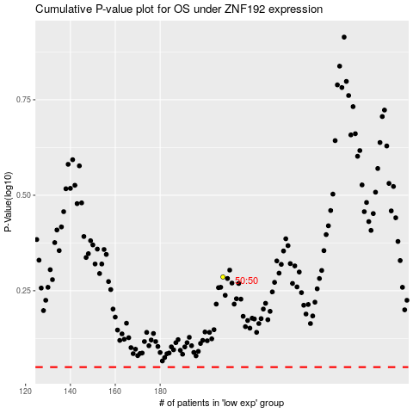

 |  |  |  |  |  | cases_OS | p_OS | rank | exp
 |  |  |  |  |  |  | cases_RFS | p_RFS | rank | exp

