ZNF2 _multivariate
Reported by Tex Li-Hsing Chi. tex@gate.sinica.edu.tw 2019-08-14

Table 2. The clinicopathological features of HNSCC cohort and ZNF2 expression. (Chi square test)
Cutoff at -0.168 (49.8%)
 |  | ZNF2 expression |  | ZNF2 expression |  | (Optimised)
 | Features | Low | (%) | High | (%) | Case no | P-value | Remark | Matthews
Gender | Female | 140 | 33.7 | 166 | 40 | 415 | 0.0068 | 1 | 0
2 | Male | 67 | 16.1 | 42 | 10.1
Age at diagnosis | <=65y | 125 | 30.1 | 149 | 35.9 | 415 | 0.0206 | 1 | 0
4 | >65y | 82 | 19.8 | 59 | 14.2
Clinical T Status | T1+T2 | 71 | 17.1 | 78 | 18.8 | 415 | 0.5638 | 0 | 0
6 | T3+T4 | 136 | 32.8 | 130 | 31.3
Clinical N Status | N0 | 110 | 26.5 | 106 | 25.5 | 415 | 0.7294 | 0 | 0
8 | N1-3 | 97 | 23.4 | 102 | 24.6
Clinical M Status | M0 | 206 | 49.6 | 206 | 49.6 | 415 | 1 | 0 | 0
10 | M1 | 1 | 0.2 | 2 | 0.5
Clinical Stage | Stage I+II | 52 | 12.5 | 50 | 12 | 415 | 0.8871 | 0 | 0
12 | Stage III+IV | 155 | 37.3 | 158 | 38.1
Surgical Margin status | Negative | 159 | 38.3 | 159 | 38.3 | 415 | 1 | 0 | 0
14 | Positive | 48 | 11.6 | 49 | 11.8
Tobacco Exposure | Low | 92 | 22.2 | 69 | 16.6 | 415 | 0.0206 | 1 | 0
16 | High | 115 | 27.7 | 139 | 33.5

Table 3. Univariate/Multivariate Cox's proportional hazards regression analyses on OS time of ZNF2 gene expression in HNSCC

 |  | Univariate |  |  |  | Multivariate
 | Features | HR | CI95%(L) | CI95%(H) | P-value | HR | CI95%(L) | CI95%(H) | P-value
1 | Female | 1 |  |  |  | 1
Gender | Male | 1.157 | 0.843 | 1.587 | 0.367 | 1.204 | 0.861 | 1.686 | 0.278
11 | <=65y | 1 |  |  |  | 1
Age at diagnosis | >65y | 1.329 | 0.99 | 1.784 | 0.058 | 1.394 | 1.024 | 1.899 | 0.035
12 | T1+T2 | 1 |  |  |  | 1
Clinical T Status | T3+T4 | 1.409 | 1.028 | 1.931 | 0.033 | 2.206 | 1.166 | 4.173 | 0.015
13 | N0 | 1 |  |  |  | 1
Clinical N Status | N1-3 | 1.185 | 0.89 | 1.577 | 0.246 | 1.242 | 0.87 | 1.773 | 0.233
14 | M0 | 1 |  |  |  | 1
Clinical M Status | M1 | 4.097 | 1.009 | 16.644 | 0.049 | 9.375 | 2.043 | 43.014 | 0.004
15 | Stage I+II | 1 |  |  |  | 1
Clinical Stage | Stage III+IV | 1.245 | 0.882 | 1.759 | 0.213 | 0.503 | 0.234 | 1.081 | 0.078
16 | Negative | 1 |  |  |  | 1
Surgical Margin status | Positive | 1.591 | 1.155 | 2.191 | 0.004 | 1.673 | 1.21 | 2.313 | 0.002
17 | Low | 1 |  |  |  | 1
Tobacco Exposure | High | 1.364 | 1.008 | 1.844 | 0.044 | 1.451 | 1.053 | 2.001 | 0.023
18 | Low | 1 |  |  |  | 1
RNAseq(z-score) | High | 0.976 | 0.733 | 1.301 | 0.87 | 1.019 | 0.759 | 1.368 | 0.901

Table 4. Univariate/Multivariate Cox's proportional hazards regression analyses on RFS time of ZNF2 gene expression in HNSCC

 |  | Univariate |  |  |  | Multivariate
 | Features | HR | CI95%(L) | CI95%(H) | P-value | HR | CI95%(L) | CI95%(H) | P-value
1 | Female | 1 |  |  |  | 1
Gender | Male | 1.157 | 0.843 | 1.587 | 0.367 | 1.204 | 0.861 | 1.686 | 0.278
11 | <=65y | 1 |  |  |  | 1
Age at diagnosis | >65y | 1.329 | 0.99 | 1.784 | 0.058 | 1.394 | 1.024 | 1.899 | 0.035
12 | T1+T2 | 1 |  |  |  | 1
Clinical T Status | T3+T4 | 1.409 | 1.028 | 1.931 | 0.033 | 2.206 | 1.166 | 4.173 | 0.015
13 | N0 | 1 |  |  |  | 1
Clinical N Status | N1-3 | 1.185 | 0.89 | 1.577 | 0.246 | 1.242 | 0.87 | 1.773 | 0.233
14 | M0 | 1 |  |  |  | 1
Clinical M Status | M1 | 4.097 | 1.009 | 16.644 | 0.049 | 9.375 | 2.043 | 43.014 | 0.004
15 | Stage I+II | 1 |  |  |  | 1
Clinical Stage | Stage III+IV | 1.245 | 0.882 | 1.759 | 0.213 | 0.503 | 0.234 | 1.081 | 0.078
16 | Negative | 1 |  |  |  | 1
Surgical Margin status | Positive | 1.591 | 1.155 | 2.191 | 0.004 | 1.673 | 1.21 | 2.313 | 0.002
17 | Low | 1 |  |  |  | 1
Tobacco Exposure | High | 1.364 | 1.008 | 1.844 | 0.044 | 1.451 | 1.053 | 2.001 | 0.023
18 | Low | 1 |  |  |  | 1
RNAseq(z-score) | High | 0.976 | 0.733 | 1.301 | 0.87 | 1.019 | 0.759 | 1.368 | 0.901

Kaplan-Meier survival estimate: Cutoff at -0.168 (49.8%)



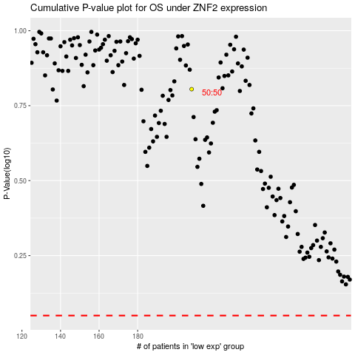

 |  |  |  |  |  | cases_OS | p_OS | rank | exp
 |  |  |  |  |  |  | cases_RFS | p_RFS | rank | exp

