ZNF202 _multivariate
Reported by Tex Li-Hsing Chi. tex@gate.sinica.edu.tw 2019-08-14

Table 2. The clinicopathological features of HNSCC cohort and ZNF202 expression. (Chi square test)
Cutoff at -0.167 (49.8%)
 |  | ZNF202 expression |  | ZNF202 expression |  | (Optimised)
 | Features | Low | (%) | High | (%) | Case no | P-value | Remark | Matthews
Gender | Female | 160 | 38.6 | 146 | 35.2 | 415 | 0.1254 | 0 | 0
2 | Male | 47 | 11.3 | 62 | 14.9
Age at diagnosis | <=65y | 133 | 32 | 141 | 34 | 415 | 0.5111 | 0 | 0
4 | >65y | 74 | 17.8 | 67 | 16.1
Clinical T Status | T1+T2 | 76 | 18.3 | 73 | 17.6 | 415 | 0.8092 | 0 | 0
6 | T3+T4 | 131 | 31.6 | 135 | 32.5
Clinical N Status | N0 | 96 | 23.1 | 120 | 28.9 | 415 | 0.0272 | 1 | 0
8 | N1-3 | 111 | 26.7 | 88 | 21.2
Clinical M Status | M0 | 205 | 49.4 | 207 | 49.9 | 415 | 0.6232 | 0 | 0
10 | M1 | 2 | 0.5 | 1 | 0.2
Clinical Stage | Stage I+II | 47 | 11.3 | 55 | 13.3 | 415 | 0.4413 | 0 | 0
12 | Stage III+IV | 160 | 38.6 | 153 | 36.9
Surgical Margin status | Negative | 161 | 38.8 | 157 | 37.8 | 415 | 0.6429 | 0 | 0
14 | Positive | 46 | 11.1 | 51 | 12.3
Tobacco Exposure | Low | 81 | 19.5 | 80 | 19.3 | 415 | 0.9199 | 0 | 0
16 | High | 126 | 30.4 | 128 | 30.8

Table 3. Univariate/Multivariate Cox's proportional hazards regression analyses on OS time of ZNF202 gene expression in HNSCC

 |  | Univariate |  |  |  | Multivariate
 | Features | HR | CI95%(L) | CI95%(H) | P-value | HR | CI95%(L) | CI95%(H) | P-value
1 | Female | 1 |  |  |  | 1
Gender | Male | 1.157 | 0.843 | 1.587 | 0.367 | 1.199 | 0.857 | 1.678 | 0.289
11 | <=65y | 1 |  |  |  | 1
Age at diagnosis | >65y | 1.329 | 0.99 | 1.784 | 0.058 | 1.394 | 1.025 | 1.895 | 0.034
12 | T1+T2 | 1 |  |  |  | 1
Clinical T Status | T3+T4 | 1.409 | 1.028 | 1.931 | 0.033 | 2.204 | 1.165 | 4.168 | 0.015
13 | N0 | 1 |  |  |  | 1
Clinical N Status | N1-3 | 1.185 | 0.89 | 1.577 | 0.246 | 1.244 | 0.87 | 1.779 | 0.231
14 | M0 | 1 |  |  |  | 1
Clinical M Status | M1 | 4.097 | 1.009 | 16.644 | 0.049 | 9.455 | 2.059 | 43.417 | 0.004
15 | Stage I+II | 1 |  |  |  | 1
Clinical Stage | Stage III+IV | 1.245 | 0.882 | 1.759 | 0.213 | 0.504 | 0.235 | 1.082 | 0.079
16 | Negative | 1 |  |  |  | 1
Surgical Margin status | Positive | 1.591 | 1.155 | 2.191 | 0.004 | 1.669 | 1.207 | 2.308 | 0.002
17 | Low | 1 |  |  |  | 1
Tobacco Exposure | High | 1.364 | 1.008 | 1.844 | 0.044 | 1.453 | 1.054 | 2.002 | 0.022
18 | Low | 1 |  |  |  | 1
RNAseq(z-score) | High | 1.012 | 0.759 | 1.348 | 0.936 | 1.02 | 0.762 | 1.366 | 0.892

Table 4. Univariate/Multivariate Cox's proportional hazards regression analyses on RFS time of ZNF202 gene expression in HNSCC

 |  | Univariate |  |  |  | Multivariate
 | Features | HR | CI95%(L) | CI95%(H) | P-value | HR | CI95%(L) | CI95%(H) | P-value
1 | Female | 1 |  |  |  | 1
Gender | Male | 1.157 | 0.843 | 1.587 | 0.367 | 1.199 | 0.857 | 1.678 | 0.289
11 | <=65y | 1 |  |  |  | 1
Age at diagnosis | >65y | 1.329 | 0.99 | 1.784 | 0.058 | 1.394 | 1.025 | 1.895 | 0.034
12 | T1+T2 | 1 |  |  |  | 1
Clinical T Status | T3+T4 | 1.409 | 1.028 | 1.931 | 0.033 | 2.204 | 1.165 | 4.168 | 0.015
13 | N0 | 1 |  |  |  | 1
Clinical N Status | N1-3 | 1.185 | 0.89 | 1.577 | 0.246 | 1.244 | 0.87 | 1.779 | 0.231
14 | M0 | 1 |  |  |  | 1
Clinical M Status | M1 | 4.097 | 1.009 | 16.644 | 0.049 | 9.455 | 2.059 | 43.417 | 0.004
15 | Stage I+II | 1 |  |  |  | 1
Clinical Stage | Stage III+IV | 1.245 | 0.882 | 1.759 | 0.213 | 0.504 | 0.235 | 1.082 | 0.079
16 | Negative | 1 |  |  |  | 1
Surgical Margin status | Positive | 1.591 | 1.155 | 2.191 | 0.004 | 1.669 | 1.207 | 2.308 | 0.002
17 | Low | 1 |  |  |  | 1
Tobacco Exposure | High | 1.364 | 1.008 | 1.844 | 0.044 | 1.453 | 1.054 | 2.002 | 0.022
18 | Low | 1 |  |  |  | 1
RNAseq(z-score) | High | 1.012 | 0.759 | 1.348 | 0.936 | 1.02 | 0.762 | 1.366 | 0.892

Kaplan-Meier survival estimate: Cutoff at -0.167 (49.8%)

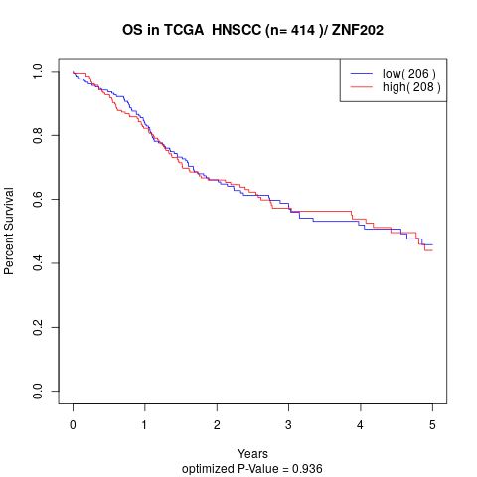

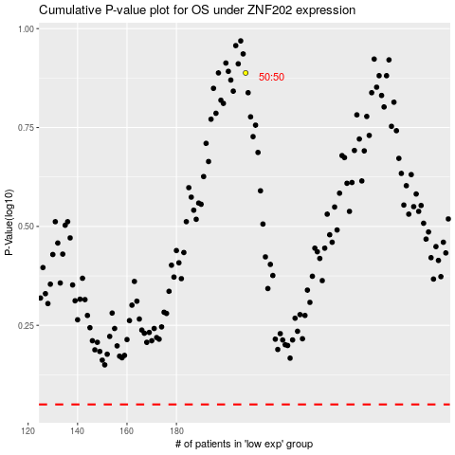

 |  |  |  |  |  | cases_OS | p_OS | rank | exp
 |  |  |  |  |  |  | cases_RFS | p_RFS | rank | exp

