ZNF204P _multivariate
Reported by Tex Li-Hsing Chi. tex@gate.sinica.edu.tw 2019-08-14

Table 2. The clinicopathological features of HNSCC cohort and ZNF204P expression. (Chi square test)
Cutoff at -0.334 (49.8%)
 |  | ZNF204P expression |  | ZNF204P expression |  | (Optimised)
 | Features | Low | (%) | High | (%) | Case no | P-value | Remark | Matthews
Gender | Female | 159 | 38.3 | 147 | 35.4 | 415 | 0.1905 | 0 | 0
2 | Male | 48 | 11.6 | 61 | 14.7
Age at diagnosis | <=65y | 148 | 35.7 | 126 | 30.4 | 415 | 0.0248 | 1 | 0
4 | >65y | 59 | 14.2 | 82 | 19.8
Clinical T Status | T1+T2 | 68 | 16.4 | 81 | 19.5 | 415 | 0.2336 | 0 | 0
6 | T3+T4 | 139 | 33.5 | 127 | 30.6
Clinical N Status | N0 | 100 | 24.1 | 116 | 28 | 415 | 0.1548 | 0 | 0
8 | N1-3 | 107 | 25.8 | 92 | 22.2
Clinical M Status | M0 | 206 | 49.6 | 206 | 49.6 | 415 | 1 | 0 | 0
10 | M1 | 1 | 0.2 | 2 | 0.5
Clinical Stage | Stage I+II | 46 | 11.1 | 56 | 13.5 | 415 | 0.3182 | 0 | 0
12 | Stage III+IV | 161 | 38.8 | 152 | 36.6
Surgical Margin status | Negative | 170 | 41 | 148 | 35.7 | 415 | 0.0105 | 1 | 0
14 | Positive | 37 | 8.9 | 60 | 14.5
Tobacco Exposure | Low | 75 | 18.1 | 86 | 20.7 | 415 | 0.3141 | 0 | 0
16 | High | 132 | 31.8 | 122 | 29.4

Table 3. Univariate/Multivariate Cox's proportional hazards regression analyses on OS time of ZNF204P gene expression in HNSCC

 |  | Univariate |  |  |  | Multivariate
 | Features | HR | CI95%(L) | CI95%(H) | P-value | HR | CI95%(L) | CI95%(H) | P-value
1 | Female | 1 |  |  |  | 1
Gender | Male | 1.157 | 0.843 | 1.587 | 0.367 | 1.194 | 0.854 | 1.668 | 0.3
11 | <=65y | 1 |  |  |  | 1
Age at diagnosis | >65y | 1.329 | 0.99 | 1.784 | 0.058 | 1.374 | 1.01 | 1.87 | 0.043
12 | T1+T2 | 1 |  |  |  | 1
Clinical T Status | T3+T4 | 1.409 | 1.028 | 1.931 | 0.033 | 2.229 | 1.178 | 4.22 | 0.014
13 | N0 | 1 |  |  |  | 1
Clinical N Status | N1-3 | 1.185 | 0.89 | 1.577 | 0.246 | 1.257 | 0.88 | 1.796 | 0.208
14 | M0 | 1 |  |  |  | 1
Clinical M Status | M1 | 4.097 | 1.009 | 16.644 | 0.049 | 9.275 | 2.022 | 42.534 | 0.004
15 | Stage I+II | 1 |  |  |  | 1
Clinical Stage | Stage III+IV | 1.245 | 0.882 | 1.759 | 0.213 | 0.502 | 0.234 | 1.078 | 0.077
16 | Negative | 1 |  |  |  | 1
Surgical Margin status | Positive | 1.591 | 1.155 | 2.191 | 0.004 | 1.634 | 1.177 | 2.267 | 0.003
17 | Low | 1 |  |  |  | 1
Tobacco Exposure | High | 1.364 | 1.008 | 1.844 | 0.044 | 1.445 | 1.049 | 1.991 | 0.024
18 | Low | 1 |  |  |  | 1
RNAseq(z-score) | High | 1.197 | 0.897 | 1.596 | 0.221 | 1.138 | 0.847 | 1.53 | 0.391

Table 4. Univariate/Multivariate Cox's proportional hazards regression analyses on RFS time of ZNF204P gene expression in HNSCC

 |  | Univariate |  |  |  | Multivariate
 | Features | HR | CI95%(L) | CI95%(H) | P-value | HR | CI95%(L) | CI95%(H) | P-value
1 | Female | 1 |  |  |  | 1
Gender | Male | 1.157 | 0.843 | 1.587 | 0.367 | 1.194 | 0.854 | 1.668 | 0.3
11 | <=65y | 1 |  |  |  | 1
Age at diagnosis | >65y | 1.329 | 0.99 | 1.784 | 0.058 | 1.374 | 1.01 | 1.87 | 0.043
12 | T1+T2 | 1 |  |  |  | 1
Clinical T Status | T3+T4 | 1.409 | 1.028 | 1.931 | 0.033 | 2.229 | 1.178 | 4.22 | 0.014
13 | N0 | 1 |  |  |  | 1
Clinical N Status | N1-3 | 1.185 | 0.89 | 1.577 | 0.246 | 1.257 | 0.88 | 1.796 | 0.208
14 | M0 | 1 |  |  |  | 1
Clinical M Status | M1 | 4.097 | 1.009 | 16.644 | 0.049 | 9.275 | 2.022 | 42.534 | 0.004
15 | Stage I+II | 1 |  |  |  | 1
Clinical Stage | Stage III+IV | 1.245 | 0.882 | 1.759 | 0.213 | 0.502 | 0.234 | 1.078 | 0.077
16 | Negative | 1 |  |  |  | 1
Surgical Margin status | Positive | 1.591 | 1.155 | 2.191 | 0.004 | 1.634 | 1.177 | 2.267 | 0.003
17 | Low | 1 |  |  |  | 1
Tobacco Exposure | High | 1.364 | 1.008 | 1.844 | 0.044 | 1.445 | 1.049 | 1.991 | 0.024
18 | Low | 1 |  |  |  | 1
RNAseq(z-score) | High | 1.197 | 0.897 | 1.596 | 0.221 | 1.138 | 0.847 | 1.53 | 0.391

Kaplan-Meier survival estimate: Cutoff at -0.334 (49.8%)



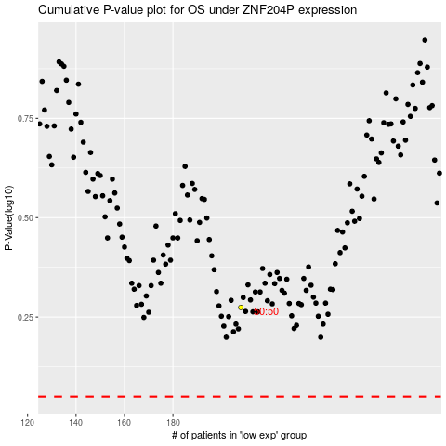

 |  |  |  |  |  | cases_OS | p_OS | rank | exp
 |  |  |  |  |  |  | cases_RFS | p_RFS | rank | exp

