ZNF207 _multivariate
Reported by Tex Li-Hsing Chi. tex@gate.sinica.edu.tw 2019-08-14

Table 2. The clinicopathological features of HNSCC cohort and ZNF207 expression. (Chi square test)
Cutoff at -0.053 (49.8%)
 |  | ZNF207 expression |  | ZNF207 expression |  | (Optimised)
 | Features | Low | (%) | High | (%) | Case no | P-value | Remark | Matthews
Gender | Female | 152 | 36.6 | 154 | 37.1 | 415 | 0.9766 | 0 | 0
2 | Male | 55 | 13.3 | 54 | 13
Age at diagnosis | <=65y | 144 | 34.7 | 130 | 31.3 | 415 | 0.1568 | 0 | 0
4 | >65y | 63 | 15.2 | 78 | 18.8
Clinical T Status | T1+T2 | 72 | 17.3 | 77 | 18.6 | 415 | 0.7095 | 0 | 0
6 | T3+T4 | 135 | 32.5 | 131 | 31.6
Clinical N Status | N0 | 101 | 24.3 | 115 | 27.7 | 415 | 0.2201 | 0 | 0
8 | N1-3 | 106 | 25.5 | 93 | 22.4
Clinical M Status | M0 | 205 | 49.4 | 207 | 49.9 | 415 | 0.6232 | 0 | 0
10 | M1 | 2 | 0.5 | 1 | 0.2
Clinical Stage | Stage I+II | 47 | 11.3 | 55 | 13.3 | 415 | 0.4413 | 0 | 0
12 | Stage III+IV | 160 | 38.6 | 153 | 36.9
Surgical Margin status | Negative | 152 | 36.6 | 166 | 40 | 415 | 0.1329 | 0 | 0
14 | Positive | 55 | 13.3 | 42 | 10.1
Tobacco Exposure | Low | 92 | 22.2 | 69 | 16.6 | 415 | 0.0206 | 1 | 0
16 | High | 115 | 27.7 | 139 | 33.5

Table 3. Univariate/Multivariate Cox's proportional hazards regression analyses on OS time of ZNF207 gene expression in HNSCC

 |  | Univariate |  |  |  | Multivariate
 | Features | HR | CI95%(L) | CI95%(H) | P-value | HR | CI95%(L) | CI95%(H) | P-value
1 | Female | 1 |  |  |  | 1
Gender | Male | 1.157 | 0.843 | 1.587 | 0.367 | 1.215 | 0.869 | 1.699 | 0.255
11 | <=65y | 1 |  |  |  | 1
Age at diagnosis | >65y | 1.329 | 0.99 | 1.784 | 0.058 | 1.364 | 1 | 1.859 | 0.05
12 | T1+T2 | 1 |  |  |  | 1
Clinical T Status | T3+T4 | 1.409 | 1.028 | 1.931 | 0.033 | 2.228 | 1.178 | 4.214 | 0.014
13 | N0 | 1 |  |  |  | 1
Clinical N Status | N1-3 | 1.185 | 0.89 | 1.577 | 0.246 | 1.258 | 0.881 | 1.797 | 0.207
14 | M0 | 1 |  |  |  | 1
Clinical M Status | M1 | 4.097 | 1.009 | 16.644 | 0.049 | 9.64 | 2.101 | 44.223 | 0.004
15 | Stage I+II | 1 |  |  |  | 1
Clinical Stage | Stage III+IV | 1.245 | 0.882 | 1.759 | 0.213 | 0.502 | 0.234 | 1.078 | 0.077
16 | Negative | 1 |  |  |  | 1
Surgical Margin status | Positive | 1.591 | 1.155 | 2.191 | 0.004 | 1.701 | 1.229 | 2.356 | 0.001
17 | Low | 1 |  |  |  | 1
Tobacco Exposure | High | 1.364 | 1.008 | 1.844 | 0.044 | 1.443 | 1.046 | 1.991 | 0.026
18 | Low | 1 |  |  |  | 1
RNAseq(z-score) | High | 1.116 | 0.837 | 1.487 | 0.455 | 1.163 | 0.867 | 1.561 | 0.313

Table 4. Univariate/Multivariate Cox's proportional hazards regression analyses on RFS time of ZNF207 gene expression in HNSCC

 |  | Univariate |  |  |  | Multivariate
 | Features | HR | CI95%(L) | CI95%(H) | P-value | HR | CI95%(L) | CI95%(H) | P-value
1 | Female | 1 |  |  |  | 1
Gender | Male | 1.157 | 0.843 | 1.587 | 0.367 | 1.215 | 0.869 | 1.699 | 0.255
11 | <=65y | 1 |  |  |  | 1
Age at diagnosis | >65y | 1.329 | 0.99 | 1.784 | 0.058 | 1.364 | 1 | 1.859 | 0.05
12 | T1+T2 | 1 |  |  |  | 1
Clinical T Status | T3+T4 | 1.409 | 1.028 | 1.931 | 0.033 | 2.228 | 1.178 | 4.214 | 0.014
13 | N0 | 1 |  |  |  | 1
Clinical N Status | N1-3 | 1.185 | 0.89 | 1.577 | 0.246 | 1.258 | 0.881 | 1.797 | 0.207
14 | M0 | 1 |  |  |  | 1
Clinical M Status | M1 | 4.097 | 1.009 | 16.644 | 0.049 | 9.64 | 2.101 | 44.223 | 0.004
15 | Stage I+II | 1 |  |  |  | 1
Clinical Stage | Stage III+IV | 1.245 | 0.882 | 1.759 | 0.213 | 0.502 | 0.234 | 1.078 | 0.077
16 | Negative | 1 |  |  |  | 1
Surgical Margin status | Positive | 1.591 | 1.155 | 2.191 | 0.004 | 1.701 | 1.229 | 2.356 | 0.001
17 | Low | 1 |  |  |  | 1
Tobacco Exposure | High | 1.364 | 1.008 | 1.844 | 0.044 | 1.443 | 1.046 | 1.991 | 0.026
18 | Low | 1 |  |  |  | 1
RNAseq(z-score) | High | 1.116 | 0.837 | 1.487 | 0.455 | 1.163 | 0.867 | 1.561 | 0.313

Kaplan-Meier survival estimate: Cutoff at -0.053 (49.8%)



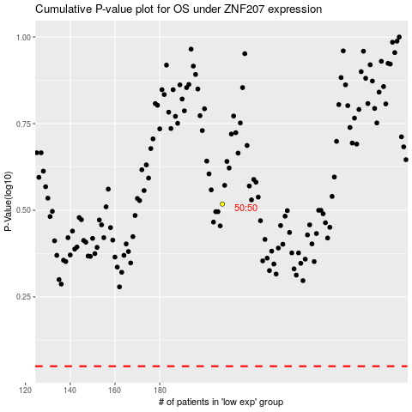

 |  |  |  |  |  | cases_OS | p_OS | rank | exp
 |  |  |  |  |  |  | cases_RFS | p_RFS | rank | exp

