ZNF208 _multivariate
Reported by Tex Li-Hsing Chi. tex@gate.sinica.edu.tw 2019-08-14

Table 2. The clinicopathological features of HNSCC cohort and ZNF208 expression. (Chi square test)
Cutoff at -0.221 (50.0%)
 |  | ZNF208 expression |  | ZNF208 expression |  | (Optimised)
 | Features | Low | (%) | High | (%) | Case no | P-value | Remark | Matthews
Gender | Female | 156 | 37.6 | 150 | 36.1 | 415 | 0.5222 | 0 | 0
2 | Male | 51 | 12.3 | 58 | 14
Age at diagnosis | <=65y | 142 | 34.2 | 132 | 31.8 | 415 | 0.3167 | 0 | 0
4 | >65y | 65 | 15.7 | 76 | 18.3
Clinical T Status | T1+T2 | 64 | 15.4 | 85 | 20.5 | 415 | 0.0445 | 1 | 0
6 | T3+T4 | 143 | 34.5 | 123 | 29.6
Clinical N Status | N0 | 112 | 27 | 104 | 25.1 | 415 | 0.4599 | 0 | 0
8 | N1-3 | 95 | 22.9 | 104 | 25.1
Clinical M Status | M0 | 205 | 49.4 | 207 | 49.9 | 415 | 0.6232 | 0 | 0
10 | M1 | 2 | 0.5 | 1 | 0.2
Clinical Stage | Stage I+II | 46 | 11.1 | 56 | 13.5 | 415 | 0.3182 | 0 | 0
12 | Stage III+IV | 161 | 38.8 | 152 | 36.6
Surgical Margin status | Negative | 169 | 40.7 | 149 | 35.9 | 415 | 0.0201 | 1 | 0
14 | Positive | 38 | 9.2 | 59 | 14.2
Tobacco Exposure | Low | 79 | 19 | 82 | 19.8 | 415 | 0.8405 | 0 | 0
16 | High | 128 | 30.8 | 126 | 30.4

Table 3. Univariate/Multivariate Cox's proportional hazards regression analyses on OS time of ZNF208 gene expression in HNSCC

 |  | Univariate |  |  |  | Multivariate
 | Features | HR | CI95%(L) | CI95%(H) | P-value | HR | CI95%(L) | CI95%(H) | P-value
1 | Female | 1 |  |  |  | 1
Gender | Male | 1.157 | 0.843 | 1.587 | 0.367 | 1.208 | 0.864 | 1.689 | 0.27
11 | <=65y | 1 |  |  |  | 1
Age at diagnosis | >65y | 1.329 | 0.99 | 1.784 | 0.058 | 1.394 | 1.025 | 1.895 | 0.034
12 | T1+T2 | 1 |  |  |  | 1
Clinical T Status | T3+T4 | 1.409 | 1.028 | 1.931 | 0.033 | 2.176 | 1.149 | 4.123 | 0.017
13 | N0 | 1 |  |  |  | 1
Clinical N Status | N1-3 | 1.185 | 0.89 | 1.577 | 0.246 | 1.247 | 0.873 | 1.78 | 0.225
14 | M0 | 1 |  |  |  | 1
Clinical M Status | M1 | 4.097 | 1.009 | 16.644 | 0.049 | 9.129 | 1.981 | 42.065 | 0.005
15 | Stage I+II | 1 |  |  |  | 1
Clinical Stage | Stage III+IV | 1.245 | 0.882 | 1.759 | 0.213 | 0.506 | 0.236 | 1.087 | 0.081
16 | Negative | 1 |  |  |  | 1
Surgical Margin status | Positive | 1.591 | 1.155 | 2.191 | 0.004 | 1.691 | 1.219 | 2.345 | 0.002
17 | Low | 1 |  |  |  | 1
Tobacco Exposure | High | 1.364 | 1.008 | 1.844 | 0.044 | 1.452 | 1.054 | 2.002 | 0.023
18 | Low | 1 |  |  |  | 1
RNAseq(z-score) | High | 0.938 | 0.705 | 1.25 | 0.663 | 0.932 | 0.695 | 1.251 | 0.64

Table 4. Univariate/Multivariate Cox's proportional hazards regression analyses on RFS time of ZNF208 gene expression in HNSCC

 |  | Univariate |  |  |  | Multivariate
 | Features | HR | CI95%(L) | CI95%(H) | P-value | HR | CI95%(L) | CI95%(H) | P-value
1 | Female | 1 |  |  |  | 1
Gender | Male | 1.157 | 0.843 | 1.587 | 0.367 | 1.208 | 0.864 | 1.689 | 0.27
11 | <=65y | 1 |  |  |  | 1
Age at diagnosis | >65y | 1.329 | 0.99 | 1.784 | 0.058 | 1.394 | 1.025 | 1.895 | 0.034
12 | T1+T2 | 1 |  |  |  | 1
Clinical T Status | T3+T4 | 1.409 | 1.028 | 1.931 | 0.033 | 2.176 | 1.149 | 4.123 | 0.017
13 | N0 | 1 |  |  |  | 1
Clinical N Status | N1-3 | 1.185 | 0.89 | 1.577 | 0.246 | 1.247 | 0.873 | 1.78 | 0.225
14 | M0 | 1 |  |  |  | 1
Clinical M Status | M1 | 4.097 | 1.009 | 16.644 | 0.049 | 9.129 | 1.981 | 42.065 | 0.005
15 | Stage I+II | 1 |  |  |  | 1
Clinical Stage | Stage III+IV | 1.245 | 0.882 | 1.759 | 0.213 | 0.506 | 0.236 | 1.087 | 0.081
16 | Negative | 1 |  |  |  | 1
Surgical Margin status | Positive | 1.591 | 1.155 | 2.191 | 0.004 | 1.691 | 1.219 | 2.345 | 0.002
17 | Low | 1 |  |  |  | 1
Tobacco Exposure | High | 1.364 | 1.008 | 1.844 | 0.044 | 1.452 | 1.054 | 2.002 | 0.023
18 | Low | 1 |  |  |  | 1
RNAseq(z-score) | High | 0.938 | 0.705 | 1.25 | 0.663 | 0.932 | 0.695 | 1.251 | 0.64

Kaplan-Meier survival estimate: Cutoff at -0.221 (50.0%)



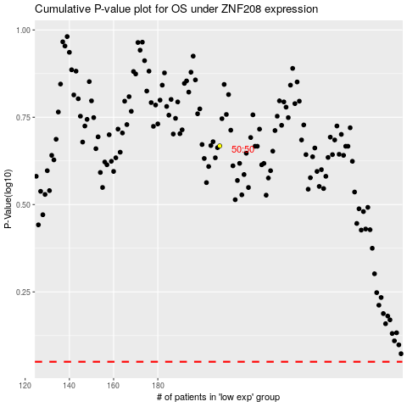

 |  |  |  |  |  | cases_OS | p_OS | rank | exp
 |  |  |  |  |  |  | cases_RFS | p_RFS | rank | exp

