ZNF211 _multivariate
Reported by Tex Li-Hsing Chi. tex@gate.sinica.edu.tw 2019-08-14

Table 2. The clinicopathological features of HNSCC cohort and ZNF211 expression. (Chi square test)
Cutoff at -0.17 (50.0%)
 |  | ZNF211 expression |  | ZNF211 expression |  | (Optimised)
 | Features | Low | (%) | High | (%) | Case no | P-value | Remark | Matthews
Gender | Female | 147 | 35.4 | 159 | 38.3 | 415 | 0.2523 | 0 | 0
2 | Male | 60 | 14.5 | 49 | 11.8
Age at diagnosis | <=65y | 137 | 33 | 137 | 33 | 415 | 1 | 0 | 0
4 | >65y | 70 | 16.9 | 71 | 17.1
Clinical T Status | T1+T2 | 70 | 16.9 | 79 | 19 | 415 | 0.4343 | 0 | 0
6 | T3+T4 | 137 | 33 | 129 | 31.1
Clinical N Status | N0 | 104 | 25.1 | 112 | 27 | 415 | 0.5243 | 0 | 0
8 | N1-3 | 103 | 24.8 | 96 | 23.1
Clinical M Status | M0 | 206 | 49.6 | 206 | 49.6 | 415 | 1 | 0 | 0
10 | M1 | 1 | 0.2 | 2 | 0.5
Clinical Stage | Stage I+II | 52 | 12.5 | 50 | 12 | 415 | 0.8871 | 0 | 0
12 | Stage III+IV | 155 | 37.3 | 158 | 38.1
Surgical Margin status | Negative | 162 | 39 | 156 | 37.6 | 415 | 0.4867 | 0 | 0
14 | Positive | 45 | 10.8 | 52 | 12.5
Tobacco Exposure | Low | 73 | 17.6 | 88 | 21.2 | 415 | 0.1587 | 0 | 0
16 | High | 134 | 32.3 | 120 | 28.9

Table 3. Univariate/Multivariate Cox's proportional hazards regression analyses on OS time of ZNF211 gene expression in HNSCC

 |  | Univariate |  |  |  | Multivariate
 | Features | HR | CI95%(L) | CI95%(H) | P-value | HR | CI95%(L) | CI95%(H) | P-value
1 | Female | 1 |  |  |  | 1
Gender | Male | 1.157 | 0.843 | 1.587 | 0.367 | 1.218 | 0.87 | 1.704 | 0.251
11 | <=65y | 1 |  |  |  | 1
Age at diagnosis | >65y | 1.329 | 0.99 | 1.784 | 0.058 | 1.393 | 1.025 | 1.894 | 0.034
12 | T1+T2 | 1 |  |  |  | 1
Clinical T Status | T3+T4 | 1.409 | 1.028 | 1.931 | 0.033 | 2.254 | 1.188 | 4.275 | 0.013
13 | N0 | 1 |  |  |  | 1
Clinical N Status | N1-3 | 1.185 | 0.89 | 1.577 | 0.246 | 1.253 | 0.877 | 1.789 | 0.215
14 | M0 | 1 |  |  |  | 1
Clinical M Status | M1 | 4.097 | 1.009 | 16.644 | 0.049 | 9.5 | 2.072 | 43.556 | 0.004
15 | Stage I+II | 1 |  |  |  | 1
Clinical Stage | Stage III+IV | 1.245 | 0.882 | 1.759 | 0.213 | 0.491 | 0.228 | 1.058 | 0.07
16 | Negative | 1 |  |  |  | 1
Surgical Margin status | Positive | 1.591 | 1.155 | 2.191 | 0.004 | 1.659 | 1.2 | 2.294 | 0.002
17 | Low | 1 |  |  |  | 1
Tobacco Exposure | High | 1.364 | 1.008 | 1.844 | 0.044 | 1.456 | 1.057 | 2.005 | 0.021
18 | Low | 1 |  |  |  | 1
RNAseq(z-score) | High | 1.043 | 0.783 | 1.389 | 0.773 | 1.108 | 0.828 | 1.483 | 0.49

Table 4. Univariate/Multivariate Cox's proportional hazards regression analyses on RFS time of ZNF211 gene expression in HNSCC

 |  | Univariate |  |  |  | Multivariate
 | Features | HR | CI95%(L) | CI95%(H) | P-value | HR | CI95%(L) | CI95%(H) | P-value
1 | Female | 1 |  |  |  | 1
Gender | Male | 1.157 | 0.843 | 1.587 | 0.367 | 1.218 | 0.87 | 1.704 | 0.251
11 | <=65y | 1 |  |  |  | 1
Age at diagnosis | >65y | 1.329 | 0.99 | 1.784 | 0.058 | 1.393 | 1.025 | 1.894 | 0.034
12 | T1+T2 | 1 |  |  |  | 1
Clinical T Status | T3+T4 | 1.409 | 1.028 | 1.931 | 0.033 | 2.254 | 1.188 | 4.275 | 0.013
13 | N0 | 1 |  |  |  | 1
Clinical N Status | N1-3 | 1.185 | 0.89 | 1.577 | 0.246 | 1.253 | 0.877 | 1.789 | 0.215
14 | M0 | 1 |  |  |  | 1
Clinical M Status | M1 | 4.097 | 1.009 | 16.644 | 0.049 | 9.5 | 2.072 | 43.556 | 0.004
15 | Stage I+II | 1 |  |  |  | 1
Clinical Stage | Stage III+IV | 1.245 | 0.882 | 1.759 | 0.213 | 0.491 | 0.228 | 1.058 | 0.07
16 | Negative | 1 |  |  |  | 1
Surgical Margin status | Positive | 1.591 | 1.155 | 2.191 | 0.004 | 1.659 | 1.2 | 2.294 | 0.002
17 | Low | 1 |  |  |  | 1
Tobacco Exposure | High | 1.364 | 1.008 | 1.844 | 0.044 | 1.456 | 1.057 | 2.005 | 0.021
18 | Low | 1 |  |  |  | 1
RNAseq(z-score) | High | 1.043 | 0.783 | 1.389 | 0.773 | 1.108 | 0.828 | 1.483 | 0.49

Kaplan-Meier survival estimate: Cutoff at -0.17 (50.0%)



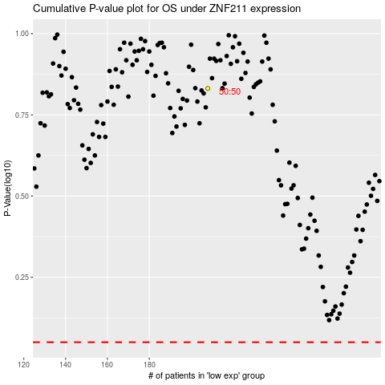

 |  |  |  |  |  | cases_OS | p_OS | rank | exp
 |  |  |  |  |  |  | cases_RFS | p_RFS | rank | exp

