ZNF215 _multivariate
Reported by Tex Li-Hsing Chi. tex@gate.sinica.edu.tw 2019-08-14

Table 2. The clinicopathological features of HNSCC cohort and ZNF215 expression. (Chi square test)
Cutoff at -0.316 (50.0%)
 |  | ZNF215 expression |  | ZNF215 expression |  | (Optimised)
 | Features | Low | (%) | High | (%) | Case no | P-value | Remark | Matthews
Gender | Female | 155 | 37.3 | 151 | 36.4 | 415 | 0.6768 | 0 | 0
2 | Male | 52 | 12.5 | 57 | 13.7
Age at diagnosis | <=65y | 142 | 34.2 | 132 | 31.8 | 415 | 0.3167 | 0 | 0
4 | >65y | 65 | 15.7 | 76 | 18.3
Clinical T Status | T1+T2 | 81 | 19.5 | 68 | 16.4 | 415 | 0.206 | 0 | 0
6 | T3+T4 | 126 | 30.4 | 140 | 33.7
Clinical N Status | N0 | 102 | 24.6 | 114 | 27.5 | 415 | 0.3031 | 0 | 0
8 | N1-3 | 105 | 25.3 | 94 | 22.7
Clinical M Status | M0 | 205 | 49.4 | 207 | 49.9 | 415 | 0.6232 | 0 | 0
10 | M1 | 2 | 0.5 | 1 | 0.2
Clinical Stage | Stage I+II | 51 | 12.3 | 51 | 12.3 | 415 | 1 | 0 | 0
12 | Stage III+IV | 156 | 37.6 | 157 | 37.8
Surgical Margin status | Negative | 152 | 36.6 | 166 | 40 | 415 | 0.1329 | 0 | 0
14 | Positive | 55 | 13.3 | 42 | 10.1
Tobacco Exposure | Low | 85 | 20.5 | 76 | 18.3 | 415 | 0.3655 | 0 | 0
16 | High | 122 | 29.4 | 132 | 31.8

Table 3. Univariate/Multivariate Cox's proportional hazards regression analyses on OS time of ZNF215 gene expression in HNSCC

 |  | Univariate |  |  |  | Multivariate
 | Features | HR | CI95%(L) | CI95%(H) | P-value | HR | CI95%(L) | CI95%(H) | P-value
1 | Female | 1 |  |  |  | 1
Gender | Male | 1.157 | 0.843 | 1.587 | 0.367 | 1.201 | 0.86 | 1.678 | 0.283
11 | <=65y | 1 |  |  |  | 1
Age at diagnosis | >65y | 1.329 | 0.99 | 1.784 | 0.058 | 1.39 | 1.022 | 1.89 | 0.036
12 | T1+T2 | 1 |  |  |  | 1
Clinical T Status | T3+T4 | 1.409 | 1.028 | 1.931 | 0.033 | 2.191 | 1.156 | 4.153 | 0.016
13 | N0 | 1 |  |  |  | 1
Clinical N Status | N1-3 | 1.185 | 0.89 | 1.577 | 0.246 | 1.242 | 0.87 | 1.772 | 0.233
14 | M0 | 1 |  |  |  | 1
Clinical M Status | M1 | 4.097 | 1.009 | 16.644 | 0.049 | 9.38 | 2.046 | 43.01 | 0.004
15 | Stage I+II | 1 |  |  |  | 1
Clinical Stage | Stage III+IV | 1.245 | 0.882 | 1.759 | 0.213 | 0.507 | 0.236 | 1.089 | 0.082
16 | Negative | 1 |  |  |  | 1
Surgical Margin status | Positive | 1.591 | 1.155 | 2.191 | 0.004 | 1.675 | 1.211 | 2.316 | 0.002
17 | Low | 1 |  |  |  | 1
Tobacco Exposure | High | 1.364 | 1.008 | 1.844 | 0.044 | 1.451 | 1.052 | 2 | 0.023
18 | Low | 1 |  |  |  | 1
RNAseq(z-score) | High | 1.064 | 0.798 | 1.418 | 0.673 | 1.028 | 0.769 | 1.373 | 0.852

Table 4. Univariate/Multivariate Cox's proportional hazards regression analyses on RFS time of ZNF215 gene expression in HNSCC

 |  | Univariate |  |  |  | Multivariate
 | Features | HR | CI95%(L) | CI95%(H) | P-value | HR | CI95%(L) | CI95%(H) | P-value
1 | Female | 1 |  |  |  | 1
Gender | Male | 1.157 | 0.843 | 1.587 | 0.367 | 1.201 | 0.86 | 1.678 | 0.283
11 | <=65y | 1 |  |  |  | 1
Age at diagnosis | >65y | 1.329 | 0.99 | 1.784 | 0.058 | 1.39 | 1.022 | 1.89 | 0.036
12 | T1+T2 | 1 |  |  |  | 1
Clinical T Status | T3+T4 | 1.409 | 1.028 | 1.931 | 0.033 | 2.191 | 1.156 | 4.153 | 0.016
13 | N0 | 1 |  |  |  | 1
Clinical N Status | N1-3 | 1.185 | 0.89 | 1.577 | 0.246 | 1.242 | 0.87 | 1.772 | 0.233
14 | M0 | 1 |  |  |  | 1
Clinical M Status | M1 | 4.097 | 1.009 | 16.644 | 0.049 | 9.38 | 2.046 | 43.01 | 0.004
15 | Stage I+II | 1 |  |  |  | 1
Clinical Stage | Stage III+IV | 1.245 | 0.882 | 1.759 | 0.213 | 0.507 | 0.236 | 1.089 | 0.082
16 | Negative | 1 |  |  |  | 1
Surgical Margin status | Positive | 1.591 | 1.155 | 2.191 | 0.004 | 1.675 | 1.211 | 2.316 | 0.002
17 | Low | 1 |  |  |  | 1
Tobacco Exposure | High | 1.364 | 1.008 | 1.844 | 0.044 | 1.451 | 1.052 | 2 | 0.023
18 | Low | 1 |  |  |  | 1
RNAseq(z-score) | High | 1.064 | 0.798 | 1.418 | 0.673 | 1.028 | 0.769 | 1.373 | 0.852

Kaplan-Meier survival estimate: Cutoff at -0.316 (50.0%)



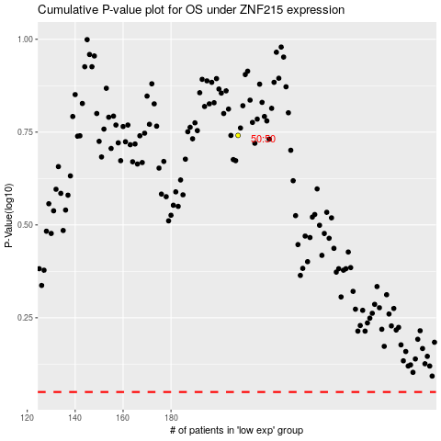

 |  |  |  |  |  | cases_OS | p_OS | rank | exp
 |  |  |  |  |  |  | cases_RFS | p_RFS | rank | exp

