ZNF223 _multivariate
Reported by Tex Li-Hsing Chi. tex@gate.sinica.edu.tw 2019-08-14

Table 2. The clinicopathological features of HNSCC cohort and ZNF223 expression. (Chi square test)
Cutoff at -0.208 (50.0%)
 |  | ZNF223 expression |  | ZNF223 expression |  | (Optimised)
 | Features | Low | (%) | High | (%) | Case no | P-value | Remark | Matthews
Gender | Female | 150 | 36.1 | 156 | 37.6 | 415 | 0.6344 | 0 | 0
2 | Male | 57 | 13.7 | 52 | 12.5
Age at diagnosis | <=65y | 131 | 31.6 | 143 | 34.5 | 415 | 0.2839 | 0 | 0
4 | >65y | 76 | 18.3 | 65 | 15.7
Clinical T Status | T1+T2 | 68 | 16.4 | 81 | 19.5 | 415 | 0.2336 | 0 | 0
6 | T3+T4 | 139 | 33.5 | 127 | 30.6
Clinical N Status | N0 | 109 | 26.3 | 107 | 25.8 | 415 | 0.8812 | 0 | 0
8 | N1-3 | 98 | 23.6 | 101 | 24.3
Clinical M Status | M0 | 206 | 49.6 | 206 | 49.6 | 415 | 1 | 0 | 0
10 | M1 | 1 | 0.2 | 2 | 0.5
Clinical Stage | Stage I+II | 46 | 11.1 | 56 | 13.5 | 415 | 0.3182 | 0 | 0
12 | Stage III+IV | 161 | 38.8 | 152 | 36.6
Surgical Margin status | Negative | 160 | 38.6 | 158 | 38.1 | 415 | 0.8167 | 0 | 0
14 | Positive | 47 | 11.3 | 50 | 12
Tobacco Exposure | Low | 83 | 20 | 78 | 18.8 | 415 | 0.6152 | 0 | 0
16 | High | 124 | 29.9 | 130 | 31.3

Table 3. Univariate/Multivariate Cox's proportional hazards regression analyses on OS time of ZNF223 gene expression in HNSCC

 |  | Univariate |  |  |  | Multivariate
 | Features | HR | CI95%(L) | CI95%(H) | P-value | HR | CI95%(L) | CI95%(H) | P-value
1 | Female | 1 |  |  |  | 1
Gender | Male | 1.157 | 0.843 | 1.587 | 0.367 | 1.199 | 0.858 | 1.675 | 0.288
11 | <=65y | 1 |  |  |  | 1
Age at diagnosis | >65y | 1.329 | 0.99 | 1.784 | 0.058 | 1.385 | 1.018 | 1.885 | 0.038
12 | T1+T2 | 1 |  |  |  | 1
Clinical T Status | T3+T4 | 1.409 | 1.028 | 1.931 | 0.033 | 2.196 | 1.161 | 4.152 | 0.016
13 | N0 | 1 |  |  |  | 1
Clinical N Status | N1-3 | 1.185 | 0.89 | 1.577 | 0.246 | 1.24 | 0.869 | 1.769 | 0.236
14 | M0 | 1 |  |  |  | 1
Clinical M Status | M1 | 4.097 | 1.009 | 16.644 | 0.049 | 9.525 | 2.074 | 43.739 | 0.004
15 | Stage I+II | 1 |  |  |  | 1
Clinical Stage | Stage III+IV | 1.245 | 0.882 | 1.759 | 0.213 | 0.504 | 0.235 | 1.081 | 0.078
16 | Negative | 1 |  |  |  | 1
Surgical Margin status | Positive | 1.591 | 1.155 | 2.191 | 0.004 | 1.666 | 1.205 | 2.303 | 0.002
17 | Low | 1 |  |  |  | 1
Tobacco Exposure | High | 1.364 | 1.008 | 1.844 | 0.044 | 1.46 | 1.058 | 2.013 | 0.021
18 | Low | 1 |  |  |  | 1
RNAseq(z-score) | High | 0.917 | 0.688 | 1.22 | 0.551 | 0.952 | 0.711 | 1.275 | 0.741

Table 4. Univariate/Multivariate Cox's proportional hazards regression analyses on RFS time of ZNF223 gene expression in HNSCC

 |  | Univariate |  |  |  | Multivariate
 | Features | HR | CI95%(L) | CI95%(H) | P-value | HR | CI95%(L) | CI95%(H) | P-value
1 | Female | 1 |  |  |  | 1
Gender | Male | 1.157 | 0.843 | 1.587 | 0.367 | 1.199 | 0.858 | 1.675 | 0.288
11 | <=65y | 1 |  |  |  | 1
Age at diagnosis | >65y | 1.329 | 0.99 | 1.784 | 0.058 | 1.385 | 1.018 | 1.885 | 0.038
12 | T1+T2 | 1 |  |  |  | 1
Clinical T Status | T3+T4 | 1.409 | 1.028 | 1.931 | 0.033 | 2.196 | 1.161 | 4.152 | 0.016
13 | N0 | 1 |  |  |  | 1
Clinical N Status | N1-3 | 1.185 | 0.89 | 1.577 | 0.246 | 1.24 | 0.869 | 1.769 | 0.236
14 | M0 | 1 |  |  |  | 1
Clinical M Status | M1 | 4.097 | 1.009 | 16.644 | 0.049 | 9.525 | 2.074 | 43.739 | 0.004
15 | Stage I+II | 1 |  |  |  | 1
Clinical Stage | Stage III+IV | 1.245 | 0.882 | 1.759 | 0.213 | 0.504 | 0.235 | 1.081 | 0.078
16 | Negative | 1 |  |  |  | 1
Surgical Margin status | Positive | 1.591 | 1.155 | 2.191 | 0.004 | 1.666 | 1.205 | 2.303 | 0.002
17 | Low | 1 |  |  |  | 1
Tobacco Exposure | High | 1.364 | 1.008 | 1.844 | 0.044 | 1.46 | 1.058 | 2.013 | 0.021
18 | Low | 1 |  |  |  | 1
RNAseq(z-score) | High | 0.917 | 0.688 | 1.22 | 0.551 | 0.952 | 0.711 | 1.275 | 0.741

Kaplan-Meier survival estimate: Cutoff at -0.208 (50.0%)



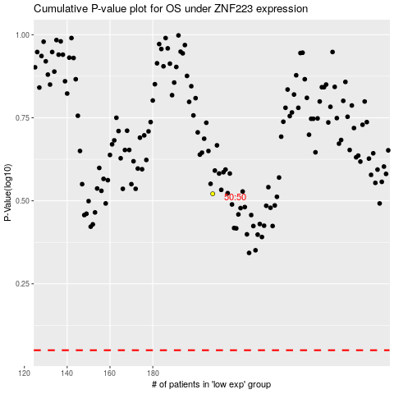

 |  |  |  |  |  | cases_OS | p_OS | rank | exp
 |  |  |  |  |  |  | cases_RFS | p_RFS | rank | exp

