ZNF227 _multivariate
Reported by Tex Li-Hsing Chi. tex@gate.sinica.edu.tw 2019-08-14

Table 2. The clinicopathological features of HNSCC cohort and ZNF227 expression. (Chi square test)
Cutoff at 0.194 (68.4%)
 |  | ZNF227 expression |  | ZNF227 expression |  | (Optimised)
 | Features | Low | (%) | High | (%) | Case no | P-value | Remark | Matthews
Gender | Female | 206 | 49.6 | 100 | 24.1 | 415 | 0.4854 | 0 | 0
2 | Male | 78 | 18.8 | 31 | 7.5
Age at diagnosis | <=65y | 182 | 43.9 | 92 | 22.2 | 415 | 0.2641 | 0 | 0
4 | >65y | 102 | 24.6 | 39 | 9.4
Clinical T Status | T1+T2 | 96 | 23.1 | 53 | 12.8 | 415 | 0.2288 | 0 | 0
6 | T3+T4 | 188 | 45.3 | 78 | 18.8
Clinical N Status | N0 | 145 | 34.9 | 71 | 17.1 | 415 | 0.6243 | 0 | 0
8 | N1-3 | 139 | 33.5 | 60 | 14.5
Clinical M Status | M0 | 281 | 67.7 | 131 | 31.6 | 415 | 0.5549 | 0 | 0
10 | M1 | 3 | 0.7 | 0 | 0
Clinical Stage | Stage I+II | 69 | 16.6 | 33 | 8 | 415 | 0.9409 | 0 | 0
12 | Stage III+IV | 215 | 51.8 | 98 | 23.6
Surgical Margin status | Negative | 221 | 53.3 | 97 | 23.4 | 415 | 0.4541 | 0 | 0
14 | Positive | 63 | 15.2 | 34 | 8.2
Tobacco Exposure | Low | 118 | 28.4 | 43 | 10.4 | 415 | 0.1041 | 0 | 0
16 | High | 166 | 40 | 88 | 21.2

Table 3. Univariate/Multivariate Cox's proportional hazards regression analyses on OS time of ZNF227 gene expression in HNSCC

 |  | Univariate |  |  |  | Multivariate
 | Features | HR | CI95%(L) | CI95%(H) | P-value | HR | CI95%(L) | CI95%(H) | P-value
1 | Female | 1 |  |  |  | 1
Gender | Male | 1.157 | 0.843 | 1.587 | 0.367 | 1.195 | 0.855 | 1.671 | 0.296
11 | <=65y | 1 |  |  |  | 1
Age at diagnosis | >65y | 1.329 | 0.99 | 1.784 | 0.058 | 1.365 | 1.003 | 1.856 | 0.048
12 | T1+T2 | 1 |  |  |  | 1
Clinical T Status | T3+T4 | 1.409 | 1.028 | 1.931 | 0.033 | 2.086 | 1.101 | 3.952 | 0.024
13 | N0 | 1 |  |  |  | 1
Clinical N Status | N1-3 | 1.185 | 0.89 | 1.577 | 0.246 | 1.235 | 0.866 | 1.762 | 0.244
14 | M0 | 1 |  |  |  | 1
Clinical M Status | M1 | 4.097 | 1.009 | 16.644 | 0.049 | 8.227 | 1.783 | 37.953 | 0.007
15 | Stage I+II | 1 |  |  |  | 1
Clinical Stage | Stage III+IV | 1.245 | 0.882 | 1.759 | 0.213 | 0.534 | 0.248 | 1.15 | 0.109
16 | Negative | 1 |  |  |  | 1
Surgical Margin status | Positive | 1.591 | 1.155 | 2.191 | 0.004 | 1.67 | 1.209 | 2.306 | 0.002
17 | Low | 1 |  |  |  | 1
Tobacco Exposure | High | 1.364 | 1.008 | 1.844 | 0.044 | 1.475 | 1.07 | 2.033 | 0.018
18 | Low | 1 |  |  |  | 1
RNAseq(z-score) | High | 0.716 | 0.516 | 0.991 | 0.044 | 0.754 | 0.542 | 1.049 | 0.094

Table 4. Univariate/Multivariate Cox's proportional hazards regression analyses on RFS time of ZNF227 gene expression in HNSCC

 |  | Univariate |  |  |  | Multivariate
 | Features | HR | CI95%(L) | CI95%(H) | P-value | HR | CI95%(L) | CI95%(H) | P-value
1 | Female | 1 |  |  |  | 1
Gender | Male | 1.157 | 0.843 | 1.587 | 0.367 | 1.195 | 0.855 | 1.671 | 0.296
11 | <=65y | 1 |  |  |  | 1
Age at diagnosis | >65y | 1.329 | 0.99 | 1.784 | 0.058 | 1.365 | 1.003 | 1.856 | 0.048
12 | T1+T2 | 1 |  |  |  | 1
Clinical T Status | T3+T4 | 1.409 | 1.028 | 1.931 | 0.033 | 2.086 | 1.101 | 3.952 | 0.024
13 | N0 | 1 |  |  |  | 1
Clinical N Status | N1-3 | 1.185 | 0.89 | 1.577 | 0.246 | 1.235 | 0.866 | 1.762 | 0.244
14 | M0 | 1 |  |  |  | 1
Clinical M Status | M1 | 4.097 | 1.009 | 16.644 | 0.049 | 8.227 | 1.783 | 37.953 | 0.007
15 | Stage I+II | 1 |  |  |  | 1
Clinical Stage | Stage III+IV | 1.245 | 0.882 | 1.759 | 0.213 | 0.534 | 0.248 | 1.15 | 0.109
16 | Negative | 1 |  |  |  | 1
Surgical Margin status | Positive | 1.591 | 1.155 | 2.191 | 0.004 | 1.67 | 1.209 | 2.306 | 0.002
17 | Low | 1 |  |  |  | 1
Tobacco Exposure | High | 1.364 | 1.008 | 1.844 | 0.044 | 1.475 | 1.07 | 2.033 | 0.018
18 | Low | 1 |  |  |  | 1
RNAseq(z-score) | High | 0.716 | 0.516 | 0.991 | 0.044 | 0.754 | 0.542 | 1.049 | 0.094

Kaplan-Meier survival estimate: Cutoff at 0.194 (68.4%)

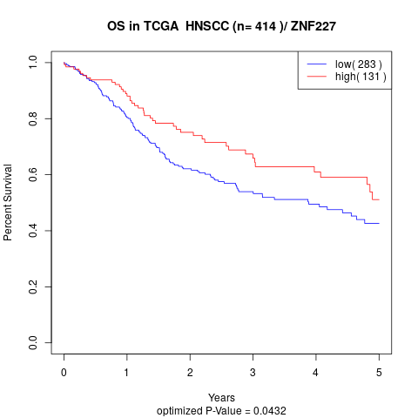

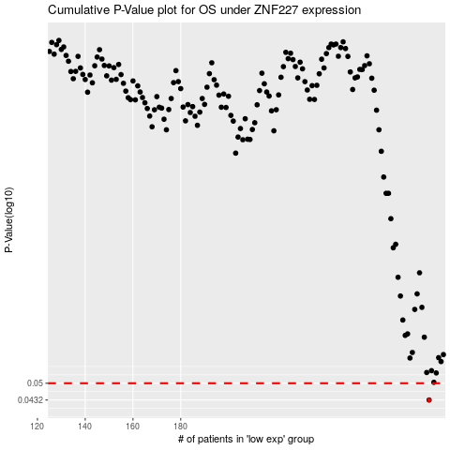

 |  |  |  |  |  | cases_OS | p_OS | rank | exp
 |  |  |  |  |  | 284 | 0.0432 | 122 | 0.19413003353
 |  |  |  |  |  |  | cases_RFS | p_RFS | rank | exp
 |  |  |  |  |  |  | 283 | 0.0432 | 180 | 0.19230799957

