ZNF229 _multivariate
Reported by Tex Li-Hsing Chi. tex@gate.sinica.edu.tw 2019-08-14

Table 2. The clinicopathological features of HNSCC cohort and ZNF229 expression. (Chi square test)
Cutoff at -0.314 (49.8%)
 |  | ZNF229 expression |  | ZNF229 expression |  | (Optimised)
 | Features | Low | (%) | High | (%) | Case no | P-value | Remark | Matthews
Gender | Female | 152 | 36.6 | 154 | 37.1 | 415 | 0.9766 | 0 | 0
2 | Male | 55 | 13.3 | 54 | 13
Age at diagnosis | <=65y | 123 | 29.6 | 151 | 36.4 | 415 | 0.0063 | 1 | 0
4 | >65y | 84 | 20.2 | 57 | 13.7
Clinical T Status | T1+T2 | 82 | 19.8 | 67 | 16.1 | 415 | 0.1417 | 0 | 0
6 | T3+T4 | 125 | 30.1 | 141 | 34
Clinical N Status | N0 | 119 | 28.7 | 97 | 23.4 | 415 | 0.0345 | 1 | 0
8 | N1-3 | 88 | 21.2 | 111 | 26.7
Clinical M Status | M0 | 204 | 49.2 | 208 | 50.1 | 415 | 0.1232 | 0 | 0
10 | M1 | 3 | 0.7 | 0 | 0
Clinical Stage | Stage I+II | 58 | 14 | 44 | 10.6 | 415 | 0.131 | 0 | 0
12 | Stage III+IV | 149 | 35.9 | 164 | 39.5
Surgical Margin status | Negative | 156 | 37.6 | 162 | 39 | 415 | 0.5636 | 0 | 0
14 | Positive | 51 | 12.3 | 46 | 11.1
Tobacco Exposure | Low | 90 | 21.7 | 71 | 17.1 | 415 | 0.0559 | 0 | 0
16 | High | 117 | 28.2 | 137 | 33

Table 3. Univariate/Multivariate Cox's proportional hazards regression analyses on OS time of ZNF229 gene expression in HNSCC

 |  | Univariate |  |  |  | Multivariate
 | Features | HR | CI95%(L) | CI95%(H) | P-value | HR | CI95%(L) | CI95%(H) | P-value
1 | Female | 1 |  |  |  | 1
Gender | Male | 1.157 | 0.843 | 1.587 | 0.367 | 1.2 | 0.859 | 1.677 | 0.284
11 | <=65y | 1 |  |  |  | 1
Age at diagnosis | >65y | 1.329 | 0.99 | 1.784 | 0.058 | 1.362 | 0.998 | 1.859 | 0.051
12 | T1+T2 | 1 |  |  |  | 1
Clinical T Status | T3+T4 | 1.409 | 1.028 | 1.931 | 0.033 | 2.234 | 1.18 | 4.228 | 0.014
13 | N0 | 1 |  |  |  | 1
Clinical N Status | N1-3 | 1.185 | 0.89 | 1.577 | 0.246 | 1.263 | 0.883 | 1.807 | 0.2
14 | M0 | 1 |  |  |  | 1
Clinical M Status | M1 | 4.097 | 1.009 | 16.644 | 0.049 | 8.818 | 1.91 | 40.71 | 0.005
15 | Stage I+II | 1 |  |  |  | 1
Clinical Stage | Stage III+IV | 1.245 | 0.882 | 1.759 | 0.213 | 0.501 | 0.233 | 1.076 | 0.076
16 | Negative | 1 |  |  |  | 1
Surgical Margin status | Positive | 1.591 | 1.155 | 2.191 | 0.004 | 1.649 | 1.192 | 2.282 | 0.003
17 | Low | 1 |  |  |  | 1
Tobacco Exposure | High | 1.364 | 1.008 | 1.844 | 0.044 | 1.474 | 1.068 | 2.034 | 0.018
18 | Low | 1 |  |  |  | 1
RNAseq(z-score) | High | 0.866 | 0.649 | 1.155 | 0.327 | 0.877 | 0.648 | 1.188 | 0.398

Table 4. Univariate/Multivariate Cox's proportional hazards regression analyses on RFS time of ZNF229 gene expression in HNSCC

 |  | Univariate |  |  |  | Multivariate
 | Features | HR | CI95%(L) | CI95%(H) | P-value | HR | CI95%(L) | CI95%(H) | P-value
1 | Female | 1 |  |  |  | 1
Gender | Male | 1.157 | 0.843 | 1.587 | 0.367 | 1.2 | 0.859 | 1.677 | 0.284
11 | <=65y | 1 |  |  |  | 1
Age at diagnosis | >65y | 1.329 | 0.99 | 1.784 | 0.058 | 1.362 | 0.998 | 1.859 | 0.051
12 | T1+T2 | 1 |  |  |  | 1
Clinical T Status | T3+T4 | 1.409 | 1.028 | 1.931 | 0.033 | 2.234 | 1.18 | 4.228 | 0.014
13 | N0 | 1 |  |  |  | 1
Clinical N Status | N1-3 | 1.185 | 0.89 | 1.577 | 0.246 | 1.263 | 0.883 | 1.807 | 0.2
14 | M0 | 1 |  |  |  | 1
Clinical M Status | M1 | 4.097 | 1.009 | 16.644 | 0.049 | 8.818 | 1.91 | 40.71 | 0.005
15 | Stage I+II | 1 |  |  |  | 1
Clinical Stage | Stage III+IV | 1.245 | 0.882 | 1.759 | 0.213 | 0.501 | 0.233 | 1.076 | 0.076
16 | Negative | 1 |  |  |  | 1
Surgical Margin status | Positive | 1.591 | 1.155 | 2.191 | 0.004 | 1.649 | 1.192 | 2.282 | 0.003
17 | Low | 1 |  |  |  | 1
Tobacco Exposure | High | 1.364 | 1.008 | 1.844 | 0.044 | 1.474 | 1.068 | 2.034 | 0.018
18 | Low | 1 |  |  |  | 1
RNAseq(z-score) | High | 0.866 | 0.649 | 1.155 | 0.327 | 0.877 | 0.648 | 1.188 | 0.398

Kaplan-Meier survival estimate: Cutoff at -0.314 (49.8%)



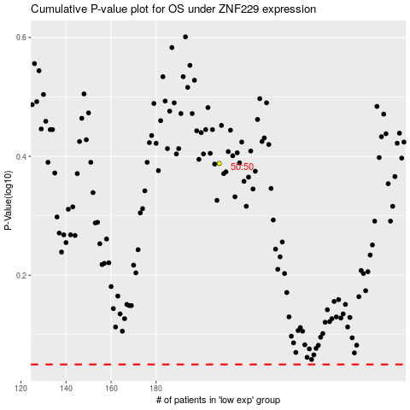

 |  |  |  |  |  | cases_OS | p_OS | rank | exp
 |  |  |  |  |  |  | cases_RFS | p_RFS | rank | exp

