ZNF238 _multivariate
Reported by Tex Li-Hsing Chi. tex@gate.sinica.edu.tw 2019-08-14

Table 2. The clinicopathological features of HNSCC cohort and ZNF238 expression. (Chi square test)
Cutoff at -0.589 (30.7%)
 |  | ZNF238 expression |  | ZNF238 expression |  | (Optimised)
 | Features | Low | (%) | High | (%) | Case no | P-value | Remark | Matthews
Gender | Female | 90 | 21.7 | 216 | 52 | 415 | 0.4467 | 0 | 0
2 | Male | 37 | 8.9 | 72 | 17.3
Age at diagnosis | <=65y | 82 | 19.8 | 192 | 46.3 | 415 | 0.7613 | 0 | 0
4 | >65y | 45 | 10.8 | 96 | 23.1
Clinical T Status | T1+T2 | 34 | 8.2 | 115 | 27.7 | 415 | 0.0137 | 1 | 0
6 | T3+T4 | 93 | 22.4 | 173 | 41.7
Clinical N Status | N0 | 62 | 14.9 | 154 | 37.1 | 415 | 0.4426 | 0 | 0
8 | N1-3 | 65 | 15.7 | 134 | 32.3
Clinical M Status | M0 | 125 | 30.1 | 287 | 69.2 | 415 | 0.223 | 0 | 0
10 | M1 | 2 | 0.5 | 1 | 0.2
Clinical Stage | Stage I+II | 25 | 6 | 77 | 18.6 | 415 | 0.1574 | 0 | 0
12 | Stage III+IV | 102 | 24.6 | 211 | 50.8
Surgical Margin status | Negative | 97 | 23.4 | 221 | 53.3 | 415 | 1 | 0 | 0
14 | Positive | 30 | 7.2 | 67 | 16.1
Tobacco Exposure | Low | 57 | 13.7 | 104 | 25.1 | 415 | 0.1015 | 0 | 0
16 | High | 70 | 16.9 | 184 | 44.3

Table 3. Univariate/Multivariate Cox's proportional hazards regression analyses on OS time of ZNF238 gene expression in HNSCC

 |  | Univariate |  |  |  | Multivariate
 | Features | HR | CI95%(L) | CI95%(H) | P-value | HR | CI95%(L) | CI95%(H) | P-value
1 | Female | 1 |  |  |  | 1
Gender | Male | 1.157 | 0.843 | 1.587 | 0.367 | 1.168 | 0.833 | 1.637 | 0.369
11 | <=65y | 1 |  |  |  | 1
Age at diagnosis | >65y | 1.329 | 0.99 | 1.784 | 0.058 | 1.383 | 1.017 | 1.881 | 0.039
12 | T1+T2 | 1 |  |  |  | 1
Clinical T Status | T3+T4 | 1.409 | 1.028 | 1.931 | 0.033 | 2.086 | 1.101 | 3.953 | 0.024
13 | N0 | 1 |  |  |  | 1
Clinical N Status | N1-3 | 1.185 | 0.89 | 1.577 | 0.246 | 1.207 | 0.845 | 1.725 | 0.301
14 | M0 | 1 |  |  |  | 1
Clinical M Status | M1 | 4.097 | 1.009 | 16.644 | 0.049 | 7.901 | 1.703 | 36.656 | 0.008
15 | Stage I+II | 1 |  |  |  | 1
Clinical Stage | Stage III+IV | 1.245 | 0.882 | 1.759 | 0.213 | 0.524 | 0.244 | 1.126 | 0.098
16 | Negative | 1 |  |  |  | 1
Surgical Margin status | Positive | 1.591 | 1.155 | 2.191 | 0.004 | 1.679 | 1.215 | 2.32 | 0.002
17 | Low | 1 |  |  |  | 1
Tobacco Exposure | High | 1.364 | 1.008 | 1.844 | 0.044 | 1.516 | 1.094 | 2.1 | 0.012
18 | Low | 1 |  |  |  | 1
RNAseq(z-score) | High | 0.718 | 0.53 | 0.972 | 0.032 | 0.748 | 0.546 | 1.025 | 0.071

Table 4. Univariate/Multivariate Cox's proportional hazards regression analyses on RFS time of ZNF238 gene expression in HNSCC

 |  | Univariate |  |  |  | Multivariate
 | Features | HR | CI95%(L) | CI95%(H) | P-value | HR | CI95%(L) | CI95%(H) | P-value
1 | Female | 1 |  |  |  | 1
Gender | Male | 1.157 | 0.843 | 1.587 | 0.367 | 1.168 | 0.833 | 1.637 | 0.369
11 | <=65y | 1 |  |  |  | 1
Age at diagnosis | >65y | 1.329 | 0.99 | 1.784 | 0.058 | 1.383 | 1.017 | 1.881 | 0.039
12 | T1+T2 | 1 |  |  |  | 1
Clinical T Status | T3+T4 | 1.409 | 1.028 | 1.931 | 0.033 | 2.086 | 1.101 | 3.953 | 0.024
13 | N0 | 1 |  |  |  | 1
Clinical N Status | N1-3 | 1.185 | 0.89 | 1.577 | 0.246 | 1.207 | 0.845 | 1.725 | 0.301
14 | M0 | 1 |  |  |  | 1
Clinical M Status | M1 | 4.097 | 1.009 | 16.644 | 0.049 | 7.901 | 1.703 | 36.656 | 0.008
15 | Stage I+II | 1 |  |  |  | 1
Clinical Stage | Stage III+IV | 1.245 | 0.882 | 1.759 | 0.213 | 0.524 | 0.244 | 1.126 | 0.098
16 | Negative | 1 |  |  |  | 1
Surgical Margin status | Positive | 1.591 | 1.155 | 2.191 | 0.004 | 1.679 | 1.215 | 2.32 | 0.002
17 | Low | 1 |  |  |  | 1
Tobacco Exposure | High | 1.364 | 1.008 | 1.844 | 0.044 | 1.516 | 1.094 | 2.1 | 0.012
18 | Low | 1 |  |  |  | 1
RNAseq(z-score) | High | 0.718 | 0.53 | 0.972 | 0.032 | 0.748 | 0.546 | 1.025 | 0.071

Kaplan-Meier survival estimate: Cutoff at -0.589 (30.7%)



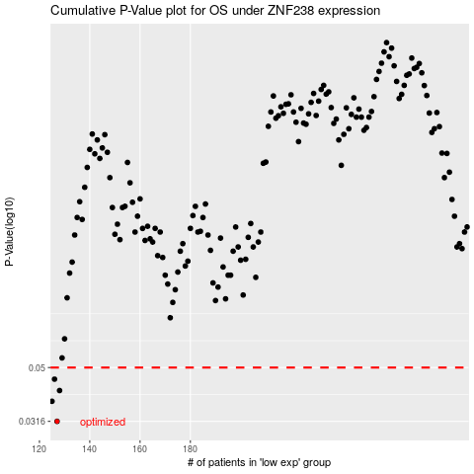

 |  |  |  |  |  | cases_OS | p_OS | rank | exp
 |  |  |  |  |  | 127 | 0.0316 | 59 | -0.588665825
 |  |  |  |  |  | 125 | 0.0375 | 235 | -0.59597428136
 |  |  |  |  |  | 128 | 0.0411 | 71 | -0.58725264349
 |  |  |  |  |  | 126 | 0.0453 | 283 | -0.59065844683
 |  |  |  |  |  |  | cases_RFS | p_RFS | rank | exp
 |  |  |  |  |  |  | 126 | 0.0316 | 283 | -0.59065844683
 |  |  |  |  |  |  |  | 0.0375 | 218 | -0.59684915464
 |  |  |  |  |  |  | 127 | 0.0411 | 59 | -0.588665825
 |  |  |  |  |  |  | 125 | 0.0453 | 235 | -0.59597428136

