ZNF239 _multivariate
Reported by Tex Li-Hsing Chi. tex@gate.sinica.edu.tw 2019-08-14

Table 2. The clinicopathological features of HNSCC cohort and ZNF239 expression. (Chi square test)
Cutoff at -0.321 (49.8%)
 |  | ZNF239 expression |  | ZNF239 expression |  | (Optimised)
 | Features | Low | (%) | High | (%) | Case no | P-value | Remark | Matthews
Gender | Female | 144 | 34.7 | 162 | 39 | 415 | 0.0697 | 0 | 0
2 | Male | 63 | 15.2 | 46 | 11.1
Age at diagnosis | <=65y | 131 | 31.6 | 143 | 34.5 | 415 | 0.2839 | 0 | 0
4 | >65y | 76 | 18.3 | 65 | 15.7
Clinical T Status | T1+T2 | 70 | 16.9 | 79 | 19 | 415 | 0.4343 | 0 | 0
6 | T3+T4 | 137 | 33 | 129 | 31.1
Clinical N Status | N0 | 111 | 26.7 | 105 | 25.3 | 415 | 0.5875 | 0 | 0
8 | N1-3 | 96 | 23.1 | 103 | 24.8
Clinical M Status | M0 | 206 | 49.6 | 206 | 49.6 | 415 | 1 | 0 | 0
10 | M1 | 1 | 0.2 | 2 | 0.5
Clinical Stage | Stage I+II | 51 | 12.3 | 51 | 12.3 | 415 | 1 | 0 | 0
12 | Stage III+IV | 156 | 37.6 | 157 | 37.8
Surgical Margin status | Negative | 160 | 38.6 | 158 | 38.1 | 415 | 0.8167 | 0 | 0
14 | Positive | 47 | 11.3 | 50 | 12
Tobacco Exposure | Low | 97 | 23.4 | 64 | 15.4 | 415 | 9e-04 | 1 | 0
16 | High | 110 | 26.5 | 144 | 34.7

Table 3. Univariate/Multivariate Cox's proportional hazards regression analyses on OS time of ZNF239 gene expression in HNSCC

 |  | Univariate |  |  |  | Multivariate
 | Features | HR | CI95%(L) | CI95%(H) | P-value | HR | CI95%(L) | CI95%(H) | P-value
1 | Female | 1 |  |  |  | 1
Gender | Male | 1.157 | 0.843 | 1.587 | 0.367 | 1.2 | 0.859 | 1.677 | 0.286
11 | <=65y | 1 |  |  |  | 1
Age at diagnosis | >65y | 1.329 | 0.99 | 1.784 | 0.058 | 1.391 | 1.023 | 1.891 | 0.035
12 | T1+T2 | 1 |  |  |  | 1
Clinical T Status | T3+T4 | 1.409 | 1.028 | 1.931 | 0.033 | 2.192 | 1.159 | 4.147 | 0.016
13 | N0 | 1 |  |  |  | 1
Clinical N Status | N1-3 | 1.185 | 0.89 | 1.577 | 0.246 | 1.24 | 0.869 | 1.769 | 0.236
14 | M0 | 1 |  |  |  | 1
Clinical M Status | M1 | 4.097 | 1.009 | 16.644 | 0.049 | 9.433 | 2.058 | 43.243 | 0.004
15 | Stage I+II | 1 |  |  |  | 1
Clinical Stage | Stage III+IV | 1.245 | 0.882 | 1.759 | 0.213 | 0.507 | 0.236 | 1.089 | 0.082
16 | Negative | 1 |  |  |  | 1
Surgical Margin status | Positive | 1.591 | 1.155 | 2.191 | 0.004 | 1.676 | 1.212 | 2.317 | 0.002
17 | Low | 1 |  |  |  | 1
Tobacco Exposure | High | 1.364 | 1.008 | 1.844 | 0.044 | 1.466 | 1.059 | 2.03 | 0.021
18 | Low | 1 |  |  |  | 1
RNAseq(z-score) | High | 0.994 | 0.746 | 1.325 | 0.968 | 0.949 | 0.708 | 1.272 | 0.726

Table 4. Univariate/Multivariate Cox's proportional hazards regression analyses on RFS time of ZNF239 gene expression in HNSCC

 |  | Univariate |  |  |  | Multivariate
 | Features | HR | CI95%(L) | CI95%(H) | P-value | HR | CI95%(L) | CI95%(H) | P-value
1 | Female | 1 |  |  |  | 1
Gender | Male | 1.157 | 0.843 | 1.587 | 0.367 | 1.2 | 0.859 | 1.677 | 0.286
11 | <=65y | 1 |  |  |  | 1
Age at diagnosis | >65y | 1.329 | 0.99 | 1.784 | 0.058 | 1.391 | 1.023 | 1.891 | 0.035
12 | T1+T2 | 1 |  |  |  | 1
Clinical T Status | T3+T4 | 1.409 | 1.028 | 1.931 | 0.033 | 2.192 | 1.159 | 4.147 | 0.016
13 | N0 | 1 |  |  |  | 1
Clinical N Status | N1-3 | 1.185 | 0.89 | 1.577 | 0.246 | 1.24 | 0.869 | 1.769 | 0.236
14 | M0 | 1 |  |  |  | 1
Clinical M Status | M1 | 4.097 | 1.009 | 16.644 | 0.049 | 9.433 | 2.058 | 43.243 | 0.004
15 | Stage I+II | 1 |  |  |  | 1
Clinical Stage | Stage III+IV | 1.245 | 0.882 | 1.759 | 0.213 | 0.507 | 0.236 | 1.089 | 0.082
16 | Negative | 1 |  |  |  | 1
Surgical Margin status | Positive | 1.591 | 1.155 | 2.191 | 0.004 | 1.676 | 1.212 | 2.317 | 0.002
17 | Low | 1 |  |  |  | 1
Tobacco Exposure | High | 1.364 | 1.008 | 1.844 | 0.044 | 1.466 | 1.059 | 2.03 | 0.021
18 | Low | 1 |  |  |  | 1
RNAseq(z-score) | High | 0.994 | 0.746 | 1.325 | 0.968 | 0.949 | 0.708 | 1.272 | 0.726

Kaplan-Meier survival estimate: Cutoff at -0.321 (49.8%)



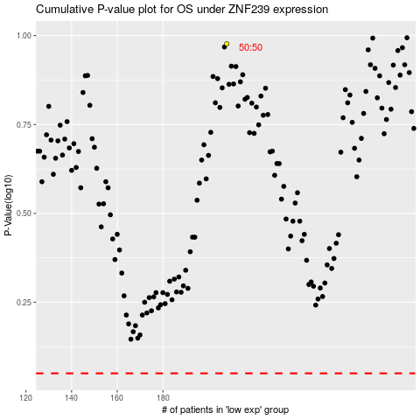

 |  |  |  |  |  | cases_OS | p_OS | rank | exp
 |  |  |  |  |  |  | cases_RFS | p_RFS | rank | exp

