ZNF251 _multivariate
Reported by Tex Li-Hsing Chi. tex@gate.sinica.edu.tw 2019-08-14

Table 2. The clinicopathological features of HNSCC cohort and ZNF251 expression. (Chi square test)
Cutoff at -0.151 (49.8%)
 |  | ZNF251 expression |  | ZNF251 expression |  | (Optimised)
 | Features | Low | (%) | High | (%) | Case no | P-value | Remark | Matthews
Gender | Female | 149 | 35.9 | 157 | 37.8 | 415 | 0.4848 | 0 | 0
2 | Male | 58 | 14 | 51 | 12.3
Age at diagnosis | <=65y | 130 | 31.3 | 144 | 34.7 | 415 | 0.2009 | 0 | 0
4 | >65y | 77 | 18.6 | 64 | 15.4
Clinical T Status | T1+T2 | 78 | 18.8 | 71 | 17.1 | 415 | 0.5152 | 0 | 0
6 | T3+T4 | 129 | 31.1 | 137 | 33
Clinical N Status | N0 | 117 | 28.2 | 99 | 23.9 | 415 | 0.0852 | 1 | 0
8 | N1-3 | 90 | 21.7 | 109 | 26.3
Clinical M Status | M0 | 204 | 49.2 | 208 | 50.1 | 415 | 0.1232 | 0 | 0
10 | M1 | 3 | 0.7 | 0 | 0
Clinical Stage | Stage I+II | 57 | 13.7 | 45 | 10.8 | 415 | 0.1998 | 0 | 0
12 | Stage III+IV | 150 | 36.1 | 163 | 39.3
Surgical Margin status | Negative | 161 | 38.8 | 157 | 37.8 | 415 | 0.6429 | 0 | 0
14 | Positive | 46 | 11.1 | 51 | 12.3
Tobacco Exposure | Low | 86 | 20.7 | 75 | 18.1 | 415 | 0.2687 | 0 | 0
16 | High | 121 | 29.2 | 133 | 32

Table 3. Univariate/Multivariate Cox's proportional hazards regression analyses on OS time of ZNF251 gene expression in HNSCC

 |  | Univariate |  |  |  | Multivariate
 | Features | HR | CI95%(L) | CI95%(H) | P-value | HR | CI95%(L) | CI95%(H) | P-value
1 | Female | 1 |  |  |  | 1
Gender | Male | 1.157 | 0.843 | 1.587 | 0.367 | 1.2 | 0.857 | 1.68 | 0.289
11 | <=65y | 1 |  |  |  | 1
Age at diagnosis | >65y | 1.329 | 0.99 | 1.784 | 0.058 | 1.391 | 1.023 | 1.891 | 0.035
12 | T1+T2 | 1 |  |  |  | 1
Clinical T Status | T3+T4 | 1.409 | 1.028 | 1.931 | 0.033 | 2.203 | 1.165 | 4.166 | 0.015
13 | N0 | 1 |  |  |  | 1
Clinical N Status | N1-3 | 1.185 | 0.89 | 1.577 | 0.246 | 1.243 | 0.869 | 1.777 | 0.234
14 | M0 | 1 |  |  |  | 1
Clinical M Status | M1 | 4.097 | 1.009 | 16.644 | 0.049 | 9.342 | 2.018 | 43.255 | 0.004
15 | Stage I+II | 1 |  |  |  | 1
Clinical Stage | Stage III+IV | 1.245 | 0.882 | 1.759 | 0.213 | 0.504 | 0.235 | 1.083 | 0.079
16 | Negative | 1 |  |  |  | 1
Surgical Margin status | Positive | 1.591 | 1.155 | 2.191 | 0.004 | 1.673 | 1.21 | 2.312 | 0.002
17 | Low | 1 |  |  |  | 1
Tobacco Exposure | High | 1.364 | 1.008 | 1.844 | 0.044 | 1.453 | 1.055 | 2.002 | 0.022
18 | Low | 1 |  |  |  | 1
RNAseq(z-score) | High | 0.974 | 0.731 | 1.298 | 0.858 | 0.989 | 0.736 | 1.328 | 0.939

Table 4. Univariate/Multivariate Cox's proportional hazards regression analyses on RFS time of ZNF251 gene expression in HNSCC

 |  | Univariate |  |  |  | Multivariate
 | Features | HR | CI95%(L) | CI95%(H) | P-value | HR | CI95%(L) | CI95%(H) | P-value
1 | Female | 1 |  |  |  | 1
Gender | Male | 1.157 | 0.843 | 1.587 | 0.367 | 1.2 | 0.857 | 1.68 | 0.289
11 | <=65y | 1 |  |  |  | 1
Age at diagnosis | >65y | 1.329 | 0.99 | 1.784 | 0.058 | 1.391 | 1.023 | 1.891 | 0.035
12 | T1+T2 | 1 |  |  |  | 1
Clinical T Status | T3+T4 | 1.409 | 1.028 | 1.931 | 0.033 | 2.203 | 1.165 | 4.166 | 0.015
13 | N0 | 1 |  |  |  | 1
Clinical N Status | N1-3 | 1.185 | 0.89 | 1.577 | 0.246 | 1.243 | 0.869 | 1.777 | 0.234
14 | M0 | 1 |  |  |  | 1
Clinical M Status | M1 | 4.097 | 1.009 | 16.644 | 0.049 | 9.342 | 2.018 | 43.255 | 0.004
15 | Stage I+II | 1 |  |  |  | 1
Clinical Stage | Stage III+IV | 1.245 | 0.882 | 1.759 | 0.213 | 0.504 | 0.235 | 1.083 | 0.079
16 | Negative | 1 |  |  |  | 1
Surgical Margin status | Positive | 1.591 | 1.155 | 2.191 | 0.004 | 1.673 | 1.21 | 2.312 | 0.002
17 | Low | 1 |  |  |  | 1
Tobacco Exposure | High | 1.364 | 1.008 | 1.844 | 0.044 | 1.453 | 1.055 | 2.002 | 0.022
18 | Low | 1 |  |  |  | 1
RNAseq(z-score) | High | 0.974 | 0.731 | 1.298 | 0.858 | 0.989 | 0.736 | 1.328 | 0.939

Kaplan-Meier survival estimate: Cutoff at -0.151 (49.8%)



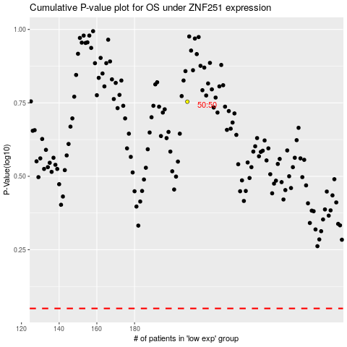

 |  |  |  |  |  | cases_OS | p_OS | rank | exp
 |  |  |  |  |  |  | cases_RFS | p_RFS | rank | exp

