ZNF252 _multivariate
Reported by Tex Li-Hsing Chi. tex@gate.sinica.edu.tw 2019-08-14

Table 2. The clinicopathological features of HNSCC cohort and ZNF252 expression. (Chi square test)
Cutoff at -0.202 (49.8%)
 |  | ZNF252 expression |  | ZNF252 expression |  | (Optimised)
 | Features | Low | (%) | High | (%) | Case no | P-value | Remark | Matthews
Gender | Female | 152 | 36.6 | 154 | 37.1 | 415 | 0.9766 | 0 | 0
2 | Male | 55 | 13.3 | 54 | 13
Age at diagnosis | <=65y | 128 | 30.8 | 146 | 35.2 | 415 | 0.0904 | 0 | 0
4 | >65y | 79 | 19 | 62 | 14.9
Clinical T Status | T1+T2 | 67 | 16.1 | 82 | 19.8 | 415 | 0.1628 | 0 | 0
6 | T3+T4 | 140 | 33.7 | 126 | 30.4
Clinical N Status | N0 | 109 | 26.3 | 107 | 25.8 | 415 | 0.8812 | 0 | 0
8 | N1-3 | 98 | 23.6 | 101 | 24.3
Clinical M Status | M0 | 205 | 49.4 | 207 | 49.9 | 415 | 0.6232 | 0 | 0
10 | M1 | 2 | 0.5 | 1 | 0.2
Clinical Stage | Stage I+II | 48 | 11.6 | 54 | 13 | 415 | 0.5878 | 0 | 0
12 | Stage III+IV | 159 | 38.3 | 154 | 37.1
Surgical Margin status | Negative | 156 | 37.6 | 162 | 39 | 415 | 0.5636 | 0 | 0
14 | Positive | 51 | 12.3 | 46 | 11.1
Tobacco Exposure | Low | 80 | 19.3 | 81 | 19.5 | 415 | 1 | 0 | 0
16 | High | 127 | 30.6 | 127 | 30.6

Table 3. Univariate/Multivariate Cox's proportional hazards regression analyses on OS time of ZNF252 gene expression in HNSCC

 |  | Univariate |  |  |  | Multivariate
 | Features | HR | CI95%(L) | CI95%(H) | P-value | HR | CI95%(L) | CI95%(H) | P-value
1 | Female | 1 |  |  |  | 1
Gender | Male | 1.157 | 0.843 | 1.587 | 0.367 | 1.214 | 0.868 | 1.697 | 0.256
11 | <=65y | 1 |  |  |  | 1
Age at diagnosis | >65y | 1.329 | 0.99 | 1.784 | 0.058 | 1.41 | 1.037 | 1.918 | 0.029
12 | T1+T2 | 1 |  |  |  | 1
Clinical T Status | T3+T4 | 1.409 | 1.028 | 1.931 | 0.033 | 2.229 | 1.179 | 4.215 | 0.014
13 | N0 | 1 |  |  |  | 1
Clinical N Status | N1-3 | 1.185 | 0.89 | 1.577 | 0.246 | 1.238 | 0.868 | 1.767 | 0.239
14 | M0 | 1 |  |  |  | 1
Clinical M Status | M1 | 4.097 | 1.009 | 16.644 | 0.049 | 9.997 | 2.172 | 46.014 | 0.003
15 | Stage I+II | 1 |  |  |  | 1
Clinical Stage | Stage III+IV | 1.245 | 0.882 | 1.759 | 0.213 | 0.506 | 0.236 | 1.085 | 0.08
16 | Negative | 1 |  |  |  | 1
Surgical Margin status | Positive | 1.591 | 1.155 | 2.191 | 0.004 | 1.677 | 1.213 | 2.318 | 0.002
17 | Low | 1 |  |  |  | 1
Tobacco Exposure | High | 1.364 | 1.008 | 1.844 | 0.044 | 1.472 | 1.067 | 2.029 | 0.018
18 | Low | 1 |  |  |  | 1
RNAseq(z-score) | High | 1.049 | 0.787 | 1.398 | 0.743 | 1.17 | 0.874 | 1.565 | 0.292

Table 4. Univariate/Multivariate Cox's proportional hazards regression analyses on RFS time of ZNF252 gene expression in HNSCC

 |  | Univariate |  |  |  | Multivariate
 | Features | HR | CI95%(L) | CI95%(H) | P-value | HR | CI95%(L) | CI95%(H) | P-value
1 | Female | 1 |  |  |  | 1
Gender | Male | 1.157 | 0.843 | 1.587 | 0.367 | 1.214 | 0.868 | 1.697 | 0.256
11 | <=65y | 1 |  |  |  | 1
Age at diagnosis | >65y | 1.329 | 0.99 | 1.784 | 0.058 | 1.41 | 1.037 | 1.918 | 0.029
12 | T1+T2 | 1 |  |  |  | 1
Clinical T Status | T3+T4 | 1.409 | 1.028 | 1.931 | 0.033 | 2.229 | 1.179 | 4.215 | 0.014
13 | N0 | 1 |  |  |  | 1
Clinical N Status | N1-3 | 1.185 | 0.89 | 1.577 | 0.246 | 1.238 | 0.868 | 1.767 | 0.239
14 | M0 | 1 |  |  |  | 1
Clinical M Status | M1 | 4.097 | 1.009 | 16.644 | 0.049 | 9.997 | 2.172 | 46.014 | 0.003
15 | Stage I+II | 1 |  |  |  | 1
Clinical Stage | Stage III+IV | 1.245 | 0.882 | 1.759 | 0.213 | 0.506 | 0.236 | 1.085 | 0.08
16 | Negative | 1 |  |  |  | 1
Surgical Margin status | Positive | 1.591 | 1.155 | 2.191 | 0.004 | 1.677 | 1.213 | 2.318 | 0.002
17 | Low | 1 |  |  |  | 1
Tobacco Exposure | High | 1.364 | 1.008 | 1.844 | 0.044 | 1.472 | 1.067 | 2.029 | 0.018
18 | Low | 1 |  |  |  | 1
RNAseq(z-score) | High | 1.049 | 0.787 | 1.398 | 0.743 | 1.17 | 0.874 | 1.565 | 0.292

Kaplan-Meier survival estimate: Cutoff at -0.202 (49.8%)



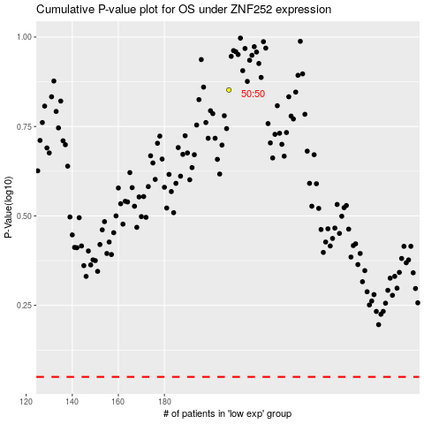

 |  |  |  |  |  | cases_OS | p_OS | rank | exp
 |  |  |  |  |  |  | cases_RFS | p_RFS | rank | exp

