ZNF259 _multivariate
Reported by Tex Li-Hsing Chi. tex@gate.sinica.edu.tw 2019-08-14

Table 2. The clinicopathological features of HNSCC cohort and ZNF259 expression. (Chi square test)
Cutoff at 0.43 (69.8%)
 |  | ZNF259 expression |  | ZNF259 expression |  | (Optimised)
 | Features | Low | (%) | High | (%) | Case no | P-value | Remark | Matthews
Gender | Female | 220 | 53 | 86 | 20.7 | 415 | 0.1681 | 0 | 0
2 | Male | 70 | 16.9 | 39 | 9.4
Age at diagnosis | <=65y | 192 | 46.3 | 82 | 19.8 | 415 | 0.9946 | 0 | 0
4 | >65y | 98 | 23.6 | 43 | 10.4
Clinical T Status | T1+T2 | 119 | 28.7 | 30 | 7.2 | 415 | 0.0013 | 1 | 0
6 | T3+T4 | 171 | 41.2 | 95 | 22.9
Clinical N Status | N0 | 153 | 36.9 | 63 | 15.2 | 415 | 0.7383 | 0 | 0
8 | N1-3 | 137 | 33 | 62 | 14.9
Clinical M Status | M0 | 289 | 69.6 | 123 | 29.6 | 415 | 0.2169 | 0 | 0
10 | M1 | 1 | 0.2 | 2 | 0.5
Clinical Stage | Stage I+II | 80 | 19.3 | 22 | 5.3 | 415 | 0.041 | 1 | 0
12 | Stage III+IV | 210 | 50.6 | 103 | 24.8
Surgical Margin status | Negative | 222 | 53.5 | 96 | 23.1 | 415 | 1 | 0 | 0
14 | Positive | 68 | 16.4 | 29 | 7
Tobacco Exposure | Low | 118 | 28.4 | 43 | 10.4 | 415 | 0.2722 | 0 | 0
16 | High | 172 | 41.4 | 82 | 19.8

Table 3. Univariate/Multivariate Cox's proportional hazards regression analyses on OS time of ZNF259 gene expression in HNSCC

 |  | Univariate |  |  |  | Multivariate
 | Features | HR | CI95%(L) | CI95%(H) | P-value | HR | CI95%(L) | CI95%(H) | P-value
1 | Female | 1 |  |  |  | 1
Gender | Male | 1.157 | 0.843 | 1.587 | 0.367 | 1.137 | 0.811 | 1.592 | 0.457
11 | <=65y | 1 |  |  |  | 1
Age at diagnosis | >65y | 1.329 | 0.99 | 1.784 | 0.058 | 1.377 | 1.013 | 1.871 | 0.041
12 | T1+T2 | 1 |  |  |  | 1
Clinical T Status | T3+T4 | 1.409 | 1.028 | 1.931 | 0.033 | 2.013 | 1.06 | 3.821 | 0.032
13 | N0 | 1 |  |  |  | 1
Clinical N Status | N1-3 | 1.185 | 0.89 | 1.577 | 0.246 | 1.228 | 0.861 | 1.751 | 0.257
14 | M0 | 1 |  |  |  | 1
Clinical M Status | M1 | 4.097 | 1.009 | 16.644 | 0.049 | 7.514 | 1.625 | 34.756 | 0.01
15 | Stage I+II | 1 |  |  |  | 1
Clinical Stage | Stage III+IV | 1.245 | 0.882 | 1.759 | 0.213 | 0.527 | 0.246 | 1.132 | 0.1
16 | Negative | 1 |  |  |  | 1
Surgical Margin status | Positive | 1.591 | 1.155 | 2.191 | 0.004 | 1.667 | 1.206 | 2.302 | 0.002
17 | Low | 1 |  |  |  | 1
Tobacco Exposure | High | 1.364 | 1.008 | 1.844 | 0.044 | 1.424 | 1.033 | 1.964 | 0.031
18 | Low | 1 |  |  |  | 1
RNAseq(z-score) | High | 1.723 | 1.277 | 2.326 | *** | 1.553 | 1.142 | 2.11 | 0.005

Table 4. Univariate/Multivariate Cox's proportional hazards regression analyses on RFS time of ZNF259 gene expression in HNSCC

 |  | Univariate |  |  |  | Multivariate
 | Features | HR | CI95%(L) | CI95%(H) | P-value | HR | CI95%(L) | CI95%(H) | P-value
1 | Female | 1 |  |  |  | 1
Gender | Male | 1.157 | 0.843 | 1.587 | 0.367 | 1.137 | 0.811 | 1.592 | 0.457
11 | <=65y | 1 |  |  |  | 1
Age at diagnosis | >65y | 1.329 | 0.99 | 1.784 | 0.058 | 1.377 | 1.013 | 1.871 | 0.041
12 | T1+T2 | 1 |  |  |  | 1
Clinical T Status | T3+T4 | 1.409 | 1.028 | 1.931 | 0.033 | 2.013 | 1.06 | 3.821 | 0.032
13 | N0 | 1 |  |  |  | 1
Clinical N Status | N1-3 | 1.185 | 0.89 | 1.577 | 0.246 | 1.228 | 0.861 | 1.751 | 0.257
14 | M0 | 1 |  |  |  | 1
Clinical M Status | M1 | 4.097 | 1.009 | 16.644 | 0.049 | 7.514 | 1.625 | 34.756 | 0.01
15 | Stage I+II | 1 |  |  |  | 1
Clinical Stage | Stage III+IV | 1.245 | 0.882 | 1.759 | 0.213 | 0.527 | 0.246 | 1.132 | 0.1
16 | Negative | 1 |  |  |  | 1
Surgical Margin status | Positive | 1.591 | 1.155 | 2.191 | 0.004 | 1.667 | 1.206 | 2.302 | 0.002
17 | Low | 1 |  |  |  | 1
Tobacco Exposure | High | 1.364 | 1.008 | 1.844 | 0.044 | 1.424 | 1.033 | 1.964 | 0.031
18 | Low | 1 |  |  |  | 1
RNAseq(z-score) | High | 1.723 | 1.277 | 2.326 | *** | 1.553 | 1.142 | 2.11 | 0.005

Kaplan-Meier survival estimate: Cutoff at 0.43 (69.8%)

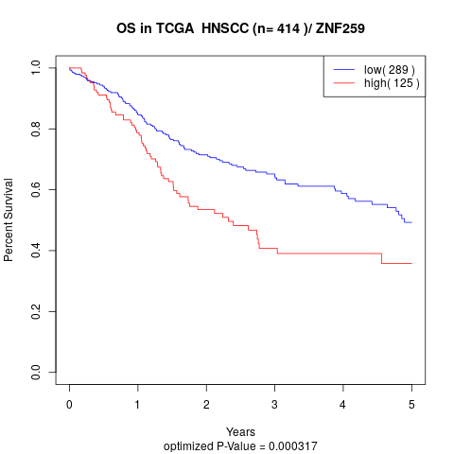

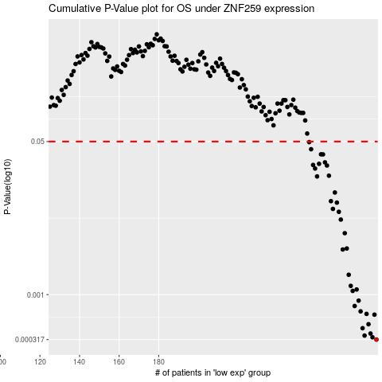

 |  |  |  |  |  | cases_OS | p_OS | rank | exp
 |  |  |  |  |  | 290 | 0.000317 | 97 | 0.43028393035
 |  |  |  |  |  | 288 | 0.000336 | 210 | 0.40716095481
 |  |  |  |  |  | 284 | 0.000351 | 213 | 0.39361311791
 |  |  |  |  |  | 287 | 0.00037 | 179 | 0.40637967607
 |  |  |  |  |  | 283 | 0.000424 | 246 | 0.38314902899
 |  |  |  |  |  | 286 | 0.000469 | 360 | 0.40069772888
 |  |  |  |  |  | 289 | 0.000599 | 120 | 0.42169367819
 |  |  |  |  |  | 285 | 0.000611 | 36 | 0.3942028176
 |  |  |  |  |  | 282 | 0.000652 | 121 | 0.38169472981
 |  |  |  |  |  | 279 | 0.000748 | 54 | 0.36400784656
 |  |  |  |  |  | 281 | 0.000857 | 187 | 0.37778921626
 |  |  |  |  |  | 278 | 0.0011 | 347 | 0.35948182811
 |  |  |  |  |  | 280 | 0.00114 | 162 | 0.3702111352
 |  |  |  |  |  | 277 | 0.00125 | 380 | 0.35608063981
 |  |  |  |  |  | 276 | 0.00166 | 39 | 0.32542681787
 |  |  |  |  |  | 273 | 0.00317 | 80 | 0.32127867663
 |  |  |  |  |  | 275 | 0.00325 | 232 | 0.32193174703
 |  |  |  |  |  | 274 | 0.00481 | 397 | 0.32185106673
 |  |  |  |  |  | 272 | 0.00681 | 219 | 0.31550167338
 |  |  |  |  |  | 271 | 0.0083 | 269 | 0.30955480141
 |  |  |  |  |  | 268 | 0.00894 | 201 | 0.2982070431
 |  |  |  |  |  | 270 | 0.0105 | 314 | 0.30777484718
 |  |  |  |  |  | 267 | 0.0109 | 5 | 0.29680584624
 |  |  |  |  |  | 269 | 0.0136 | 286 | 0.3009190749
 |  |  |  |  |  | 260 | 0.0205 | 88 | 0.2345485218
 |  |  |  |  |  | 266 | 0.0209 | 175 | 0.29016130966
 |  |  |  |  |  | 259 | 0.0251 | 136 | 0.23038864525
 |  |  |  |  |  | 265 | 0.0271 | 129 | 0.28664804909
 |  |  |  |  |  | 258 | 0.0275 | 384 | 0.22719370515
 |  |  |  |  |  | 261 | 0.0283 | 369 | 0.25566387796
 |  |  |  |  |  | 264 | 0.0294 | 319 | 0.27939826353
 |  |  |  |  |  | 263 | 0.036 | 95 | 0.26609569477
 |  |  |  |  |  | 262 | 0.0361 | 342 | 0.26505301184
 |  |  |  |  |  | 257 | 0.0411 | 231 | 0.22503059282
 |  |  |  |  |  | 256 | 0.0493 | 357 | 0.22139587171
 |  |  |  |  |  |  | cases_RFS | p_RFS | rank | exp
 |  |  |  |  |  |  | 289 | 0.000317 | 120 | 0.42169367819
 |  |  |  |  |  |  | 287 | 0.000336 | 179 | 0.40637967607
 |  |  |  |  |  |  | 283 | 0.000351 | 246 | 0.38314902899
 |  |  |  |  |  |  | 286 | 0.00037 | 360 | 0.40069772888
 |  |  |  |  |  |  | 282 | 0.000424 | 121 | 0.38169472981
 |  |  |  |  |  |  | 285 | 0.000469 | 36 | 0.3942028176
 |  |  |  |  |  |  | 288 | 0.000599 | 210 | 0.40716095481
 |  |  |  |  |  |  | 284 | 0.000611 | 213 | 0.39361311791
 |  |  |  |  |  |  | 281 | 0.000652 | 187 | 0.37778921626
 |  |  |  |  |  |  | 278 | 0.000748 | 347 | 0.35948182811
 |  |  |  |  |  |  | 280 | 0.000857 | 162 | 0.3702111352
 |  |  |  |  |  |  | 277 | 0.0011 | 380 | 0.35608063981
 |  |  |  |  |  |  | 279 | 0.00114 | 54 | 0.36400784656
 |  |  |  |  |  |  | 276 | 0.00125 | 39 | 0.32542681787
 |  |  |  |  |  |  | 275 | 0.00166 | 232 | 0.32193174703
 |  |  |  |  |  |  | 272 | 0.00317 | 219 | 0.31550167338
 |  |  |  |  |  |  | 274 | 0.00325 | 397 | 0.32185106673
 |  |  |  |  |  |  | 273 | 0.00481 | 80 | 0.32127867663
 |  |  |  |  |  |  | 271 | 0.00681 | 269 | 0.30955480141
 |  |  |  |  |  |  | 270 | 0.0083 | 314 | 0.30777484718
 |  |  |  |  |  |  | 267 | 0.00894 | 5 | 0.29680584624
 |  |  |  |  |  |  | 269 | 0.0105 | 286 | 0.3009190749
 |  |  |  |  |  |  | 266 | 0.0109 | 175 | 0.29016130966
 |  |  |  |  |  |  | 268 | 0.0136 | 201 | 0.2982070431
 |  |  |  |  |  |  | 259 | 0.0205 | 136 | 0.23038864525
 |  |  |  |  |  |  | 265 | 0.0209 | 129 | 0.28664804909
 |  |  |  |  |  |  | 258 | 0.0251 | 384 | 0.22719370515
 |  |  |  |  |  |  | 264 | 0.0271 | 319 | 0.27939826353
 |  |  |  |  |  |  | 257 | 0.0275 | 231 | 0.22503059282
 |  |  |  |  |  |  | 260 | 0.0283 | 88 | 0.2345485218
 |  |  |  |  |  |  | 263 | 0.0294 | 95 | 0.26609569477
 |  |  |  |  |  |  | 262 | 0.036 | 342 | 0.26505301184
 |  |  |  |  |  |  | 261 | 0.0361 | 369 | 0.25566387796
 |  |  |  |  |  |  | 256 | 0.0411 | 357 | 0.22139587171
 |  |  |  |  |  |  | 255 | 0.0493 | 34 | 0.20989702119

