ZNF26 _multivariate
Reported by Tex Li-Hsing Chi. tex@gate.sinica.edu.tw 2019-08-14

Table 2. The clinicopathological features of HNSCC cohort and ZNF26 expression. (Chi square test)
Cutoff at -0.166 (49.8%)
 |  | ZNF26 expression |  | ZNF26 expression |  | (Optimised)
 | Features | Low | (%) | High | (%) | Case no | P-value | Remark | Matthews
Gender | Female | 144 | 34.7 | 162 | 39 | 415 | 0.0697 | 0 | 0
2 | Male | 63 | 15.2 | 46 | 11.1
Age at diagnosis | <=65y | 121 | 29.2 | 153 | 36.9 | 415 | 0.0017 | 1 | 0
4 | >65y | 86 | 20.7 | 55 | 13.3
Clinical T Status | T1+T2 | 75 | 18.1 | 74 | 17.8 | 415 | 0.9707 | 0 | 0
6 | T3+T4 | 132 | 31.8 | 134 | 32.3
Clinical N Status | N0 | 110 | 26.5 | 106 | 25.5 | 415 | 0.7294 | 0 | 0
8 | N1-3 | 97 | 23.4 | 102 | 24.6
Clinical M Status | M0 | 206 | 49.6 | 206 | 49.6 | 415 | 1 | 0 | 0
10 | M1 | 1 | 0.2 | 2 | 0.5
Clinical Stage | Stage I+II | 53 | 12.8 | 49 | 11.8 | 415 | 0.7113 | 0 | 0
12 | Stage III+IV | 154 | 37.1 | 159 | 38.3
Surgical Margin status | Negative | 164 | 39.5 | 154 | 37.1 | 415 | 0.2462 | 0 | 0
14 | Positive | 43 | 10.4 | 54 | 13
Tobacco Exposure | Low | 91 | 21.9 | 70 | 16.9 | 415 | 0.0346 | 1 | 0
16 | High | 116 | 28 | 138 | 33.3

Table 3. Univariate/Multivariate Cox's proportional hazards regression analyses on OS time of ZNF26 gene expression in HNSCC

 |  | Univariate |  |  |  | Multivariate
 | Features | HR | CI95%(L) | CI95%(H) | P-value | HR | CI95%(L) | CI95%(H) | P-value
1 | Female | 1 |  |  |  | 1
Gender | Male | 1.157 | 0.843 | 1.587 | 0.367 | 1.183 | 0.847 | 1.654 | 0.324
11 | <=65y | 1 |  |  |  | 1
Age at diagnosis | >65y | 1.329 | 0.99 | 1.784 | 0.058 | 1.353 | 0.993 | 1.842 | 0.055
12 | T1+T2 | 1 |  |  |  | 1
Clinical T Status | T3+T4 | 1.409 | 1.028 | 1.931 | 0.033 | 2.193 | 1.16 | 4.146 | 0.016
13 | N0 | 1 |  |  |  | 1
Clinical N Status | N1-3 | 1.185 | 0.89 | 1.577 | 0.246 | 1.242 | 0.871 | 1.773 | 0.232
14 | M0 | 1 |  |  |  | 1
Clinical M Status | M1 | 4.097 | 1.009 | 16.644 | 0.049 | 9.518 | 2.075 | 43.649 | 0.004
15 | Stage I+II | 1 |  |  |  | 1
Clinical Stage | Stage III+IV | 1.245 | 0.882 | 1.759 | 0.213 | 0.511 | 0.238 | 1.097 | 0.085
16 | Negative | 1 |  |  |  | 1
Surgical Margin status | Positive | 1.591 | 1.155 | 2.191 | 0.004 | 1.717 | 1.241 | 2.376 | 0.001
17 | Low | 1 |  |  |  | 1
Tobacco Exposure | High | 1.364 | 1.008 | 1.844 | 0.044 | 1.494 | 1.082 | 2.063 | 0.015
18 | Low | 1 |  |  |  | 1
RNAseq(z-score) | High | 0.78 | 0.585 | 1.04 | 0.091 | 0.751 | 0.56 | 1.007 | 0.056

Table 4. Univariate/Multivariate Cox's proportional hazards regression analyses on RFS time of ZNF26 gene expression in HNSCC

 |  | Univariate |  |  |  | Multivariate
 | Features | HR | CI95%(L) | CI95%(H) | P-value | HR | CI95%(L) | CI95%(H) | P-value
1 | Female | 1 |  |  |  | 1
Gender | Male | 1.157 | 0.843 | 1.587 | 0.367 | 1.183 | 0.847 | 1.654 | 0.324
11 | <=65y | 1 |  |  |  | 1
Age at diagnosis | >65y | 1.329 | 0.99 | 1.784 | 0.058 | 1.353 | 0.993 | 1.842 | 0.055
12 | T1+T2 | 1 |  |  |  | 1
Clinical T Status | T3+T4 | 1.409 | 1.028 | 1.931 | 0.033 | 2.193 | 1.16 | 4.146 | 0.016
13 | N0 | 1 |  |  |  | 1
Clinical N Status | N1-3 | 1.185 | 0.89 | 1.577 | 0.246 | 1.242 | 0.871 | 1.773 | 0.232
14 | M0 | 1 |  |  |  | 1
Clinical M Status | M1 | 4.097 | 1.009 | 16.644 | 0.049 | 9.518 | 2.075 | 43.649 | 0.004
15 | Stage I+II | 1 |  |  |  | 1
Clinical Stage | Stage III+IV | 1.245 | 0.882 | 1.759 | 0.213 | 0.511 | 0.238 | 1.097 | 0.085
16 | Negative | 1 |  |  |  | 1
Surgical Margin status | Positive | 1.591 | 1.155 | 2.191 | 0.004 | 1.717 | 1.241 | 2.376 | 0.001
17 | Low | 1 |  |  |  | 1
Tobacco Exposure | High | 1.364 | 1.008 | 1.844 | 0.044 | 1.494 | 1.082 | 2.063 | 0.015
18 | Low | 1 |  |  |  | 1
RNAseq(z-score) | High | 0.78 | 0.585 | 1.04 | 0.091 | 0.751 | 0.56 | 1.007 | 0.056

Kaplan-Meier survival estimate: Cutoff at -0.166 (49.8%)

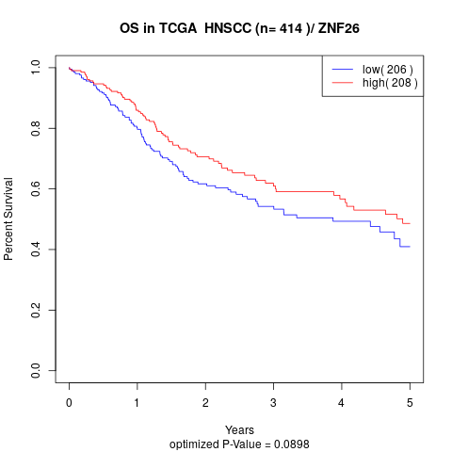

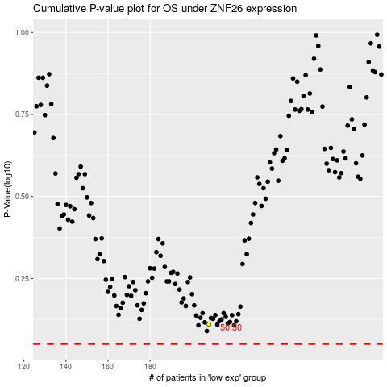

 |  |  |  |  |  | cases_OS | p_OS | rank | exp
 |  |  |  |  |  |  | cases_RFS | p_RFS | rank | exp

