ZNF263 _multivariate
Reported by Tex Li-Hsing Chi. tex@gate.sinica.edu.tw 2019-08-14

Table 2. The clinicopathological features of HNSCC cohort and ZNF263 expression. (Chi square test)
Cutoff at -0.111 (50.0%)
 |  | ZNF263 expression |  | ZNF263 expression |  | (Optimised)
 | Features | Low | (%) | High | (%) | Case no | P-value | Remark | Matthews
Gender | Female | 144 | 34.7 | 162 | 39 | 415 | 0.0697 | 0 | 0
2 | Male | 63 | 15.2 | 46 | 11.1
Age at diagnosis | <=65y | 130 | 31.3 | 144 | 34.7 | 415 | 0.2009 | 0 | 0
4 | >65y | 77 | 18.6 | 64 | 15.4
Clinical T Status | T1+T2 | 84 | 20.2 | 65 | 15.7 | 415 | 0.0603 | 0 | 0
6 | T3+T4 | 123 | 29.6 | 143 | 34.5
Clinical N Status | N0 | 114 | 27.5 | 102 | 24.6 | 415 | 0.2576 | 1 | 0
8 | N1-3 | 93 | 22.4 | 106 | 25.5
Clinical M Status | M0 | 207 | 49.9 | 205 | 49.4 | 415 | 0.2482 | 0 | 0
10 | M1 | 0 | 0 | 3 | 0.7
Clinical Stage | Stage I+II | 60 | 14.5 | 42 | 10.1 | 415 | 0.0493 | 1 | 0
12 | Stage III+IV | 147 | 35.4 | 166 | 40
Surgical Margin status | Negative | 159 | 38.3 | 159 | 38.3 | 415 | 1 | 0 | 0
14 | Positive | 48 | 11.6 | 49 | 11.8
Tobacco Exposure | Low | 92 | 22.2 | 69 | 16.6 | 415 | 0.0206 | 1 | 0
16 | High | 115 | 27.7 | 139 | 33.5

Table 3. Univariate/Multivariate Cox's proportional hazards regression analyses on OS time of ZNF263 gene expression in HNSCC

 |  | Univariate |  |  |  | Multivariate
 | Features | HR | CI95%(L) | CI95%(H) | P-value | HR | CI95%(L) | CI95%(H) | P-value
1 | Female | 1 |  |  |  | 1
Gender | Male | 1.157 | 0.843 | 1.587 | 0.367 | 1.186 | 0.85 | 1.656 | 0.315
11 | <=65y | 1 |  |  |  | 1
Age at diagnosis | >65y | 1.329 | 0.99 | 1.784 | 0.058 | 1.373 | 1.01 | 1.865 | 0.043
12 | T1+T2 | 1 |  |  |  | 1
Clinical T Status | T3+T4 | 1.409 | 1.028 | 1.931 | 0.033 | 2.259 | 1.194 | 4.273 | 0.012
13 | N0 | 1 |  |  |  | 1
Clinical N Status | N1-3 | 1.185 | 0.89 | 1.577 | 0.246 | 1.265 | 0.887 | 1.805 | 0.194
14 | M0 | 1 |  |  |  | 1
Clinical M Status | M1 | 4.097 | 1.009 | 16.644 | 0.049 | 11.078 | 2.394 | 51.274 | 0.002
15 | Stage I+II | 1 |  |  |  | 1
Clinical Stage | Stage III+IV | 1.245 | 0.882 | 1.759 | 0.213 | 0.505 | 0.236 | 1.082 | 0.079
16 | Negative | 1 |  |  |  | 1
Surgical Margin status | Positive | 1.591 | 1.155 | 2.191 | 0.004 | 1.704 | 1.232 | 2.357 | 0.001
17 | Low | 1 |  |  |  | 1
Tobacco Exposure | High | 1.364 | 1.008 | 1.844 | 0.044 | 1.478 | 1.073 | 2.035 | 0.017
18 | Low | 1 |  |  |  | 1
RNAseq(z-score) | High | 0.825 | 0.618 | 1.102 | 0.192 | 0.743 | 0.553 | 0.999 | 0.049

Table 4. Univariate/Multivariate Cox's proportional hazards regression analyses on RFS time of ZNF263 gene expression in HNSCC

 |  | Univariate |  |  |  | Multivariate
 | Features | HR | CI95%(L) | CI95%(H) | P-value | HR | CI95%(L) | CI95%(H) | P-value
1 | Female | 1 |  |  |  | 1
Gender | Male | 1.157 | 0.843 | 1.587 | 0.367 | 1.186 | 0.85 | 1.656 | 0.315
11 | <=65y | 1 |  |  |  | 1
Age at diagnosis | >65y | 1.329 | 0.99 | 1.784 | 0.058 | 1.373 | 1.01 | 1.865 | 0.043
12 | T1+T2 | 1 |  |  |  | 1
Clinical T Status | T3+T4 | 1.409 | 1.028 | 1.931 | 0.033 | 2.259 | 1.194 | 4.273 | 0.012
13 | N0 | 1 |  |  |  | 1
Clinical N Status | N1-3 | 1.185 | 0.89 | 1.577 | 0.246 | 1.265 | 0.887 | 1.805 | 0.194
14 | M0 | 1 |  |  |  | 1
Clinical M Status | M1 | 4.097 | 1.009 | 16.644 | 0.049 | 11.078 | 2.394 | 51.274 | 0.002
15 | Stage I+II | 1 |  |  |  | 1
Clinical Stage | Stage III+IV | 1.245 | 0.882 | 1.759 | 0.213 | 0.505 | 0.236 | 1.082 | 0.079
16 | Negative | 1 |  |  |  | 1
Surgical Margin status | Positive | 1.591 | 1.155 | 2.191 | 0.004 | 1.704 | 1.232 | 2.357 | 0.001
17 | Low | 1 |  |  |  | 1
Tobacco Exposure | High | 1.364 | 1.008 | 1.844 | 0.044 | 1.478 | 1.073 | 2.035 | 0.017
18 | Low | 1 |  |  |  | 1
RNAseq(z-score) | High | 0.825 | 0.618 | 1.102 | 0.192 | 0.743 | 0.553 | 0.999 | 0.049

Kaplan-Meier survival estimate: Cutoff at -0.111 (50.0%)



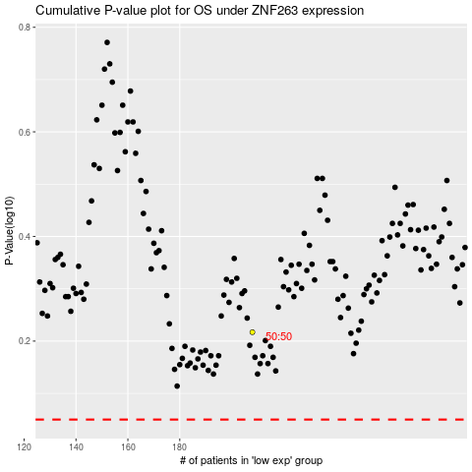

 |  |  |  |  |  | cases_OS | p_OS | rank | exp
 |  |  |  |  |  |  | cases_RFS | p_RFS | rank | exp

