ZNF267 _multivariate
Reported by Tex Li-Hsing Chi. tex@gate.sinica.edu.tw 2019-08-14

Table 2. The clinicopathological features of HNSCC cohort and ZNF267 expression. (Chi square test)
Cutoff at -0.121 (50.0%)
 |  | ZNF267 expression |  | ZNF267 expression |  | (Optimised)
 | Features | Low | (%) | High | (%) | Case no | P-value | Remark | Matthews
Gender | Female | 151 | 36.4 | 155 | 37.3 | 415 | 0.8007 | 0 | 0
2 | Male | 56 | 13.5 | 53 | 12.8
Age at diagnosis | <=65y | 133 | 32 | 141 | 34 | 415 | 0.5111 | 0 | 0
4 | >65y | 74 | 17.8 | 67 | 16.1
Clinical T Status | T1+T2 | 71 | 17.1 | 78 | 18.8 | 415 | 0.5638 | 0 | 0
6 | T3+T4 | 136 | 32.8 | 130 | 31.3
Clinical N Status | N0 | 109 | 26.3 | 107 | 25.8 | 415 | 0.8812 | 0 | 0
8 | N1-3 | 98 | 23.6 | 101 | 24.3
Clinical M Status | M0 | 205 | 49.4 | 207 | 49.9 | 415 | 0.6232 | 0 | 0
10 | M1 | 2 | 0.5 | 1 | 0.2
Clinical Stage | Stage I+II | 44 | 10.6 | 58 | 14 | 415 | 0.1459 | 0 | 0
12 | Stage III+IV | 163 | 39.3 | 150 | 36.1
Surgical Margin status | Negative | 154 | 37.1 | 164 | 39.5 | 415 | 0.2984 | 0 | 0
14 | Positive | 53 | 12.8 | 44 | 10.6
Tobacco Exposure | Low | 90 | 21.7 | 71 | 17.1 | 415 | 0.0559 | 0 | 0
16 | High | 117 | 28.2 | 137 | 33

Table 3. Univariate/Multivariate Cox's proportional hazards regression analyses on OS time of ZNF267 gene expression in HNSCC

 |  | Univariate |  |  |  | Multivariate
 | Features | HR | CI95%(L) | CI95%(H) | P-value | HR | CI95%(L) | CI95%(H) | P-value
1 | Female | 1 |  |  |  | 1
Gender | Male | 1.157 | 0.843 | 1.587 | 0.367 | 1.202 | 0.86 | 1.679 | 0.281
11 | <=65y | 1 |  |  |  | 1
Age at diagnosis | >65y | 1.329 | 0.99 | 1.784 | 0.058 | 1.391 | 1.023 | 1.892 | 0.035
12 | T1+T2 | 1 |  |  |  | 1
Clinical T Status | T3+T4 | 1.409 | 1.028 | 1.931 | 0.033 | 2.203 | 1.165 | 4.167 | 0.015
13 | N0 | 1 |  |  |  | 1
Clinical N Status | N1-3 | 1.185 | 0.89 | 1.577 | 0.246 | 1.241 | 0.87 | 1.772 | 0.234
14 | M0 | 1 |  |  |  | 1
Clinical M Status | M1 | 4.097 | 1.009 | 16.644 | 0.049 | 9.388 | 2.045 | 43.106 | 0.004
15 | Stage I+II | 1 |  |  |  | 1
Clinical Stage | Stage III+IV | 1.245 | 0.882 | 1.759 | 0.213 | 0.504 | 0.234 | 1.084 | 0.08
16 | Negative | 1 |  |  |  | 1
Surgical Margin status | Positive | 1.591 | 1.155 | 2.191 | 0.004 | 1.671 | 1.209 | 2.309 | 0.002
17 | Low | 1 |  |  |  | 1
Tobacco Exposure | High | 1.364 | 1.008 | 1.844 | 0.044 | 1.454 | 1.054 | 2.005 | 0.022
18 | Low | 1 |  |  |  | 1
RNAseq(z-score) | High | 0.958 | 0.72 | 1.276 | 0.771 | 0.992 | 0.742 | 1.327 | 0.956

Table 4. Univariate/Multivariate Cox's proportional hazards regression analyses on RFS time of ZNF267 gene expression in HNSCC

 |  | Univariate |  |  |  | Multivariate
 | Features | HR | CI95%(L) | CI95%(H) | P-value | HR | CI95%(L) | CI95%(H) | P-value
1 | Female | 1 |  |  |  | 1
Gender | Male | 1.157 | 0.843 | 1.587 | 0.367 | 1.202 | 0.86 | 1.679 | 0.281
11 | <=65y | 1 |  |  |  | 1
Age at diagnosis | >65y | 1.329 | 0.99 | 1.784 | 0.058 | 1.391 | 1.023 | 1.892 | 0.035
12 | T1+T2 | 1 |  |  |  | 1
Clinical T Status | T3+T4 | 1.409 | 1.028 | 1.931 | 0.033 | 2.203 | 1.165 | 4.167 | 0.015
13 | N0 | 1 |  |  |  | 1
Clinical N Status | N1-3 | 1.185 | 0.89 | 1.577 | 0.246 | 1.241 | 0.87 | 1.772 | 0.234
14 | M0 | 1 |  |  |  | 1
Clinical M Status | M1 | 4.097 | 1.009 | 16.644 | 0.049 | 9.388 | 2.045 | 43.106 | 0.004
15 | Stage I+II | 1 |  |  |  | 1
Clinical Stage | Stage III+IV | 1.245 | 0.882 | 1.759 | 0.213 | 0.504 | 0.234 | 1.084 | 0.08
16 | Negative | 1 |  |  |  | 1
Surgical Margin status | Positive | 1.591 | 1.155 | 2.191 | 0.004 | 1.671 | 1.209 | 2.309 | 0.002
17 | Low | 1 |  |  |  | 1
Tobacco Exposure | High | 1.364 | 1.008 | 1.844 | 0.044 | 1.454 | 1.054 | 2.005 | 0.022
18 | Low | 1 |  |  |  | 1
RNAseq(z-score) | High | 0.958 | 0.72 | 1.276 | 0.771 | 0.992 | 0.742 | 1.327 | 0.956

Kaplan-Meier survival estimate: Cutoff at -0.121 (50.0%)



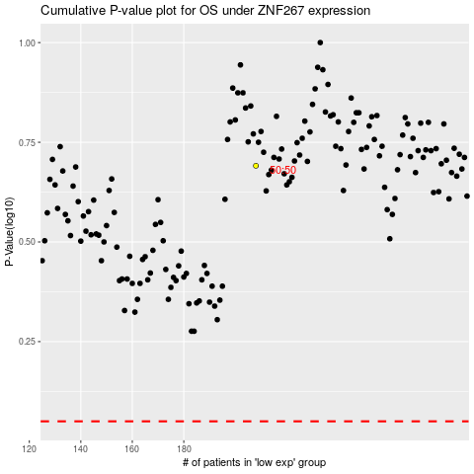

 |  |  |  |  |  | cases_OS | p_OS | rank | exp
 |  |  |  |  |  |  | cases_RFS | p_RFS | rank | exp

