ZNF273 _multivariate
Reported by Tex Li-Hsing Chi. tex@gate.sinica.edu.tw 2019-08-14

Table 2. The clinicopathological features of HNSCC cohort and ZNF273 expression. (Chi square test)
Cutoff at -0.445 (38.4%)
 |  | ZNF273 expression |  | ZNF273 expression |  | (Optimised)
 | Features | Low | (%) | High | (%) | Case no | P-value | Remark | Matthews
Gender | Female | 106 | 25.5 | 200 | 48.2 | 415 | 0.0085 | 1 | 0
2 | Male | 54 | 13 | 55 | 13.3
Age at diagnosis | <=65y | 103 | 24.8 | 171 | 41.2 | 415 | 0.6488 | 0 | 0
4 | >65y | 57 | 13.7 | 84 | 20.2
Clinical T Status | T1+T2 | 55 | 13.3 | 94 | 22.7 | 415 | 0.6825 | 0 | 0
6 | T3+T4 | 105 | 25.3 | 161 | 38.8
Clinical N Status | N0 | 75 | 18.1 | 141 | 34 | 415 | 0.1164 | 0 | 0
8 | N1-3 | 85 | 20.5 | 114 | 27.5
Clinical M Status | M0 | 159 | 38.3 | 253 | 61 | 415 | 1 | 0 | 0
10 | M1 | 1 | 0.2 | 2 | 0.5
Clinical Stage | Stage I+II | 34 | 8.2 | 68 | 16.4 | 415 | 0.2583 | 0 | 0
12 | Stage III+IV | 126 | 30.4 | 187 | 45.1
Surgical Margin status | Negative | 127 | 30.6 | 191 | 46 | 415 | 0.3407 | 0 | 0
14 | Positive | 33 | 8 | 64 | 15.4
Tobacco Exposure | Low | 68 | 16.4 | 93 | 22.4 | 415 | 0.255 | 0 | 0
16 | High | 92 | 22.2 | 162 | 39

Table 3. Univariate/Multivariate Cox's proportional hazards regression analyses on OS time of ZNF273 gene expression in HNSCC

 |  | Univariate |  |  |  | Multivariate
 | Features | HR | CI95%(L) | CI95%(H) | P-value | HR | CI95%(L) | CI95%(H) | P-value
1 | Female | 1 |  |  |  | 1
Gender | Male | 1.157 | 0.843 | 1.587 | 0.367 | 1.143 | 0.816 | 1.602 | 0.436
11 | <=65y | 1 |  |  |  | 1
Age at diagnosis | >65y | 1.329 | 0.99 | 1.784 | 0.058 | 1.395 | 1.025 | 1.9 | 0.035
12 | T1+T2 | 1 |  |  |  | 1
Clinical T Status | T3+T4 | 1.409 | 1.028 | 1.931 | 0.033 | 2.22 | 1.175 | 4.195 | 0.014
13 | N0 | 1 |  |  |  | 1
Clinical N Status | N1-3 | 1.185 | 0.89 | 1.577 | 0.246 | 1.182 | 0.825 | 1.692 | 0.362
14 | M0 | 1 |  |  |  | 1
Clinical M Status | M1 | 4.097 | 1.009 | 16.644 | 0.049 | 9.622 | 2.099 | 44.117 | 0.004
15 | Stage I+II | 1 |  |  |  | 1
Clinical Stage | Stage III+IV | 1.245 | 0.882 | 1.759 | 0.213 | 0.493 | 0.23 | 1.058 | 0.069
16 | Negative | 1 |  |  |  | 1
Surgical Margin status | Positive | 1.591 | 1.155 | 2.191 | 0.004 | 1.764 | 1.272 | 2.447 | 0.001
17 | Low | 1 |  |  |  | 1
Tobacco Exposure | High | 1.364 | 1.008 | 1.844 | 0.044 | 1.493 | 1.081 | 2.063 | 0.015
18 | Low | 1 |  |  |  | 1
RNAseq(z-score) | High | 0.74 | 0.553 | 0.99 | 0.042 | 0.704 | 0.52 | 0.952 | 0.023

Table 4. Univariate/Multivariate Cox's proportional hazards regression analyses on RFS time of ZNF273 gene expression in HNSCC

 |  | Univariate |  |  |  | Multivariate
 | Features | HR | CI95%(L) | CI95%(H) | P-value | HR | CI95%(L) | CI95%(H) | P-value
1 | Female | 1 |  |  |  | 1
Gender | Male | 1.157 | 0.843 | 1.587 | 0.367 | 1.143 | 0.816 | 1.602 | 0.436
11 | <=65y | 1 |  |  |  | 1
Age at diagnosis | >65y | 1.329 | 0.99 | 1.784 | 0.058 | 1.395 | 1.025 | 1.9 | 0.035
12 | T1+T2 | 1 |  |  |  | 1
Clinical T Status | T3+T4 | 1.409 | 1.028 | 1.931 | 0.033 | 2.22 | 1.175 | 4.195 | 0.014
13 | N0 | 1 |  |  |  | 1
Clinical N Status | N1-3 | 1.185 | 0.89 | 1.577 | 0.246 | 1.182 | 0.825 | 1.692 | 0.362
14 | M0 | 1 |  |  |  | 1
Clinical M Status | M1 | 4.097 | 1.009 | 16.644 | 0.049 | 9.622 | 2.099 | 44.117 | 0.004
15 | Stage I+II | 1 |  |  |  | 1
Clinical Stage | Stage III+IV | 1.245 | 0.882 | 1.759 | 0.213 | 0.493 | 0.23 | 1.058 | 0.069
16 | Negative | 1 |  |  |  | 1
Surgical Margin status | Positive | 1.591 | 1.155 | 2.191 | 0.004 | 1.764 | 1.272 | 2.447 | 0.001
17 | Low | 1 |  |  |  | 1
Tobacco Exposure | High | 1.364 | 1.008 | 1.844 | 0.044 | 1.493 | 1.081 | 2.063 | 0.015
18 | Low | 1 |  |  |  | 1
RNAseq(z-score) | High | 0.74 | 0.553 | 0.99 | 0.042 | 0.704 | 0.52 | 0.952 | 0.023

Kaplan-Meier survival estimate: Cutoff at -0.445 (38.4%)



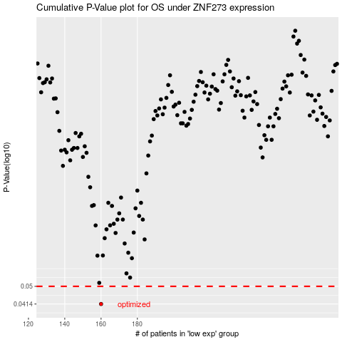

 |  |  |  |  |  | cases_OS | p_OS | rank | exp
 |  |  |  |  |  | 160 | 0.0414 | 177 | -0.44522571386
 |  |  |  |  |  |  | cases_RFS | p_RFS | rank | exp
 |  |  |  |  |  |  | 159 | 0.0414 | 180 | -0.4551026157

