ZNF274 _multivariate
Reported by Tex Li-Hsing Chi. tex@gate.sinica.edu.tw 2019-08-14

Table 2. The clinicopathological features of HNSCC cohort and ZNF274 expression. (Chi square test)
Cutoff at -0.403 (40.8%)
 |  | ZNF274 expression |  | ZNF274 expression |  | (Optimised)
 | Features | Low | (%) | High | (%) | Case no | P-value | Remark | Matthews
Gender | Female | 123 | 29.6 | 183 | 44.1 | 415 | 0.8007 | 0 | 0
2 | Male | 46 | 11.1 | 63 | 15.2
Age at diagnosis | <=65y | 107 | 25.8 | 167 | 40.2 | 415 | 0.3893 | 0 | 0
4 | >65y | 62 | 14.9 | 79 | 19
Clinical T Status | T1+T2 | 58 | 14 | 91 | 21.9 | 415 | 0.6502 | 0 | 0
6 | T3+T4 | 111 | 26.7 | 155 | 37.3
Clinical N Status | N0 | 87 | 21 | 129 | 31.1 | 415 | 0.9265 | 0 | 0
8 | N1-3 | 82 | 19.8 | 117 | 28.2
Clinical M Status | M0 | 169 | 40.7 | 243 | 58.6 | 415 | 0.2741 | 0 | 0
10 | M1 | 0 | 0 | 3 | 0.7
Clinical Stage | Stage I+II | 42 | 10.1 | 60 | 14.5 | 415 | 1 | 0 | 0
12 | Stage III+IV | 127 | 30.6 | 186 | 44.8
Surgical Margin status | Negative | 132 | 31.8 | 186 | 44.8 | 415 | 0.637 | 0 | 0
14 | Positive | 37 | 8.9 | 60 | 14.5
Tobacco Exposure | Low | 65 | 15.7 | 96 | 23.1 | 415 | 0.9187 | 0 | 0
16 | High | 104 | 25.1 | 150 | 36.1

Table 3. Univariate/Multivariate Cox's proportional hazards regression analyses on OS time of ZNF274 gene expression in HNSCC

 |  | Univariate |  |  |  | Multivariate
 | Features | HR | CI95%(L) | CI95%(H) | P-value | HR | CI95%(L) | CI95%(H) | P-value
1 | Female | 1 |  |  |  | 1
Gender | Male | 1.157 | 0.843 | 1.587 | 0.367 | 1.185 | 0.847 | 1.656 | 0.321
11 | <=65y | 1 |  |  |  | 1
Age at diagnosis | >65y | 1.329 | 0.99 | 1.784 | 0.058 | 1.383 | 1.017 | 1.879 | 0.038
12 | T1+T2 | 1 |  |  |  | 1
Clinical T Status | T3+T4 | 1.409 | 1.028 | 1.931 | 0.033 | 2.173 | 1.149 | 4.11 | 0.017
13 | N0 | 1 |  |  |  | 1
Clinical N Status | N1-3 | 1.185 | 0.89 | 1.577 | 0.246 | 1.23 | 0.862 | 1.755 | 0.255
14 | M0 | 1 |  |  |  | 1
Clinical M Status | M1 | 4.097 | 1.009 | 16.644 | 0.049 | 10.296 | 2.238 | 47.377 | 0.003
15 | Stage I+II | 1 |  |  |  | 1
Clinical Stage | Stage III+IV | 1.245 | 0.882 | 1.759 | 0.213 | 0.516 | 0.24 | 1.109 | 0.09
16 | Negative | 1 |  |  |  | 1
Surgical Margin status | Positive | 1.591 | 1.155 | 2.191 | 0.004 | 1.648 | 1.192 | 2.276 | 0.002
17 | Low | 1 |  |  |  | 1
Tobacco Exposure | High | 1.364 | 1.008 | 1.844 | 0.044 | 1.421 | 1.031 | 1.959 | 0.032
18 | Low | 1 |  |  |  | 1
RNAseq(z-score) | High | 0.749 | 0.562 | 0.999 | 0.049 | 0.779 | 0.582 | 1.042 | 0.092

Table 4. Univariate/Multivariate Cox's proportional hazards regression analyses on RFS time of ZNF274 gene expression in HNSCC

 |  | Univariate |  |  |  | Multivariate
 | Features | HR | CI95%(L) | CI95%(H) | P-value | HR | CI95%(L) | CI95%(H) | P-value
1 | Female | 1 |  |  |  | 1
Gender | Male | 1.157 | 0.843 | 1.587 | 0.367 | 1.185 | 0.847 | 1.656 | 0.321
11 | <=65y | 1 |  |  |  | 1
Age at diagnosis | >65y | 1.329 | 0.99 | 1.784 | 0.058 | 1.383 | 1.017 | 1.879 | 0.038
12 | T1+T2 | 1 |  |  |  | 1
Clinical T Status | T3+T4 | 1.409 | 1.028 | 1.931 | 0.033 | 2.173 | 1.149 | 4.11 | 0.017
13 | N0 | 1 |  |  |  | 1
Clinical N Status | N1-3 | 1.185 | 0.89 | 1.577 | 0.246 | 1.23 | 0.862 | 1.755 | 0.255
14 | M0 | 1 |  |  |  | 1
Clinical M Status | M1 | 4.097 | 1.009 | 16.644 | 0.049 | 10.296 | 2.238 | 47.377 | 0.003
15 | Stage I+II | 1 |  |  |  | 1
Clinical Stage | Stage III+IV | 1.245 | 0.882 | 1.759 | 0.213 | 0.516 | 0.24 | 1.109 | 0.09
16 | Negative | 1 |  |  |  | 1
Surgical Margin status | Positive | 1.591 | 1.155 | 2.191 | 0.004 | 1.648 | 1.192 | 2.276 | 0.002
17 | Low | 1 |  |  |  | 1
Tobacco Exposure | High | 1.364 | 1.008 | 1.844 | 0.044 | 1.421 | 1.031 | 1.959 | 0.032
18 | Low | 1 |  |  |  | 1
RNAseq(z-score) | High | 0.749 | 0.562 | 0.999 | 0.049 | 0.779 | 0.582 | 1.042 | 0.092

Kaplan-Meier survival estimate: Cutoff at -0.403 (40.8%)



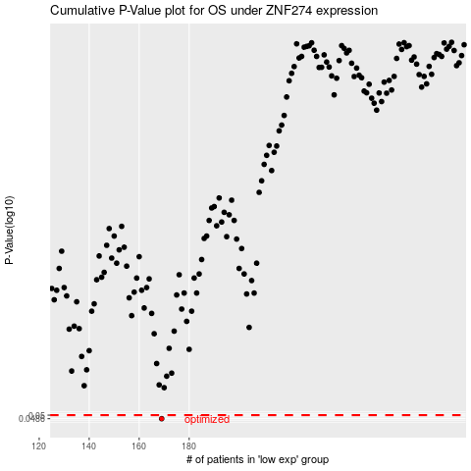

 |  |  |  |  |  | cases_OS | p_OS | rank | exp
 |  |  |  |  |  | 169 | 0.0486 | 109 | -0.40331706481
 |  |  |  |  |  |  | cases_RFS | p_RFS | rank | exp
 |  |  |  |  |  |  | 168 | 0.0486 | 12 | -0.42010953091

