ZNF275 _multivariate
Reported by Tex Li-Hsing Chi. tex@gate.sinica.edu.tw 2019-08-14

Table 2. The clinicopathological features of HNSCC cohort and ZNF275 expression. (Chi square test)
Cutoff at -0.191 (49.8%)
 |  | ZNF275 expression |  | ZNF275 expression |  | (Optimised)
 | Features | Low | (%) | High | (%) | Case no | P-value | Remark | Matthews
Gender | Female | 150 | 36.1 | 156 | 37.6 | 415 | 0.6344 | 0 | 0
2 | Male | 57 | 13.7 | 52 | 12.5
Age at diagnosis | <=65y | 130 | 31.3 | 144 | 34.7 | 415 | 0.2009 | 0 | 0
4 | >65y | 77 | 18.6 | 64 | 15.4
Clinical T Status | T1+T2 | 75 | 18.1 | 74 | 17.8 | 415 | 0.9707 | 0 | 0
6 | T3+T4 | 132 | 31.8 | 134 | 32.3
Clinical N Status | N0 | 111 | 26.7 | 105 | 25.3 | 415 | 0.5875 | 0 | 0
8 | N1-3 | 96 | 23.1 | 103 | 24.8
Clinical M Status | M0 | 205 | 49.4 | 207 | 49.9 | 415 | 0.6232 | 0 | 0
10 | M1 | 2 | 0.5 | 1 | 0.2
Clinical Stage | Stage I+II | 51 | 12.3 | 51 | 12.3 | 415 | 1 | 0 | 0
12 | Stage III+IV | 156 | 37.6 | 157 | 37.8
Surgical Margin status | Negative | 157 | 37.8 | 161 | 38.8 | 415 | 0.729 | 0 | 0
14 | Positive | 50 | 12 | 47 | 11.3
Tobacco Exposure | Low | 97 | 23.4 | 64 | 15.4 | 415 | 9e-04 | 1 | 0
16 | High | 110 | 26.5 | 144 | 34.7

Table 3. Univariate/Multivariate Cox's proportional hazards regression analyses on OS time of ZNF275 gene expression in HNSCC

 |  | Univariate |  |  |  | Multivariate
 | Features | HR | CI95%(L) | CI95%(H) | P-value | HR | CI95%(L) | CI95%(H) | P-value
1 | Female | 1 |  |  |  | 1
Gender | Male | 1.157 | 0.843 | 1.587 | 0.367 | 1.21 | 0.866 | 1.69 | 0.265
11 | <=65y | 1 |  |  |  | 1
Age at diagnosis | >65y | 1.329 | 0.99 | 1.784 | 0.058 | 1.394 | 1.025 | 1.895 | 0.034
12 | T1+T2 | 1 |  |  |  | 1
Clinical T Status | T3+T4 | 1.409 | 1.028 | 1.931 | 0.033 | 2.215 | 1.171 | 4.189 | 0.014
13 | N0 | 1 |  |  |  | 1
Clinical N Status | N1-3 | 1.185 | 0.89 | 1.577 | 0.246 | 1.233 | 0.864 | 1.76 | 0.249
14 | M0 | 1 |  |  |  | 1
Clinical M Status | M1 | 4.097 | 1.009 | 16.644 | 0.049 | 9.884 | 2.148 | 45.49 | 0.003
15 | Stage I+II | 1 |  |  |  | 1
Clinical Stage | Stage III+IV | 1.245 | 0.882 | 1.759 | 0.213 | 0.507 | 0.236 | 1.089 | 0.081
16 | Negative | 1 |  |  |  | 1
Surgical Margin status | Positive | 1.591 | 1.155 | 2.191 | 0.004 | 1.695 | 1.225 | 2.346 | 0.001
17 | Low | 1 |  |  |  | 1
Tobacco Exposure | High | 1.364 | 1.008 | 1.844 | 0.044 | 1.441 | 1.046 | 1.986 | 0.026
18 | Low | 1 |  |  |  | 1
RNAseq(z-score) | High | 1.078 | 0.809 | 1.437 | 0.608 | 1.142 | 0.853 | 1.529 | 0.372

Table 4. Univariate/Multivariate Cox's proportional hazards regression analyses on RFS time of ZNF275 gene expression in HNSCC

 |  | Univariate |  |  |  | Multivariate
 | Features | HR | CI95%(L) | CI95%(H) | P-value | HR | CI95%(L) | CI95%(H) | P-value
1 | Female | 1 |  |  |  | 1
Gender | Male | 1.157 | 0.843 | 1.587 | 0.367 | 1.21 | 0.866 | 1.69 | 0.265
11 | <=65y | 1 |  |  |  | 1
Age at diagnosis | >65y | 1.329 | 0.99 | 1.784 | 0.058 | 1.394 | 1.025 | 1.895 | 0.034
12 | T1+T2 | 1 |  |  |  | 1
Clinical T Status | T3+T4 | 1.409 | 1.028 | 1.931 | 0.033 | 2.215 | 1.171 | 4.189 | 0.014
13 | N0 | 1 |  |  |  | 1
Clinical N Status | N1-3 | 1.185 | 0.89 | 1.577 | 0.246 | 1.233 | 0.864 | 1.76 | 0.249
14 | M0 | 1 |  |  |  | 1
Clinical M Status | M1 | 4.097 | 1.009 | 16.644 | 0.049 | 9.884 | 2.148 | 45.49 | 0.003
15 | Stage I+II | 1 |  |  |  | 1
Clinical Stage | Stage III+IV | 1.245 | 0.882 | 1.759 | 0.213 | 0.507 | 0.236 | 1.089 | 0.081
16 | Negative | 1 |  |  |  | 1
Surgical Margin status | Positive | 1.591 | 1.155 | 2.191 | 0.004 | 1.695 | 1.225 | 2.346 | 0.001
17 | Low | 1 |  |  |  | 1
Tobacco Exposure | High | 1.364 | 1.008 | 1.844 | 0.044 | 1.441 | 1.046 | 1.986 | 0.026
18 | Low | 1 |  |  |  | 1
RNAseq(z-score) | High | 1.078 | 0.809 | 1.437 | 0.608 | 1.142 | 0.853 | 1.529 | 0.372

Kaplan-Meier survival estimate: Cutoff at -0.191 (49.8%)



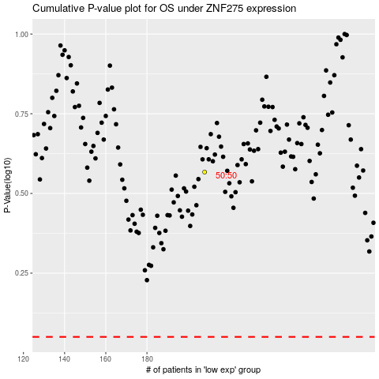

 |  |  |  |  |  | cases_OS | p_OS | rank | exp
 |  |  |  |  |  |  | cases_RFS | p_RFS | rank | exp

