ZNF280B _multivariate
Reported by Tex Li-Hsing Chi. tex@gate.sinica.edu.tw 2019-08-14

Table 2. The clinicopathological features of HNSCC cohort and ZNF280B expression. (Chi square test)
Cutoff at -0.377 (50.0%)
 |  | ZNF280B expression |  | ZNF280B expression |  | (Optimised)
 | Features | Low | (%) | High | (%) | Case no | P-value | Remark | Matthews
Gender | Female | 156 | 37.6 | 150 | 36.1 | 415 | 0.5222 | 0 | 0
2 | Male | 51 | 12.3 | 58 | 14
Age at diagnosis | <=65y | 134 | 32.3 | 140 | 33.7 | 415 | 0.6529 | 0 | 0
4 | >65y | 73 | 17.6 | 68 | 16.4
Clinical T Status | T1+T2 | 67 | 16.1 | 82 | 19.8 | 415 | 0.1628 | 0 | 0
6 | T3+T4 | 140 | 33.7 | 126 | 30.4
Clinical N Status | N0 | 110 | 26.5 | 106 | 25.5 | 415 | 0.7294 | 0 | 0
8 | N1-3 | 97 | 23.4 | 102 | 24.6
Clinical M Status | M0 | 204 | 49.2 | 208 | 50.1 | 415 | 0.1232 | 0 | 0
10 | M1 | 3 | 0.7 | 0 | 0
Clinical Stage | Stage I+II | 49 | 11.8 | 53 | 12.8 | 415 | 0.7535 | 0 | 0
12 | Stage III+IV | 158 | 38.1 | 155 | 37.3
Surgical Margin status | Negative | 150 | 36.1 | 168 | 40.5 | 415 | 0.0492 | 1 | 0
14 | Positive | 57 | 13.7 | 40 | 9.6
Tobacco Exposure | Low | 87 | 21 | 74 | 17.8 | 415 | 0.1911 | 0 | 0
16 | High | 120 | 28.9 | 134 | 32.3

Table 3. Univariate/Multivariate Cox's proportional hazards regression analyses on OS time of ZNF280B gene expression in HNSCC

 |  | Univariate |  |  |  | Multivariate
 | Features | HR | CI95%(L) | CI95%(H) | P-value | HR | CI95%(L) | CI95%(H) | P-value
1 | Female | 1 |  |  |  | 1
Gender | Male | 1.157 | 0.843 | 1.587 | 0.367 | 1.201 | 0.859 | 1.677 | 0.284
11 | <=65y | 1 |  |  |  | 1
Age at diagnosis | >65y | 1.329 | 0.99 | 1.784 | 0.058 | 1.393 | 1.024 | 1.893 | 0.035
12 | T1+T2 | 1 |  |  |  | 1
Clinical T Status | T3+T4 | 1.409 | 1.028 | 1.931 | 0.033 | 2.164 | 1.142 | 4.1 | 0.018
13 | N0 | 1 |  |  |  | 1
Clinical N Status | N1-3 | 1.185 | 0.89 | 1.577 | 0.246 | 1.236 | 0.866 | 1.764 | 0.242
14 | M0 | 1 |  |  |  | 1
Clinical M Status | M1 | 4.097 | 1.009 | 16.644 | 0.049 | 8.84 | 1.908 | 40.954 | 0.005
15 | Stage I+II | 1 |  |  |  | 1
Clinical Stage | Stage III+IV | 1.245 | 0.882 | 1.759 | 0.213 | 0.511 | 0.238 | 1.098 | 0.085
16 | Negative | 1 |  |  |  | 1
Surgical Margin status | Positive | 1.591 | 1.155 | 2.191 | 0.004 | 1.651 | 1.192 | 2.286 | 0.003
17 | Low | 1 |  |  |  | 1
Tobacco Exposure | High | 1.364 | 1.008 | 1.844 | 0.044 | 1.464 | 1.061 | 2.019 | 0.02
18 | Low | 1 |  |  |  | 1
RNAseq(z-score) | High | 0.834 | 0.626 | 1.111 | 0.215 | 0.905 | 0.676 | 1.212 | 0.504

Table 4. Univariate/Multivariate Cox's proportional hazards regression analyses on RFS time of ZNF280B gene expression in HNSCC

 |  | Univariate |  |  |  | Multivariate
 | Features | HR | CI95%(L) | CI95%(H) | P-value | HR | CI95%(L) | CI95%(H) | P-value
1 | Female | 1 |  |  |  | 1
Gender | Male | 1.157 | 0.843 | 1.587 | 0.367 | 1.201 | 0.859 | 1.677 | 0.284
11 | <=65y | 1 |  |  |  | 1
Age at diagnosis | >65y | 1.329 | 0.99 | 1.784 | 0.058 | 1.393 | 1.024 | 1.893 | 0.035
12 | T1+T2 | 1 |  |  |  | 1
Clinical T Status | T3+T4 | 1.409 | 1.028 | 1.931 | 0.033 | 2.164 | 1.142 | 4.1 | 0.018
13 | N0 | 1 |  |  |  | 1
Clinical N Status | N1-3 | 1.185 | 0.89 | 1.577 | 0.246 | 1.236 | 0.866 | 1.764 | 0.242
14 | M0 | 1 |  |  |  | 1
Clinical M Status | M1 | 4.097 | 1.009 | 16.644 | 0.049 | 8.84 | 1.908 | 40.954 | 0.005
15 | Stage I+II | 1 |  |  |  | 1
Clinical Stage | Stage III+IV | 1.245 | 0.882 | 1.759 | 0.213 | 0.511 | 0.238 | 1.098 | 0.085
16 | Negative | 1 |  |  |  | 1
Surgical Margin status | Positive | 1.591 | 1.155 | 2.191 | 0.004 | 1.651 | 1.192 | 2.286 | 0.003
17 | Low | 1 |  |  |  | 1
Tobacco Exposure | High | 1.364 | 1.008 | 1.844 | 0.044 | 1.464 | 1.061 | 2.019 | 0.02
18 | Low | 1 |  |  |  | 1
RNAseq(z-score) | High | 0.834 | 0.626 | 1.111 | 0.215 | 0.905 | 0.676 | 1.212 | 0.504

Kaplan-Meier survival estimate: Cutoff at -0.377 (50.0%)



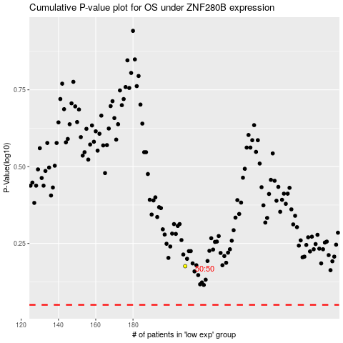

 |  |  |  |  |  | cases_OS | p_OS | rank | exp
 |  |  |  |  |  |  | cases_RFS | p_RFS | rank | exp

