ZNF280D _multivariate
Reported by Tex Li-Hsing Chi. tex@gate.sinica.edu.tw 2019-08-14

Table 2. The clinicopathological features of HNSCC cohort and ZNF280D expression. (Chi square test)
Cutoff at 0.178 (68.6%)
 |  | ZNF280D expression |  | ZNF280D expression |  | (Optimised)
 | Features | Low | (%) | High | (%) | Case no | P-value | Remark | Matthews
Gender | Female | 201 | 48.4 | 105 | 25.3 | 415 | 0.0376 | 1 | 0
2 | Male | 84 | 20.2 | 25 | 6
Age at diagnosis | <=65y | 188 | 45.3 | 86 | 20.7 | 415 | 1 | 0 | 0
4 | >65y | 97 | 23.4 | 44 | 10.6
Clinical T Status | T1+T2 | 95 | 22.9 | 54 | 13 | 415 | 0.1321 | 0 | 0
6 | T3+T4 | 190 | 45.8 | 76 | 18.3
Clinical N Status | N0 | 143 | 34.5 | 73 | 17.6 | 415 | 0.3055 | 0 | 0
8 | N1-3 | 142 | 34.2 | 57 | 13.7
Clinical M Status | M0 | 283 | 68.2 | 129 | 31.1 | 415 | 1 | 0 | 0
10 | M1 | 2 | 0.5 | 1 | 0.2
Clinical Stage | Stage I+II | 66 | 15.9 | 36 | 8.7 | 415 | 0.3831 | 0 | 0
12 | Stage III+IV | 219 | 52.8 | 94 | 22.7
Surgical Margin status | Negative | 228 | 54.9 | 90 | 21.7 | 415 | 0.0179 | 1 | 0
14 | Positive | 57 | 13.7 | 40 | 9.6
Tobacco Exposure | Low | 113 | 27.2 | 48 | 11.6 | 415 | 0.6642 | 0 | 0
16 | High | 172 | 41.4 | 82 | 19.8

Table 3. Univariate/Multivariate Cox's proportional hazards regression analyses on OS time of ZNF280D gene expression in HNSCC

 |  | Univariate |  |  |  | Multivariate
 | Features | HR | CI95%(L) | CI95%(H) | P-value | HR | CI95%(L) | CI95%(H) | P-value
1 | Female | 1 |  |  |  | 1
Gender | Male | 1.157 | 0.843 | 1.587 | 0.367 | 1.131 | 0.805 | 1.589 | 0.479
11 | <=65y | 1 |  |  |  | 1
Age at diagnosis | >65y | 1.329 | 0.99 | 1.784 | 0.058 | 1.399 | 1.029 | 1.901 | 0.032
12 | T1+T2 | 1 |  |  |  | 1
Clinical T Status | T3+T4 | 1.409 | 1.028 | 1.931 | 0.033 | 2.149 | 1.136 | 4.065 | 0.019
13 | N0 | 1 |  |  |  | 1
Clinical N Status | N1-3 | 1.185 | 0.89 | 1.577 | 0.246 | 1.206 | 0.845 | 1.721 | 0.303
14 | M0 | 1 |  |  |  | 1
Clinical M Status | M1 | 4.097 | 1.009 | 16.644 | 0.049 | 8.903 | 1.94 | 40.855 | 0.005
15 | Stage I+II | 1 |  |  |  | 1
Clinical Stage | Stage III+IV | 1.245 | 0.882 | 1.759 | 0.213 | 0.519 | 0.242 | 1.115 | 0.093
16 | Negative | 1 |  |  |  | 1
Surgical Margin status | Positive | 1.591 | 1.155 | 2.191 | 0.004 | 1.766 | 1.273 | 2.451 | 0.001
17 | Low | 1 |  |  |  | 1
Tobacco Exposure | High | 1.364 | 1.008 | 1.844 | 0.044 | 1.437 | 1.041 | 1.983 | 0.027
18 | Low | 1 |  |  |  | 1
RNAseq(z-score) | High | 0.72 | 0.518 | 0.999 | 0.049 | 0.712 | 0.507 | 0.999 | 0.05

Table 4. Univariate/Multivariate Cox's proportional hazards regression analyses on RFS time of ZNF280D gene expression in HNSCC

 |  | Univariate |  |  |  | Multivariate
 | Features | HR | CI95%(L) | CI95%(H) | P-value | HR | CI95%(L) | CI95%(H) | P-value
1 | Female | 1 |  |  |  | 1
Gender | Male | 1.157 | 0.843 | 1.587 | 0.367 | 1.131 | 0.805 | 1.589 | 0.479
11 | <=65y | 1 |  |  |  | 1
Age at diagnosis | >65y | 1.329 | 0.99 | 1.784 | 0.058 | 1.399 | 1.029 | 1.901 | 0.032
12 | T1+T2 | 1 |  |  |  | 1
Clinical T Status | T3+T4 | 1.409 | 1.028 | 1.931 | 0.033 | 2.149 | 1.136 | 4.065 | 0.019
13 | N0 | 1 |  |  |  | 1
Clinical N Status | N1-3 | 1.185 | 0.89 | 1.577 | 0.246 | 1.206 | 0.845 | 1.721 | 0.303
14 | M0 | 1 |  |  |  | 1
Clinical M Status | M1 | 4.097 | 1.009 | 16.644 | 0.049 | 8.903 | 1.94 | 40.855 | 0.005
15 | Stage I+II | 1 |  |  |  | 1
Clinical Stage | Stage III+IV | 1.245 | 0.882 | 1.759 | 0.213 | 0.519 | 0.242 | 1.115 | 0.093
16 | Negative | 1 |  |  |  | 1
Surgical Margin status | Positive | 1.591 | 1.155 | 2.191 | 0.004 | 1.766 | 1.273 | 2.451 | 0.001
17 | Low | 1 |  |  |  | 1
Tobacco Exposure | High | 1.364 | 1.008 | 1.844 | 0.044 | 1.437 | 1.041 | 1.983 | 0.027
18 | Low | 1 |  |  |  | 1
RNAseq(z-score) | High | 0.72 | 0.518 | 0.999 | 0.049 | 0.712 | 0.507 | 0.999 | 0.05

Kaplan-Meier survival estimate: Cutoff at 0.178 (68.6%)

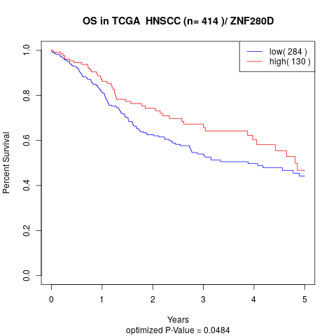

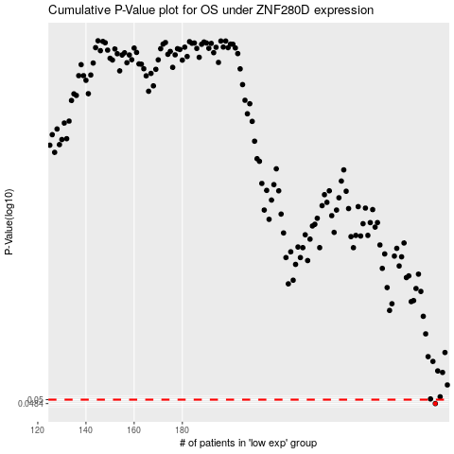

 |  |  |  |  |  | cases_OS | p_OS | rank | exp
 |  |  |  |  |  | 285 | 0.0484 | 140 | 0.17767031155
 |  |  |  |  |  |  | cases_RFS | p_RFS | rank | exp
 |  |  |  |  |  |  | 284 | 0.0484 | 241 | 0.1727866676

