ZNF282 _multivariate
Reported by Tex Li-Hsing Chi. tex@gate.sinica.edu.tw 2019-08-14

Table 2. The clinicopathological features of HNSCC cohort and ZNF282 expression. (Chi square test)
Cutoff at -0.043 (50.0%)
 |  | ZNF282 expression |  | ZNF282 expression |  | (Optimised)
 | Features | Low | (%) | High | (%) | Case no | P-value | Remark | Matthews
Gender | Female | 156 | 37.6 | 150 | 36.1 | 415 | 0.5222 | 0 | 0
2 | Male | 51 | 12.3 | 58 | 14
Age at diagnosis | <=65y | 136 | 32.8 | 138 | 33.3 | 415 | 0.9719 | 0 | 0
4 | >65y | 71 | 17.1 | 70 | 16.9
Clinical T Status | T1+T2 | 75 | 18.1 | 74 | 17.8 | 415 | 0.9707 | 0 | 0
6 | T3+T4 | 132 | 31.8 | 134 | 32.3
Clinical N Status | N0 | 96 | 23.1 | 120 | 28.9 | 415 | 0.0272 | 1 | 0
8 | N1-3 | 111 | 26.7 | 88 | 21.2
Clinical M Status | M0 | 207 | 49.9 | 205 | 49.4 | 415 | 0.2482 | 0 | 0
10 | M1 | 0 | 0 | 3 | 0.7
Clinical Stage | Stage I+II | 45 | 10.8 | 57 | 13.7 | 415 | 0.2202 | 0 | 0
12 | Stage III+IV | 162 | 39 | 151 | 36.4
Surgical Margin status | Negative | 161 | 38.8 | 157 | 37.8 | 415 | 0.6429 | 0 | 0
14 | Positive | 46 | 11.1 | 51 | 12.3
Tobacco Exposure | Low | 78 | 18.8 | 83 | 20 | 415 | 0.6873 | 0 | 0
16 | High | 129 | 31.1 | 125 | 30.1

Table 3. Univariate/Multivariate Cox's proportional hazards regression analyses on OS time of ZNF282 gene expression in HNSCC

 |  | Univariate |  |  |  | Multivariate
 | Features | HR | CI95%(L) | CI95%(H) | P-value | HR | CI95%(L) | CI95%(H) | P-value
1 | Female | 1 |  |  |  | 1
Gender | Male | 1.157 | 0.843 | 1.587 | 0.367 | 1.201 | 0.86 | 1.677 | 0.283
11 | <=65y | 1 |  |  |  | 1
Age at diagnosis | >65y | 1.329 | 0.99 | 1.784 | 0.058 | 1.392 | 1.024 | 1.892 | 0.035
12 | T1+T2 | 1 |  |  |  | 1
Clinical T Status | T3+T4 | 1.409 | 1.028 | 1.931 | 0.033 | 2.218 | 1.17 | 4.204 | 0.015
13 | N0 | 1 |  |  |  | 1
Clinical N Status | N1-3 | 1.185 | 0.89 | 1.577 | 0.246 | 1.236 | 0.865 | 1.766 | 0.244
14 | M0 | 1 |  |  |  | 1
Clinical M Status | M1 | 4.097 | 1.009 | 16.644 | 0.049 | 9.657 | 2.077 | 44.886 | 0.004
15 | Stage I+II | 1 |  |  |  | 1
Clinical Stage | Stage III+IV | 1.245 | 0.882 | 1.759 | 0.213 | 0.501 | 0.233 | 1.077 | 0.077
16 | Negative | 1 |  |  |  | 1
Surgical Margin status | Positive | 1.591 | 1.155 | 2.191 | 0.004 | 1.669 | 1.207 | 2.307 | 0.002
17 | Low | 1 |  |  |  | 1
Tobacco Exposure | High | 1.364 | 1.008 | 1.844 | 0.044 | 1.449 | 1.051 | 1.997 | 0.024
18 | Low | 1 |  |  |  | 1
RNAseq(z-score) | High | 0.966 | 0.723 | 1.291 | 0.817 | 0.963 | 0.717 | 1.294 | 0.803

Table 4. Univariate/Multivariate Cox's proportional hazards regression analyses on RFS time of ZNF282 gene expression in HNSCC

 |  | Univariate |  |  |  | Multivariate
 | Features | HR | CI95%(L) | CI95%(H) | P-value | HR | CI95%(L) | CI95%(H) | P-value
1 | Female | 1 |  |  |  | 1
Gender | Male | 1.157 | 0.843 | 1.587 | 0.367 | 1.201 | 0.86 | 1.677 | 0.283
11 | <=65y | 1 |  |  |  | 1
Age at diagnosis | >65y | 1.329 | 0.99 | 1.784 | 0.058 | 1.392 | 1.024 | 1.892 | 0.035
12 | T1+T2 | 1 |  |  |  | 1
Clinical T Status | T3+T4 | 1.409 | 1.028 | 1.931 | 0.033 | 2.218 | 1.17 | 4.204 | 0.015
13 | N0 | 1 |  |  |  | 1
Clinical N Status | N1-3 | 1.185 | 0.89 | 1.577 | 0.246 | 1.236 | 0.865 | 1.766 | 0.244
14 | M0 | 1 |  |  |  | 1
Clinical M Status | M1 | 4.097 | 1.009 | 16.644 | 0.049 | 9.657 | 2.077 | 44.886 | 0.004
15 | Stage I+II | 1 |  |  |  | 1
Clinical Stage | Stage III+IV | 1.245 | 0.882 | 1.759 | 0.213 | 0.501 | 0.233 | 1.077 | 0.077
16 | Negative | 1 |  |  |  | 1
Surgical Margin status | Positive | 1.591 | 1.155 | 2.191 | 0.004 | 1.669 | 1.207 | 2.307 | 0.002
17 | Low | 1 |  |  |  | 1
Tobacco Exposure | High | 1.364 | 1.008 | 1.844 | 0.044 | 1.449 | 1.051 | 1.997 | 0.024
18 | Low | 1 |  |  |  | 1
RNAseq(z-score) | High | 0.966 | 0.723 | 1.291 | 0.817 | 0.963 | 0.717 | 1.294 | 0.803

Kaplan-Meier survival estimate: Cutoff at -0.043 (50.0%)



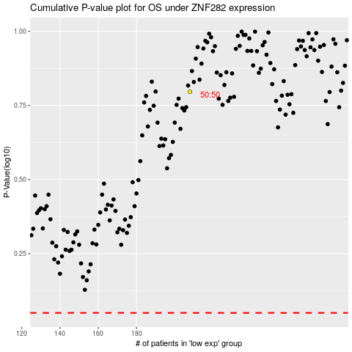

 |  |  |  |  |  | cases_OS | p_OS | rank | exp
 |  |  |  |  |  |  | cases_RFS | p_RFS | rank | exp

