ZNF286A _multivariate
Reported by Tex Li-Hsing Chi. tex@gate.sinica.edu.tw 2019-08-14

Table 2. The clinicopathological features of HNSCC cohort and ZNF286A expression. (Chi square test)
Cutoff at -0.116 (49.8%)
 |  | ZNF286A expression |  | ZNF286A expression |  | (Optimised)
 | Features | Low | (%) | High | (%) | Case no | P-value | Remark | Matthews
Gender | Female | 144 | 34.7 | 162 | 39 | 415 | 0.0697 | 0 | 0
2 | Male | 63 | 15.2 | 46 | 11.1
Age at diagnosis | <=65y | 135 | 32.5 | 139 | 33.5 | 415 | 0.8084 | 0 | 0
4 | >65y | 72 | 17.3 | 69 | 16.6
Clinical T Status | T1+T2 | 73 | 17.6 | 76 | 18.3 | 415 | 0.8666 | 0 | 0
6 | T3+T4 | 134 | 32.3 | 132 | 31.8
Clinical N Status | N0 | 111 | 26.7 | 105 | 25.3 | 415 | 0.5875 | 0 | 0
8 | N1-3 | 96 | 23.1 | 103 | 24.8
Clinical M Status | M0 | 204 | 49.2 | 208 | 50.1 | 415 | 0.1232 | 0 | 0
10 | M1 | 3 | 0.7 | 0 | 0
Clinical Stage | Stage I+II | 51 | 12.3 | 51 | 12.3 | 415 | 1 | 0 | 0
12 | Stage III+IV | 156 | 37.6 | 157 | 37.8
Surgical Margin status | Negative | 151 | 36.4 | 167 | 40.2 | 415 | 0.0828 | 0 | 0
14 | Positive | 56 | 13.5 | 41 | 9.9
Tobacco Exposure | Low | 90 | 21.7 | 71 | 17.1 | 415 | 0.0559 | 0 | 0
16 | High | 117 | 28.2 | 137 | 33

Table 3. Univariate/Multivariate Cox's proportional hazards regression analyses on OS time of ZNF286A gene expression in HNSCC

 |  | Univariate |  |  |  | Multivariate
 | Features | HR | CI95%(L) | CI95%(H) | P-value | HR | CI95%(L) | CI95%(H) | P-value
1 | Female | 1 |  |  |  | 1
Gender | Male | 1.157 | 0.843 | 1.587 | 0.367 | 1.259 | 0.895 | 1.77 | 0.186
11 | <=65y | 1 |  |  |  | 1
Age at diagnosis | >65y | 1.329 | 0.99 | 1.784 | 0.058 | 1.393 | 1.025 | 1.892 | 0.034
12 | T1+T2 | 1 |  |  |  | 1
Clinical T Status | T3+T4 | 1.409 | 1.028 | 1.931 | 0.033 | 2.283 | 1.205 | 4.325 | 0.011
13 | N0 | 1 |  |  |  | 1
Clinical N Status | N1-3 | 1.185 | 0.89 | 1.577 | 0.246 | 1.24 | 0.869 | 1.769 | 0.235
14 | M0 | 1 |  |  |  | 1
Clinical M Status | M1 | 4.097 | 1.009 | 16.644 | 0.049 | 11.144 | 2.385 | 52.066 | 0.002
15 | Stage I+II | 1 |  |  |  | 1
Clinical Stage | Stage III+IV | 1.245 | 0.882 | 1.759 | 0.213 | 0.486 | 0.226 | 1.046 | 0.065
16 | Negative | 1 |  |  |  | 1
Surgical Margin status | Positive | 1.591 | 1.155 | 2.191 | 0.004 | 1.757 | 1.262 | 2.447 | 0.001
17 | Low | 1 |  |  |  | 1
Tobacco Exposure | High | 1.364 | 1.008 | 1.844 | 0.044 | 1.451 | 1.053 | 1.999 | 0.023
18 | Low | 1 |  |  |  | 1
RNAseq(z-score) | High | 1.062 | 0.797 | 1.416 | 0.68 | 1.252 | 0.925 | 1.693 | 0.145

Table 4. Univariate/Multivariate Cox's proportional hazards regression analyses on RFS time of ZNF286A gene expression in HNSCC

 |  | Univariate |  |  |  | Multivariate
 | Features | HR | CI95%(L) | CI95%(H) | P-value | HR | CI95%(L) | CI95%(H) | P-value
1 | Female | 1 |  |  |  | 1
Gender | Male | 1.157 | 0.843 | 1.587 | 0.367 | 1.259 | 0.895 | 1.77 | 0.186
11 | <=65y | 1 |  |  |  | 1
Age at diagnosis | >65y | 1.329 | 0.99 | 1.784 | 0.058 | 1.393 | 1.025 | 1.892 | 0.034
12 | T1+T2 | 1 |  |  |  | 1
Clinical T Status | T3+T4 | 1.409 | 1.028 | 1.931 | 0.033 | 2.283 | 1.205 | 4.325 | 0.011
13 | N0 | 1 |  |  |  | 1
Clinical N Status | N1-3 | 1.185 | 0.89 | 1.577 | 0.246 | 1.24 | 0.869 | 1.769 | 0.235
14 | M0 | 1 |  |  |  | 1
Clinical M Status | M1 | 4.097 | 1.009 | 16.644 | 0.049 | 11.144 | 2.385 | 52.066 | 0.002
15 | Stage I+II | 1 |  |  |  | 1
Clinical Stage | Stage III+IV | 1.245 | 0.882 | 1.759 | 0.213 | 0.486 | 0.226 | 1.046 | 0.065
16 | Negative | 1 |  |  |  | 1
Surgical Margin status | Positive | 1.591 | 1.155 | 2.191 | 0.004 | 1.757 | 1.262 | 2.447 | 0.001
17 | Low | 1 |  |  |  | 1
Tobacco Exposure | High | 1.364 | 1.008 | 1.844 | 0.044 | 1.451 | 1.053 | 1.999 | 0.023
18 | Low | 1 |  |  |  | 1
RNAseq(z-score) | High | 1.062 | 0.797 | 1.416 | 0.68 | 1.252 | 0.925 | 1.693 | 0.145

Kaplan-Meier survival estimate: Cutoff at -0.116 (49.8%)



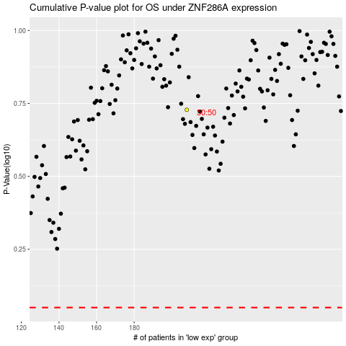

 |  |  |  |  |  | cases_OS | p_OS | rank | exp
 |  |  |  |  |  |  | cases_RFS | p_RFS | rank | exp

