ZNF286B _multivariate
Reported by Tex Li-Hsing Chi. tex@gate.sinica.edu.tw 2019-08-14

Table 2. The clinicopathological features of HNSCC cohort and ZNF286B expression. (Chi square test)
Cutoff at 0.168 (68.8%)
 |  | ZNF286B expression |  | ZNF286B expression |  | (Optimised)
 | Features | Low | (%) | High | (%) | Case no | P-value | Remark | Matthews
Gender | Female | 201 | 48.4 | 105 | 25.3 | 415 | 0.0238 | 1 | 0
2 | Male | 85 | 20.5 | 24 | 5.8
Age at diagnosis | <=65y | 185 | 44.6 | 89 | 21.4 | 415 | 0.456 | 0 | 0
4 | >65y | 101 | 24.3 | 40 | 9.6
Clinical T Status | T1+T2 | 104 | 25.1 | 45 | 10.8 | 415 | 0.8569 | 0 | 0
6 | T3+T4 | 182 | 43.9 | 84 | 20.2
Clinical N Status | N0 | 150 | 36.1 | 66 | 15.9 | 415 | 0.8916 | 0 | 0
8 | N1-3 | 136 | 32.8 | 63 | 15.2
Clinical M Status | M0 | 283 | 68.2 | 129 | 31.1 | 415 | 0.5554 | 0 | 0
10 | M1 | 3 | 0.7 | 0 | 0
Clinical Stage | Stage I+II | 74 | 17.8 | 28 | 6.7 | 415 | 0.4297 | 0 | 0
12 | Stage III+IV | 212 | 51.1 | 101 | 24.3
Surgical Margin status | Negative | 214 | 51.6 | 104 | 25.1 | 415 | 0.2122 | 0 | 0
14 | Positive | 72 | 17.3 | 25 | 6
Tobacco Exposure | Low | 121 | 29.2 | 40 | 9.6 | 415 | 0.03 | 1 | 0
16 | High | 165 | 39.8 | 89 | 21.4

Table 3. Univariate/Multivariate Cox's proportional hazards regression analyses on OS time of ZNF286B gene expression in HNSCC

 |  | Univariate |  |  |  | Multivariate
 | Features | HR | CI95%(L) | CI95%(H) | P-value | HR | CI95%(L) | CI95%(H) | P-value
1 | Female | 1 |  |  |  | 1
Gender | Male | 1.157 | 0.843 | 1.587 | 0.367 | 1.107 | 0.787 | 1.557 | 0.558
11 | <=65y | 1 |  |  |  | 1
Age at diagnosis | >65y | 1.329 | 0.99 | 1.784 | 0.058 | 1.38 | 1.016 | 1.875 | 0.039
12 | T1+T2 | 1 |  |  |  | 1
Clinical T Status | T3+T4 | 1.409 | 1.028 | 1.931 | 0.033 | 2.148 | 1.135 | 4.065 | 0.019
13 | N0 | 1 |  |  |  | 1
Clinical N Status | N1-3 | 1.185 | 0.89 | 1.577 | 0.246 | 1.229 | 0.862 | 1.753 | 0.254
14 | M0 | 1 |  |  |  | 1
Clinical M Status | M1 | 4.097 | 1.009 | 16.644 | 0.049 | 8.057 | 1.75 | 37.096 | 0.007
15 | Stage I+II | 1 |  |  |  | 1
Clinical Stage | Stage III+IV | 1.245 | 0.882 | 1.759 | 0.213 | 0.529 | 0.246 | 1.136 | 0.102
16 | Negative | 1 |  |  |  | 1
Surgical Margin status | Positive | 1.591 | 1.155 | 2.191 | 0.004 | 1.62 | 1.172 | 2.24 | 0.003
17 | Low | 1 |  |  |  | 1
Tobacco Exposure | High | 1.364 | 1.008 | 1.844 | 0.044 | 1.479 | 1.072 | 2.038 | 0.017
18 | Low | 1 |  |  |  | 1
RNAseq(z-score) | High | 0.656 | 0.475 | 0.907 | 0.011 | 0.688 | 0.493 | 0.962 | 0.029

Table 4. Univariate/Multivariate Cox's proportional hazards regression analyses on RFS time of ZNF286B gene expression in HNSCC

 |  | Univariate |  |  |  | Multivariate
 | Features | HR | CI95%(L) | CI95%(H) | P-value | HR | CI95%(L) | CI95%(H) | P-value
1 | Female | 1 |  |  |  | 1
Gender | Male | 1.157 | 0.843 | 1.587 | 0.367 | 1.107 | 0.787 | 1.557 | 0.558
11 | <=65y | 1 |  |  |  | 1
Age at diagnosis | >65y | 1.329 | 0.99 | 1.784 | 0.058 | 1.38 | 1.016 | 1.875 | 0.039
12 | T1+T2 | 1 |  |  |  | 1
Clinical T Status | T3+T4 | 1.409 | 1.028 | 1.931 | 0.033 | 2.148 | 1.135 | 4.065 | 0.019
13 | N0 | 1 |  |  |  | 1
Clinical N Status | N1-3 | 1.185 | 0.89 | 1.577 | 0.246 | 1.229 | 0.862 | 1.753 | 0.254
14 | M0 | 1 |  |  |  | 1
Clinical M Status | M1 | 4.097 | 1.009 | 16.644 | 0.049 | 8.057 | 1.75 | 37.096 | 0.007
15 | Stage I+II | 1 |  |  |  | 1
Clinical Stage | Stage III+IV | 1.245 | 0.882 | 1.759 | 0.213 | 0.529 | 0.246 | 1.136 | 0.102
16 | Negative | 1 |  |  |  | 1
Surgical Margin status | Positive | 1.591 | 1.155 | 2.191 | 0.004 | 1.62 | 1.172 | 2.24 | 0.003
17 | Low | 1 |  |  |  | 1
Tobacco Exposure | High | 1.364 | 1.008 | 1.844 | 0.044 | 1.479 | 1.072 | 2.038 | 0.017
18 | Low | 1 |  |  |  | 1
RNAseq(z-score) | High | 0.656 | 0.475 | 0.907 | 0.011 | 0.688 | 0.493 | 0.962 | 0.029

Kaplan-Meier survival estimate: Cutoff at 0.168 (68.8%)

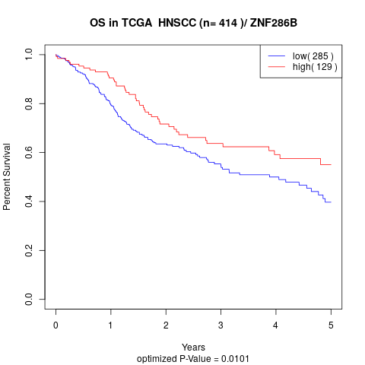

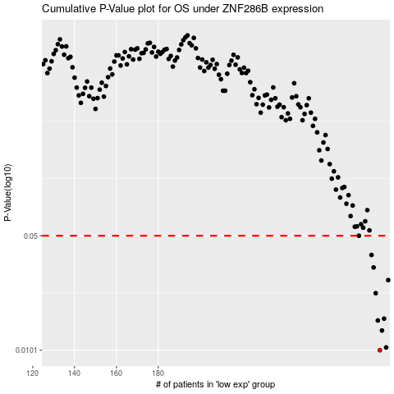

 |  |  |  |  |  | cases_OS | p_OS | rank | exp
 |  |  |  |  |  | 286 | 0.0101 | 40 | 0.16833209106
 |  |  |  |  |  | 289 | 0.0105 | 271 | 0.21057453082
 |  |  |  |  |  | 287 | 0.0133 | 156 | 0.18905040509
 |  |  |  |  |  | 285 | 0.0153 | 85 | 0.15561220423
 |  |  |  |  |  | 288 | 0.0157 | 239 | 0.18906234304
 |  |  |  |  |  | 284 | 0.0224 | 276 | 0.15403042571
 |  |  |  |  |  | 290 | 0.0269 | 105 | 0.21291436922
 |  |  |  |  |  | 283 | 0.0321 | 210 | 0.14564998408
 |  |  |  |  |  | 282 | 0.0382 | 153 | 0.13672636568
 |  |  |  |  |  | 276 | 0.05 | 157 | 0.10384924851
 |  |  |  |  |  |  | cases_RFS | p_RFS | rank | exp
 |  |  |  |  |  |  | 285 | 0.0101 | 85 | 0.15561220423
 |  |  |  |  |  |  | 288 | 0.0105 | 239 | 0.18906234304
 |  |  |  |  |  |  | 286 | 0.0133 | 40 | 0.16833209106
 |  |  |  |  |  |  | 284 | 0.0153 | 276 | 0.15403042571
 |  |  |  |  |  |  | 287 | 0.0157 | 156 | 0.18905040509
 |  |  |  |  |  |  | 283 | 0.0224 | 210 | 0.14564998408
 |  |  |  |  |  |  | 289 | 0.0269 | 271 | 0.21057453082
 |  |  |  |  |  |  | 282 | 0.0321 | 153 | 0.13672636568
 |  |  |  |  |  |  | 281 | 0.0382 | 124 | 0.13608171632
 |  |  |  |  |  |  | 275 | 0.05 | 240 | 0.10305537477

