ZNF287 _multivariate
Reported by Tex Li-Hsing Chi. tex@gate.sinica.edu.tw 2019-08-14

Table 2. The clinicopathological features of HNSCC cohort and ZNF287 expression. (Chi square test)
Cutoff at -0.54 (33.6%)
 |  | ZNF287 expression |  | ZNF287 expression |  | (Optimised)
 | Features | Low | (%) | High | (%) | Case no | P-value | Remark | Matthews
Gender | Female | 93 | 22.4 | 213 | 51.3 | 415 | 0.0217 | 1 | 0
2 | Male | 47 | 11.3 | 62 | 14.9
Age at diagnosis | <=65y | 83 | 20 | 191 | 46 | 415 | 0.0502 | 0 | 0
4 | >65y | 57 | 13.7 | 84 | 20.2
Clinical T Status | T1+T2 | 47 | 11.3 | 102 | 24.6 | 415 | 0.5496 | 0 | 0
6 | T3+T4 | 93 | 22.4 | 173 | 41.7
Clinical N Status | N0 | 76 | 18.3 | 140 | 33.7 | 415 | 0.5843 | 0 | 0
8 | N1-3 | 64 | 15.4 | 135 | 32.5
Clinical M Status | M0 | 139 | 33.5 | 273 | 65.8 | 415 | 1 | 0 | 0
10 | M1 | 1 | 0.2 | 2 | 0.5
Clinical Stage | Stage I+II | 33 | 8 | 69 | 16.6 | 415 | 0.8264 | 0 | 0
12 | Stage III+IV | 107 | 25.8 | 206 | 49.6
Surgical Margin status | Negative | 105 | 25.3 | 213 | 51.3 | 415 | 0.624 | 0 | 0
14 | Positive | 35 | 8.4 | 62 | 14.9
Tobacco Exposure | Low | 68 | 16.4 | 93 | 22.4 | 415 | 0.004 | 1 | 0
16 | High | 72 | 17.3 | 182 | 43.9

Table 3. Univariate/Multivariate Cox's proportional hazards regression analyses on OS time of ZNF287 gene expression in HNSCC

 |  | Univariate |  |  |  | Multivariate
 | Features | HR | CI95%(L) | CI95%(H) | P-value | HR | CI95%(L) | CI95%(H) | P-value
1 | Female | 1 |  |  |  | 1
Gender | Male | 1.157 | 0.843 | 1.587 | 0.367 | 1.15 | 0.82 | 1.613 | 0.418
11 | <=65y | 1 |  |  |  | 1
Age at diagnosis | >65y | 1.329 | 0.99 | 1.784 | 0.058 | 1.363 | 1.001 | 1.855 | 0.049
12 | T1+T2 | 1 |  |  |  | 1
Clinical T Status | T3+T4 | 1.409 | 1.028 | 1.931 | 0.033 | 2.191 | 1.16 | 4.139 | 0.016
13 | N0 | 1 |  |  |  | 1
Clinical N Status | N1-3 | 1.185 | 0.89 | 1.577 | 0.246 | 1.259 | 0.883 | 1.795 | 0.204
14 | M0 | 1 |  |  |  | 1
Clinical M Status | M1 | 4.097 | 1.009 | 16.644 | 0.049 | 9.103 | 1.985 | 41.753 | 0.004
15 | Stage I+II | 1 |  |  |  | 1
Clinical Stage | Stage III+IV | 1.245 | 0.882 | 1.759 | 0.213 | 0.494 | 0.23 | 1.059 | 0.07
16 | Negative | 1 |  |  |  | 1
Surgical Margin status | Positive | 1.591 | 1.155 | 2.191 | 0.004 | 1.673 | 1.211 | 2.311 | 0.002
17 | Low | 1 |  |  |  | 1
Tobacco Exposure | High | 1.364 | 1.008 | 1.844 | 0.044 | 1.564 | 1.124 | 2.175 | 0.008
18 | Low | 1 |  |  |  | 1
RNAseq(z-score) | High | 0.744 | 0.556 | 0.996 | 0.047 | 0.717 | 0.529 | 0.973 | 0.033

Table 4. Univariate/Multivariate Cox's proportional hazards regression analyses on RFS time of ZNF287 gene expression in HNSCC

 |  | Univariate |  |  |  | Multivariate
 | Features | HR | CI95%(L) | CI95%(H) | P-value | HR | CI95%(L) | CI95%(H) | P-value
1 | Female | 1 |  |  |  | 1
Gender | Male | 1.157 | 0.843 | 1.587 | 0.367 | 1.15 | 0.82 | 1.613 | 0.418
11 | <=65y | 1 |  |  |  | 1
Age at diagnosis | >65y | 1.329 | 0.99 | 1.784 | 0.058 | 1.363 | 1.001 | 1.855 | 0.049
12 | T1+T2 | 1 |  |  |  | 1
Clinical T Status | T3+T4 | 1.409 | 1.028 | 1.931 | 0.033 | 2.191 | 1.16 | 4.139 | 0.016
13 | N0 | 1 |  |  |  | 1
Clinical N Status | N1-3 | 1.185 | 0.89 | 1.577 | 0.246 | 1.259 | 0.883 | 1.795 | 0.204
14 | M0 | 1 |  |  |  | 1
Clinical M Status | M1 | 4.097 | 1.009 | 16.644 | 0.049 | 9.103 | 1.985 | 41.753 | 0.004
15 | Stage I+II | 1 |  |  |  | 1
Clinical Stage | Stage III+IV | 1.245 | 0.882 | 1.759 | 0.213 | 0.494 | 0.23 | 1.059 | 0.07
16 | Negative | 1 |  |  |  | 1
Surgical Margin status | Positive | 1.591 | 1.155 | 2.191 | 0.004 | 1.673 | 1.211 | 2.311 | 0.002
17 | Low | 1 |  |  |  | 1
Tobacco Exposure | High | 1.364 | 1.008 | 1.844 | 0.044 | 1.564 | 1.124 | 2.175 | 0.008
18 | Low | 1 |  |  |  | 1
RNAseq(z-score) | High | 0.744 | 0.556 | 0.996 | 0.047 | 0.717 | 0.529 | 0.973 | 0.033

Kaplan-Meier survival estimate: Cutoff at -0.54 (33.6%)



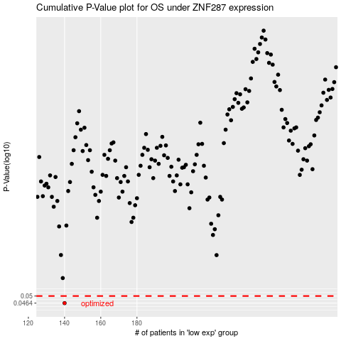

 |  |  |  |  |  | cases_OS | p_OS | rank | exp
 |  |  |  |  |  | 140 | 0.0464 | 271 | -0.54035384018
 |  |  |  |  |  |  | cases_RFS | p_RFS | rank | exp
 |  |  |  |  |  |  | 139 | 0.0464 | 326 | -0.54863145029

