ZNF292 _multivariate
Reported by Tex Li-Hsing Chi. tex@gate.sinica.edu.tw 2019-08-14

Table 2. The clinicopathological features of HNSCC cohort and ZNF292 expression. (Chi square test)
Cutoff at -0.251 (48.3%)
 |  | ZNF292 expression |  | ZNF292 expression |  | (Optimised)
 | Features | Low | (%) | High | (%) | Case no | P-value | Remark | Matthews
Gender | Female | 144 | 34.7 | 162 | 39 | 415 | 0.408 | 0 | 0
2 | Male | 57 | 13.7 | 52 | 12.5
Age at diagnosis | <=65y | 135 | 32.5 | 139 | 33.5 | 415 | 0.7102 | 0 | 0
4 | >65y | 66 | 15.9 | 75 | 18.1
Clinical T Status | T1+T2 | 71 | 17.1 | 78 | 18.8 | 415 | 0.8915 | 0 | 0
6 | T3+T4 | 130 | 31.3 | 136 | 32.8
Clinical N Status | N0 | 107 | 25.8 | 109 | 26.3 | 415 | 0.7112 | 0 | 0
8 | N1-3 | 94 | 22.7 | 105 | 25.3
Clinical M Status | M0 | 198 | 47.7 | 214 | 51.6 | 415 | 0.1127 | 0 | 0
10 | M1 | 3 | 0.7 | 0 | 0
Clinical Stage | Stage I+II | 50 | 12 | 52 | 12.5 | 415 | 0.9822 | 0 | 0
12 | Stage III+IV | 151 | 36.4 | 162 | 39
Surgical Margin status | Negative | 152 | 36.6 | 166 | 40 | 415 | 0.6446 | 0 | 0
14 | Positive | 49 | 11.8 | 48 | 11.6
Tobacco Exposure | Low | 84 | 20.2 | 77 | 18.6 | 415 | 0.2286 | 0 | 0
16 | High | 117 | 28.2 | 137 | 33

Table 3. Univariate/Multivariate Cox's proportional hazards regression analyses on OS time of ZNF292 gene expression in HNSCC

 |  | Univariate |  |  |  | Multivariate
 | Features | HR | CI95%(L) | CI95%(H) | P-value | HR | CI95%(L) | CI95%(H) | P-value
1 | Female | 1 |  |  |  | 1
Gender | Male | 1.157 | 0.843 | 1.587 | 0.367 | 1.177 | 0.84 | 1.65 | 0.344
11 | <=65y | 1 |  |  |  | 1
Age at diagnosis | >65y | 1.329 | 0.99 | 1.784 | 0.058 | 1.396 | 1.027 | 1.899 | 0.033
12 | T1+T2 | 1 |  |  |  | 1
Clinical T Status | T3+T4 | 1.409 | 1.028 | 1.931 | 0.033 | 2.132 | 1.126 | 4.034 | 0.02
13 | N0 | 1 |  |  |  | 1
Clinical N Status | N1-3 | 1.185 | 0.89 | 1.577 | 0.246 | 1.245 | 0.873 | 1.776 | 0.226
14 | M0 | 1 |  |  |  | 1
Clinical M Status | M1 | 4.097 | 1.009 | 16.644 | 0.049 | 7.891 | 1.703 | 36.553 | 0.008
15 | Stage I+II | 1 |  |  |  | 1
Clinical Stage | Stage III+IV | 1.245 | 0.882 | 1.759 | 0.213 | 0.53 | 0.246 | 1.141 | 0.104
16 | Negative | 1 |  |  |  | 1
Surgical Margin status | Positive | 1.591 | 1.155 | 2.191 | 0.004 | 1.645 | 1.191 | 2.273 | 0.003
17 | Low | 1 |  |  |  | 1
Tobacco Exposure | High | 1.364 | 1.008 | 1.844 | 0.044 | 1.477 | 1.07 | 2.039 | 0.018
18 | Low | 1 |  |  |  | 1
RNAseq(z-score) | High | 0.738 | 0.554 | 0.984 | 0.038 | 0.764 | 0.571 | 1.024 | 0.071

Table 4. Univariate/Multivariate Cox's proportional hazards regression analyses on RFS time of ZNF292 gene expression in HNSCC

 |  | Univariate |  |  |  | Multivariate
 | Features | HR | CI95%(L) | CI95%(H) | P-value | HR | CI95%(L) | CI95%(H) | P-value
1 | Female | 1 |  |  |  | 1
Gender | Male | 1.157 | 0.843 | 1.587 | 0.367 | 1.177 | 0.84 | 1.65 | 0.344
11 | <=65y | 1 |  |  |  | 1
Age at diagnosis | >65y | 1.329 | 0.99 | 1.784 | 0.058 | 1.396 | 1.027 | 1.899 | 0.033
12 | T1+T2 | 1 |  |  |  | 1
Clinical T Status | T3+T4 | 1.409 | 1.028 | 1.931 | 0.033 | 2.132 | 1.126 | 4.034 | 0.02
13 | N0 | 1 |  |  |  | 1
Clinical N Status | N1-3 | 1.185 | 0.89 | 1.577 | 0.246 | 1.245 | 0.873 | 1.776 | 0.226
14 | M0 | 1 |  |  |  | 1
Clinical M Status | M1 | 4.097 | 1.009 | 16.644 | 0.049 | 7.891 | 1.703 | 36.553 | 0.008
15 | Stage I+II | 1 |  |  |  | 1
Clinical Stage | Stage III+IV | 1.245 | 0.882 | 1.759 | 0.213 | 0.53 | 0.246 | 1.141 | 0.104
16 | Negative | 1 |  |  |  | 1
Surgical Margin status | Positive | 1.591 | 1.155 | 2.191 | 0.004 | 1.645 | 1.191 | 2.273 | 0.003
17 | Low | 1 |  |  |  | 1
Tobacco Exposure | High | 1.364 | 1.008 | 1.844 | 0.044 | 1.477 | 1.07 | 2.039 | 0.018
18 | Low | 1 |  |  |  | 1
RNAseq(z-score) | High | 0.738 | 0.554 | 0.984 | 0.038 | 0.764 | 0.571 | 1.024 | 0.071

Kaplan-Meier survival estimate: Cutoff at -0.251 (48.3%)



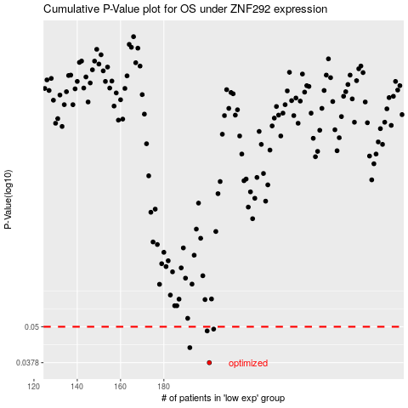

 |  |  |  |  |  | cases_OS | p_OS | rank | exp
 |  |  |  |  |  | 201 | 0.0378 | 177 | -0.25075949013
 |  |  |  |  |  | 192 | 0.0425 | 205 | -0.27734637012
 |  |  |  |  |  | 200 | 0.0484 | 258 | -0.25425577468
 |  |  |  |  |  | 203 | 0.0491 | 271 | -0.23942642978
 |  |  |  |  |  |  | cases_RFS | p_RFS | rank | exp
 |  |  |  |  |  |  | 200 | 0.0378 | 258 | -0.25425577468
 |  |  |  |  |  |  | 191 | 0.0425 | 143 | -0.2783046989
 |  |  |  |  |  |  | 199 | 0.0484 | 284 | -0.25985990825
 |  |  |  |  |  |  | 202 | 0.0491 | 263 | -0.24205894381

